PACSIN2 _multivariate
Reported by Tex Li-Hsing Chi. tex@gate.sinica.edu.tw 2019-08-17

Table 2. The clinicopathological features of HNSCC cohort and PACSIN2 expression. (Chi square test)
Cutoff at -0.082 (50.0%)
 |  | PACSIN2 expression |  | PACSIN2 expression |  | (Optimised)
 | Features | Low | (%) | High | (%) | Case no | P-value | Remark | Matthews
Gender | Female | 150 | 36.1 | 156 | 37.6 | 415 | 0.6344 | 0 | 0
2 | Male | 57 | 13.7 | 52 | 12.5
Age at diagnosis | <=65y | 129 | 31.1 | 145 | 34.9 | 415 | 0.1372 | 0 | 0
4 | >65y | 78 | 18.8 | 63 | 15.2
Clinical T Status | T1+T2 | 79 | 19 | 70 | 16.9 | 415 | 0.3924 | 0 | 0
6 | T3+T4 | 128 | 30.8 | 138 | 33.3
Clinical N Status | N0 | 115 | 27.7 | 101 | 24.3 | 415 | 0.184 | 1 | 0
8 | N1-3 | 92 | 22.2 | 107 | 25.8
Clinical M Status | M0 | 206 | 49.6 | 206 | 49.6 | 415 | 1 | 0 | 0
10 | M1 | 1 | 0.2 | 2 | 0.5
Clinical Stage | Stage I+II | 58 | 14 | 44 | 10.6 | 415 | 0.131 | 0 | 0
12 | Stage III+IV | 149 | 35.9 | 164 | 39.5
Surgical Margin status | Negative | 155 | 37.3 | 163 | 39.3 | 415 | 0.4187 | 0 | 0
14 | Positive | 52 | 12.5 | 45 | 10.8
Tobacco Exposure | Low | 90 | 21.7 | 71 | 17.1 | 415 | 0.0559 | 0 | 0
16 | High | 117 | 28.2 | 137 | 33

Table 3. Univariate/Multivariate Cox's proportional hazards regression analyses on OS time of PACSIN2 gene expression in HNSCC

 |  | Univariate |  |  |  | Multivariate
 | Features | HR | CI95%(L) | CI95%(H) | P-value | HR | CI95%(L) | CI95%(H) | P-value
1 | Female | 1 |  |  |  | 1
Gender | Male | 1.157 | 0.843 | 1.587 | 0.367 | 1.207 | 0.864 | 1.686 | 0.27
11 | <=65y | 1 |  |  |  | 1
Age at diagnosis | >65y | 1.329 | 0.99 | 1.784 | 0.058 | 1.436 | 1.051 | 1.961 | 0.023
12 | T1+T2 | 1 |  |  |  | 1
Clinical T Status | T3+T4 | 1.409 | 1.028 | 1.931 | 0.033 | 2.239 | 1.183 | 4.237 | 0.013
13 | N0 | 1 |  |  |  | 1
Clinical N Status | N1-3 | 1.185 | 0.89 | 1.577 | 0.246 | 1.257 | 0.88 | 1.795 | 0.209
14 | M0 | 1 |  |  |  | 1
Clinical M Status | M1 | 4.097 | 1.009 | 16.644 | 0.049 | 9.391 | 2.049 | 43.048 | 0.004
15 | Stage I+II | 1 |  |  |  | 1
Clinical Stage | Stage III+IV | 1.245 | 0.882 | 1.759 | 0.213 | 0.484 | 0.225 | 1.042 | 0.064
16 | Negative | 1 |  |  |  | 1
Surgical Margin status | Positive | 1.591 | 1.155 | 2.191 | 0.004 | 1.703 | 1.231 | 2.357 | 0.001
17 | Low | 1 |  |  |  | 1
Tobacco Exposure | High | 1.364 | 1.008 | 1.844 | 0.044 | 1.432 | 1.038 | 1.975 | 0.029
18 | Low | 1 |  |  |  | 1
RNAseq(z-score) | High | 1.106 | 0.828 | 1.476 | 0.495 | 1.191 | 0.882 | 1.609 | 0.253

Table 4. Univariate/Multivariate Cox's proportional hazards regression analyses on RFS time of PACSIN2 gene expression in HNSCC

 |  | Univariate |  |  |  | Multivariate
 | Features | HR | CI95%(L) | CI95%(H) | P-value | HR | CI95%(L) | CI95%(H) | P-value
1 | Female | 1 |  |  |  | 1
Gender | Male | 1.157 | 0.843 | 1.587 | 0.367 | 1.207 | 0.864 | 1.686 | 0.27
11 | <=65y | 1 |  |  |  | 1
Age at diagnosis | >65y | 1.329 | 0.99 | 1.784 | 0.058 | 1.436 | 1.051 | 1.961 | 0.023
12 | T1+T2 | 1 |  |  |  | 1
Clinical T Status | T3+T4 | 1.409 | 1.028 | 1.931 | 0.033 | 2.239 | 1.183 | 4.237 | 0.013
13 | N0 | 1 |  |  |  | 1
Clinical N Status | N1-3 | 1.185 | 0.89 | 1.577 | 0.246 | 1.257 | 0.88 | 1.795 | 0.209
14 | M0 | 1 |  |  |  | 1
Clinical M Status | M1 | 4.097 | 1.009 | 16.644 | 0.049 | 9.391 | 2.049 | 43.048 | 0.004
15 | Stage I+II | 1 |  |  |  | 1
Clinical Stage | Stage III+IV | 1.245 | 0.882 | 1.759 | 0.213 | 0.484 | 0.225 | 1.042 | 0.064
16 | Negative | 1 |  |  |  | 1
Surgical Margin status | Positive | 1.591 | 1.155 | 2.191 | 0.004 | 1.703 | 1.231 | 2.357 | 0.001
17 | Low | 1 |  |  |  | 1
Tobacco Exposure | High | 1.364 | 1.008 | 1.844 | 0.044 | 1.432 | 1.038 | 1.975 | 0.029
18 | Low | 1 |  |  |  | 1
RNAseq(z-score) | High | 1.106 | 0.828 | 1.476 | 0.495 | 1.191 | 0.882 | 1.609 | 0.253

Kaplan-Meier survival estimate: Cutoff at -0.082 (50.0%)



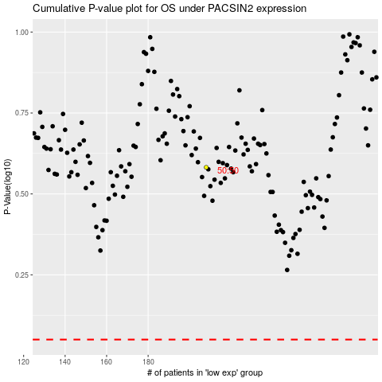

 |  |  |  |  |  | cases_OS | p_OS | rank | exp
 |  |  |  |  |  |  | cases_RFS | p_RFS | rank | exp

