PACSIN3 _multivariate
Reported by Tex Li-Hsing Chi. tex@gate.sinica.edu.tw 2019-08-17

Table 2. The clinicopathological features of HNSCC cohort and PACSIN3 expression. (Chi square test)
Cutoff at -0.472 (32.1%)
 |  | PACSIN3 expression |  | PACSIN3 expression |  | (Optimised)
 | Features | Low | (%) | High | (%) | Case no | P-value | Remark | Matthews
Gender | Female | 102 | 24.6 | 204 | 49.2 | 415 | 0.4119 | 0 | 0
2 | Male | 31 | 7.5 | 78 | 18.8
Age at diagnosis | <=65y | 97 | 23.4 | 177 | 42.7 | 415 | 0.0537 | 0 | 0
4 | >65y | 36 | 8.7 | 105 | 25.3
Clinical T Status | T1+T2 | 46 | 11.1 | 103 | 24.8 | 415 | 0.7837 | 0 | 0
6 | T3+T4 | 87 | 21 | 179 | 43.1
Clinical N Status | N0 | 64 | 15.4 | 152 | 36.6 | 415 | 0.3199 | 0 | 0
8 | N1-3 | 69 | 16.6 | 130 | 31.3
Clinical M Status | M0 | 131 | 31.6 | 281 | 67.7 | 415 | 0.2417 | 0 | 0
10 | M1 | 2 | 0.5 | 1 | 0.2
Clinical Stage | Stage I+II | 28 | 6.7 | 74 | 17.8 | 415 | 0.3061 | 0 | 0
12 | Stage III+IV | 105 | 25.3 | 208 | 50.1
Surgical Margin status | Negative | 106 | 25.5 | 212 | 51.1 | 415 | 0.3234 | 0 | 0
14 | Positive | 27 | 6.5 | 70 | 16.9
Tobacco Exposure | Low | 43 | 10.4 | 118 | 28.4 | 415 | 0.0673 | 0 | 0
16 | High | 90 | 21.7 | 164 | 39.5

Table 3. Univariate/Multivariate Cox's proportional hazards regression analyses on OS time of PACSIN3 gene expression in HNSCC

 |  | Univariate |  |  |  | Multivariate
 | Features | HR | CI95%(L) | CI95%(H) | P-value | HR | CI95%(L) | CI95%(H) | P-value
1 | Female | 1 |  |  |  | 1
Gender | Male | 1.157 | 0.843 | 1.587 | 0.367 | 1.205 | 0.862 | 1.686 | 0.275
11 | <=65y | 1 |  |  |  | 1
Age at diagnosis | >65y | 1.329 | 0.99 | 1.784 | 0.058 | 1.372 | 1.009 | 1.865 | 0.044
12 | T1+T2 | 1 |  |  |  | 1
Clinical T Status | T3+T4 | 1.409 | 1.028 | 1.931 | 0.033 | 2.134 | 1.129 | 4.036 | 0.02
13 | N0 | 1 |  |  |  | 1
Clinical N Status | N1-3 | 1.185 | 0.89 | 1.577 | 0.246 | 1.242 | 0.869 | 1.773 | 0.234
14 | M0 | 1 |  |  |  | 1
Clinical M Status | M1 | 4.097 | 1.009 | 16.644 | 0.049 | 9.853 | 2.147 | 45.209 | 0.003
15 | Stage I+II | 1 |  |  |  | 1
Clinical Stage | Stage III+IV | 1.245 | 0.882 | 1.759 | 0.213 | 0.527 | 0.245 | 1.132 | 0.1
16 | Negative | 1 |  |  |  | 1
Surgical Margin status | Positive | 1.591 | 1.155 | 2.191 | 0.004 | 1.588 | 1.146 | 2.2 | 0.005
17 | Low | 1 |  |  |  | 1
Tobacco Exposure | High | 1.364 | 1.008 | 1.844 | 0.044 | 1.478 | 1.071 | 2.039 | 0.017
18 | Low | 1 |  |  |  | 1
RNAseq(z-score) | High | 1.47 | 1.069 | 2.02 | 0.018 | 1.393 | 1.008 | 1.925 | 0.044

Table 4. Univariate/Multivariate Cox's proportional hazards regression analyses on RFS time of PACSIN3 gene expression in HNSCC

 |  | Univariate |  |  |  | Multivariate
 | Features | HR | CI95%(L) | CI95%(H) | P-value | HR | CI95%(L) | CI95%(H) | P-value
1 | Female | 1 |  |  |  | 1
Gender | Male | 1.157 | 0.843 | 1.587 | 0.367 | 1.205 | 0.862 | 1.686 | 0.275
11 | <=65y | 1 |  |  |  | 1
Age at diagnosis | >65y | 1.329 | 0.99 | 1.784 | 0.058 | 1.372 | 1.009 | 1.865 | 0.044
12 | T1+T2 | 1 |  |  |  | 1
Clinical T Status | T3+T4 | 1.409 | 1.028 | 1.931 | 0.033 | 2.134 | 1.129 | 4.036 | 0.02
13 | N0 | 1 |  |  |  | 1
Clinical N Status | N1-3 | 1.185 | 0.89 | 1.577 | 0.246 | 1.242 | 0.869 | 1.773 | 0.234
14 | M0 | 1 |  |  |  | 1
Clinical M Status | M1 | 4.097 | 1.009 | 16.644 | 0.049 | 9.853 | 2.147 | 45.209 | 0.003
15 | Stage I+II | 1 |  |  |  | 1
Clinical Stage | Stage III+IV | 1.245 | 0.882 | 1.759 | 0.213 | 0.527 | 0.245 | 1.132 | 0.1
16 | Negative | 1 |  |  |  | 1
Surgical Margin status | Positive | 1.591 | 1.155 | 2.191 | 0.004 | 1.588 | 1.146 | 2.2 | 0.005
17 | Low | 1 |  |  |  | 1
Tobacco Exposure | High | 1.364 | 1.008 | 1.844 | 0.044 | 1.478 | 1.071 | 2.039 | 0.017
18 | Low | 1 |  |  |  | 1
RNAseq(z-score) | High | 1.47 | 1.069 | 2.02 | 0.018 | 1.393 | 1.008 | 1.925 | 0.044

Kaplan-Meier survival estimate: Cutoff at -0.472 (32.1%)

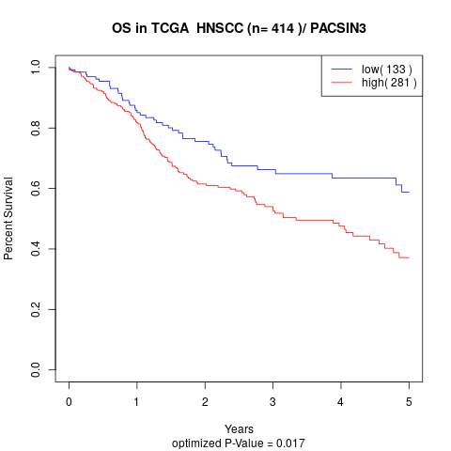

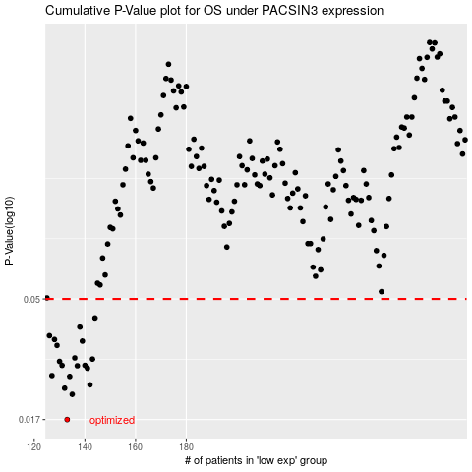

 |  |  |  |  |  | cases_OS | p_OS | rank | exp
 |  |  |  |  |  | 133 | 0.017 | 257 | -0.47163882291
 |  |  |  |  |  | 135 | 0.0213 | 133 | -0.46898133204
 |  |  |  |  |  | 132 | 0.0225 | 41 | -0.4811184448
 |  |  |  |  |  | 142 | 0.0232 | 74 | -0.44126031989
 |  |  |  |  |  | 134 | 0.025 | 317 | -0.47140391105
 |  |  |  |  |  | 127 | 0.0252 | 66 | -0.4890951555
 |  |  |  |  |  | 141 | 0.0269 | 336 | -0.44189744767
 |  |  |  |  |  | 137 | 0.0275 | 78 | -0.46139291208
 |  |  |  |  |  | 131 | 0.0276 | 83 | -0.48135799839
 |  |  |  |  |  | 140 | 0.0276 | 172 | -0.44647449537
 |  |  |  |  |  | 130 | 0.0286 | 391 | -0.48390580318
 |  |  |  |  |  | 143 | 0.0292 | 225 | -0.43630456763
 |  |  |  |  |  | 136 | 0.0295 | 98 | -0.46221338817
 |  |  |  |  |  | 129 | 0.033 | 330 | -0.48398945521
 |  |  |  |  |  | 139 | 0.0343 | 402 | -0.44686490516
 |  |  |  |  |  | 128 | 0.0348 | 81 | -0.48561537222
 |  |  |  |  |  | 126 | 0.036 | 63 | -0.49796771994
 |  |  |  |  |  | 138 | 0.0389 | 367 | -0.46011885832
 |  |  |  |  |  | 144 | 0.0422 | 223 | -0.43483122224
 |  |  |  |  |  |  | cases_RFS | p_RFS | rank | exp
 |  |  |  |  |  |  | 132 | 0.017 | 41 | -0.4811184448
 |  |  |  |  |  |  | 134 | 0.0213 | 317 | -0.47140391105
 |  |  |  |  |  |  | 131 | 0.0225 | 83 | -0.48135799839
 |  |  |  |  |  |  | 141 | 0.0232 | 336 | -0.44189744767
 |  |  |  |  |  |  | 133 | 0.025 | 257 | -0.47163882291
 |  |  |  |  |  |  | 126 | 0.0252 | 63 | -0.49796771994
 |  |  |  |  |  |  | 140 | 0.0269 | 172 | -0.44647449537
 |  |  |  |  |  |  | 136 | 0.0275 | 98 | -0.46221338817
 |  |  |  |  |  |  | 130 | 0.0276 | 391 | -0.48390580318
 |  |  |  |  |  |  | 139 | 0.0276 | 402 | -0.44686490516
 |  |  |  |  |  |  | 129 | 0.0286 | 330 | -0.48398945521
 |  |  |  |  |  |  | 142 | 0.0292 | 74 | -0.44126031989
 |  |  |  |  |  |  | 135 | 0.0295 | 133 | -0.46898133204
 |  |  |  |  |  |  | 128 | 0.033 | 81 | -0.48561537222
 |  |  |  |  |  |  | 138 | 0.0343 | 367 | -0.46011885832
 |  |  |  |  |  |  | 127 | 0.0348 | 66 | -0.4890951555
 |  |  |  |  |  |  | 125 | 0.036 | 403 | -0.50089564199
 |  |  |  |  |  |  | 137 | 0.0389 | 78 | -0.46139291208
 |  |  |  |  |  |  | 143 | 0.0422 | 225 | -0.43630456763

