PADI1 _multivariate
Reported by Tex Li-Hsing Chi. tex@gate.sinica.edu.tw 2019-08-17

Table 2. The clinicopathological features of HNSCC cohort and PADI1 expression. (Chi square test)
Cutoff at -0.219 (68.8%)
 |  | PADI1 expression |  | PADI1 expression |  | (Optimised)
 | Features | Low | (%) | High | (%) | Case no | P-value | Remark | Matthews
Gender | Female | 210 | 50.6 | 96 | 23.1 | 415 | 1 | 0 | 0
2 | Male | 75 | 18.1 | 34 | 8.2
Age at diagnosis | <=65y | 183 | 44.1 | 91 | 21.9 | 415 | 0.2968 | 0 | 0
4 | >65y | 102 | 24.6 | 39 | 9.4
Clinical T Status | T1+T2 | 106 | 25.5 | 43 | 10.4 | 415 | 0.4837 | 0 | 0
6 | T3+T4 | 179 | 43.1 | 87 | 21
Clinical N Status | N0 | 148 | 35.7 | 68 | 16.4 | 415 | 1 | 0 | 0
8 | N1-3 | 137 | 33 | 62 | 14.9
Clinical M Status | M0 | 282 | 68 | 130 | 31.3 | 415 | 0.5551 | 0 | 0
10 | M1 | 3 | 0.7 | 0 | 0
Clinical Stage | Stage I+II | 72 | 17.3 | 30 | 7.2 | 415 | 0.7212 | 0 | 0
12 | Stage III+IV | 213 | 51.3 | 100 | 24.1
Surgical Margin status | Negative | 222 | 53.5 | 96 | 23.1 | 415 | 0.3828 | 0 | 0
14 | Positive | 63 | 15.2 | 34 | 8.2
Tobacco Exposure | Low | 118 | 28.4 | 43 | 10.4 | 415 | 0.1283 | 0 | 0
16 | High | 167 | 40.2 | 87 | 21

Table 3. Univariate/Multivariate Cox's proportional hazards regression analyses on OS time of PADI1 gene expression in HNSCC

 |  | Univariate |  |  |  | Multivariate
 | Features | HR | CI95%(L) | CI95%(H) | P-value | HR | CI95%(L) | CI95%(H) | P-value
1 | Female | 1 |  |  |  | 1
Gender | Male | 1.157 | 0.843 | 1.587 | 0.367 | 1.213 | 0.865 | 1.7 | 0.262
11 | <=65y | 1 |  |  |  | 1
Age at diagnosis | >65y | 1.329 | 0.99 | 1.784 | 0.058 | 1.363 | 1 | 1.857 | 0.05
12 | T1+T2 | 1 |  |  |  | 1
Clinical T Status | T3+T4 | 1.409 | 1.028 | 1.931 | 0.033 | 2.213 | 1.171 | 4.18 | 0.014
13 | N0 | 1 |  |  |  | 1
Clinical N Status | N1-3 | 1.185 | 0.89 | 1.577 | 0.246 | 1.207 | 0.845 | 1.724 | 0.302
14 | M0 | 1 |  |  |  | 1
Clinical M Status | M1 | 4.097 | 1.009 | 16.644 | 0.049 | 8.57 | 1.868 | 39.328 | 0.006
15 | Stage I+II | 1 |  |  |  | 1
Clinical Stage | Stage III+IV | 1.245 | 0.882 | 1.759 | 0.213 | 0.524 | 0.244 | 1.125 | 0.097
16 | Negative | 1 |  |  |  | 1
Surgical Margin status | Positive | 1.591 | 1.155 | 2.191 | 0.004 | 1.671 | 1.21 | 2.307 | 0.002
17 | Low | 1 |  |  |  | 1
Tobacco Exposure | High | 1.364 | 1.008 | 1.844 | 0.044 | 1.508 | 1.092 | 2.083 | 0.013
18 | Low | 1 |  |  |  | 1
RNAseq(z-score) | High | 0.714 | 0.517 | 0.986 | 0.041 | 0.702 | 0.506 | 0.973 | 0.034

Table 4. Univariate/Multivariate Cox's proportional hazards regression analyses on RFS time of PADI1 gene expression in HNSCC

 |  | Univariate |  |  |  | Multivariate
 | Features | HR | CI95%(L) | CI95%(H) | P-value | HR | CI95%(L) | CI95%(H) | P-value
1 | Female | 1 |  |  |  | 1
Gender | Male | 1.157 | 0.843 | 1.587 | 0.367 | 1.213 | 0.865 | 1.7 | 0.262
11 | <=65y | 1 |  |  |  | 1
Age at diagnosis | >65y | 1.329 | 0.99 | 1.784 | 0.058 | 1.363 | 1 | 1.857 | 0.05
12 | T1+T2 | 1 |  |  |  | 1
Clinical T Status | T3+T4 | 1.409 | 1.028 | 1.931 | 0.033 | 2.213 | 1.171 | 4.18 | 0.014
13 | N0 | 1 |  |  |  | 1
Clinical N Status | N1-3 | 1.185 | 0.89 | 1.577 | 0.246 | 1.207 | 0.845 | 1.724 | 0.302
14 | M0 | 1 |  |  |  | 1
Clinical M Status | M1 | 4.097 | 1.009 | 16.644 | 0.049 | 8.57 | 1.868 | 39.328 | 0.006
15 | Stage I+II | 1 |  |  |  | 1
Clinical Stage | Stage III+IV | 1.245 | 0.882 | 1.759 | 0.213 | 0.524 | 0.244 | 1.125 | 0.097
16 | Negative | 1 |  |  |  | 1
Surgical Margin status | Positive | 1.591 | 1.155 | 2.191 | 0.004 | 1.671 | 1.21 | 2.307 | 0.002
17 | Low | 1 |  |  |  | 1
Tobacco Exposure | High | 1.364 | 1.008 | 1.844 | 0.044 | 1.508 | 1.092 | 2.083 | 0.013
18 | Low | 1 |  |  |  | 1
RNAseq(z-score) | High | 0.714 | 0.517 | 0.986 | 0.041 | 0.702 | 0.506 | 0.973 | 0.034

Kaplan-Meier survival estimate: Cutoff at -0.219 (68.8%)



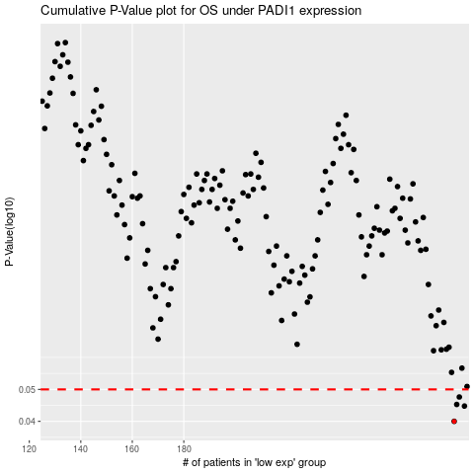

 |  |  |  |  |  | cases_OS | p_OS | rank | exp
 |  |  |  |  |  | 285 | 0.04 | 408 | -0.21856609418
 |  |  |  |  |  | 289 | 0.0445 | 11 | -0.21355085797
 |  |  |  |  |  | 286 | 0.045 | 81 | -0.21616619666
 |  |  |  |  |  | 287 | 0.0474 | 150 | -0.2151522308
 |  |  |  |  |  |  | cases_RFS | p_RFS | rank | exp
 |  |  |  |  |  |  | 284 | 0.04 | 43 | -0.22082558853
 |  |  |  |  |  |  | 288 | 0.0445 | 117 | -0.213679683
 |  |  |  |  |  |  | 285 | 0.045 | 408 | -0.21856609418
 |  |  |  |  |  |  | 286 | 0.0474 | 81 | -0.21616619666

