PADI2 _multivariate
Reported by Tex Li-Hsing Chi. tex@gate.sinica.edu.tw 2019-08-17

Table 2. The clinicopathological features of HNSCC cohort and PADI2 expression. (Chi square test)
Cutoff at -0.239 (50.0%)
 |  | PADI2 expression |  | PADI2 expression |  | (Optimised)
 | Features | Low | (%) | High | (%) | Case no | P-value | Remark | Matthews
Gender | Female | 157 | 37.8 | 149 | 35.9 | 415 | 0.3881 | 0 | 0
2 | Male | 50 | 12 | 59 | 14.2
Age at diagnosis | <=65y | 130 | 31.3 | 144 | 34.7 | 415 | 0.2009 | 0 | 0
4 | >65y | 77 | 18.6 | 64 | 15.4
Clinical T Status | T1+T2 | 59 | 14.2 | 90 | 21.7 | 415 | 0.0024 | 1 | 0
6 | T3+T4 | 148 | 35.7 | 118 | 28.4
Clinical N Status | N0 | 115 | 27.7 | 101 | 24.3 | 415 | 0.184 | 1 | 0
8 | N1-3 | 92 | 22.2 | 107 | 25.8
Clinical M Status | M0 | 204 | 49.2 | 208 | 50.1 | 415 | 0.1232 | 0 | 0
10 | M1 | 3 | 0.7 | 0 | 0
Clinical Stage | Stage I+II | 43 | 10.4 | 59 | 14.2 | 415 | 0.0925 | 0 | 0
12 | Stage III+IV | 164 | 39.5 | 149 | 35.9
Surgical Margin status | Negative | 155 | 37.3 | 163 | 39.3 | 415 | 0.4187 | 0 | 0
14 | Positive | 52 | 12.5 | 45 | 10.8
Tobacco Exposure | Low | 78 | 18.8 | 83 | 20 | 415 | 0.6873 | 0 | 0
16 | High | 129 | 31.1 | 125 | 30.1

Table 3. Univariate/Multivariate Cox's proportional hazards regression analyses on OS time of PADI2 gene expression in HNSCC

 |  | Univariate |  |  |  | Multivariate
 | Features | HR | CI95%(L) | CI95%(H) | P-value | HR | CI95%(L) | CI95%(H) | P-value
1 | Female | 1 |  |  |  | 1
Gender | Male | 1.157 | 0.843 | 1.587 | 0.367 | 1.203 | 0.862 | 1.68 | 0.277
11 | <=65y | 1 |  |  |  | 1
Age at diagnosis | >65y | 1.329 | 0.99 | 1.784 | 0.058 | 1.412 | 1.036 | 1.925 | 0.029
12 | T1+T2 | 1 |  |  |  | 1
Clinical T Status | T3+T4 | 1.409 | 1.028 | 1.931 | 0.033 | 2.25 | 1.187 | 4.263 | 0.013
13 | N0 | 1 |  |  |  | 1
Clinical N Status | N1-3 | 1.185 | 0.89 | 1.577 | 0.246 | 1.231 | 0.863 | 1.758 | 0.252
14 | M0 | 1 |  |  |  | 1
Clinical M Status | M1 | 4.097 | 1.009 | 16.644 | 0.049 | 10.251 | 2.207 | 47.627 | 0.003
15 | Stage I+II | 1 |  |  |  | 1
Clinical Stage | Stage III+IV | 1.245 | 0.882 | 1.759 | 0.213 | 0.5 | 0.233 | 1.074 | 0.076
16 | Negative | 1 |  |  |  | 1
Surgical Margin status | Positive | 1.591 | 1.155 | 2.191 | 0.004 | 1.672 | 1.211 | 2.31 | 0.002
17 | Low | 1 |  |  |  | 1
Tobacco Exposure | High | 1.364 | 1.008 | 1.844 | 0.044 | 1.459 | 1.059 | 2.011 | 0.021
18 | Low | 1 |  |  |  | 1
RNAseq(z-score) | High | 1.027 | 0.771 | 1.369 | 0.855 | 1.135 | 0.846 | 1.521 | 0.398

Table 4. Univariate/Multivariate Cox's proportional hazards regression analyses on RFS time of PADI2 gene expression in HNSCC

 |  | Univariate |  |  |  | Multivariate
 | Features | HR | CI95%(L) | CI95%(H) | P-value | HR | CI95%(L) | CI95%(H) | P-value
1 | Female | 1 |  |  |  | 1
Gender | Male | 1.157 | 0.843 | 1.587 | 0.367 | 1.203 | 0.862 | 1.68 | 0.277
11 | <=65y | 1 |  |  |  | 1
Age at diagnosis | >65y | 1.329 | 0.99 | 1.784 | 0.058 | 1.412 | 1.036 | 1.925 | 0.029
12 | T1+T2 | 1 |  |  |  | 1
Clinical T Status | T3+T4 | 1.409 | 1.028 | 1.931 | 0.033 | 2.25 | 1.187 | 4.263 | 0.013
13 | N0 | 1 |  |  |  | 1
Clinical N Status | N1-3 | 1.185 | 0.89 | 1.577 | 0.246 | 1.231 | 0.863 | 1.758 | 0.252
14 | M0 | 1 |  |  |  | 1
Clinical M Status | M1 | 4.097 | 1.009 | 16.644 | 0.049 | 10.251 | 2.207 | 47.627 | 0.003
15 | Stage I+II | 1 |  |  |  | 1
Clinical Stage | Stage III+IV | 1.245 | 0.882 | 1.759 | 0.213 | 0.5 | 0.233 | 1.074 | 0.076
16 | Negative | 1 |  |  |  | 1
Surgical Margin status | Positive | 1.591 | 1.155 | 2.191 | 0.004 | 1.672 | 1.211 | 2.31 | 0.002
17 | Low | 1 |  |  |  | 1
Tobacco Exposure | High | 1.364 | 1.008 | 1.844 | 0.044 | 1.459 | 1.059 | 2.011 | 0.021
18 | Low | 1 |  |  |  | 1
RNAseq(z-score) | High | 1.027 | 0.771 | 1.369 | 0.855 | 1.135 | 0.846 | 1.521 | 0.398

Kaplan-Meier survival estimate: Cutoff at -0.239 (50.0%)



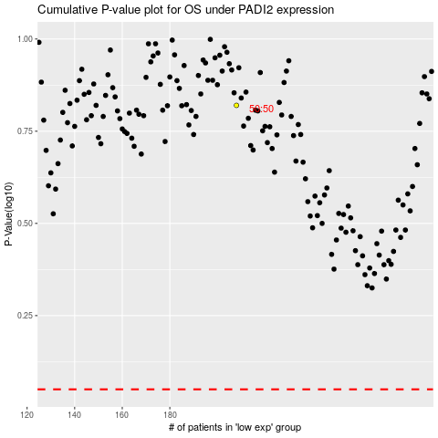

 |  |  |  |  |  | cases_OS | p_OS | rank | exp
 |  |  |  |  |  |  | cases_RFS | p_RFS | rank | exp

