PADI3 _multivariate
Reported by Tex Li-Hsing Chi. tex@gate.sinica.edu.tw 2019-08-17

Table 2. The clinicopathological features of HNSCC cohort and PADI3 expression. (Chi square test)
Cutoff at -0.382 (49.8%)
 |  | PADI3 expression |  | PADI3 expression |  | (Optimised)
 | Features | Low | (%) | High | (%) | Case no | P-value | Remark | Matthews
Gender | Female | 145 | 34.9 | 161 | 38.8 | 415 | 0.1116 | 0 | 0
2 | Male | 62 | 14.9 | 47 | 11.3
Age at diagnosis | <=65y | 133 | 32 | 141 | 34 | 415 | 0.5111 | 0 | 0
4 | >65y | 74 | 17.8 | 67 | 16.1
Clinical T Status | T1+T2 | 80 | 19.3 | 69 | 16.6 | 415 | 0.2891 | 0 | 0
6 | T3+T4 | 127 | 30.6 | 139 | 33.5
Clinical N Status | N0 | 108 | 26 | 108 | 26 | 415 | 1 | 0 | 0
8 | N1-3 | 99 | 23.9 | 100 | 24.1
Clinical M Status | M0 | 207 | 49.9 | 205 | 49.4 | 415 | 0.2482 | 0 | 0
10 | M1 | 0 | 0 | 3 | 0.7
Clinical Stage | Stage I+II | 54 | 13 | 48 | 11.6 | 415 | 0.5498 | 0 | 0
12 | Stage III+IV | 153 | 36.9 | 160 | 38.6
Surgical Margin status | Negative | 162 | 39 | 156 | 37.6 | 415 | 0.4867 | 0 | 0
14 | Positive | 45 | 10.8 | 52 | 12.5
Tobacco Exposure | Low | 96 | 23.1 | 65 | 15.7 | 415 | 0.0018 | 1 | 0
16 | High | 111 | 26.7 | 143 | 34.5

Table 3. Univariate/Multivariate Cox's proportional hazards regression analyses on OS time of PADI3 gene expression in HNSCC

 |  | Univariate |  |  |  | Multivariate
 | Features | HR | CI95%(L) | CI95%(H) | P-value | HR | CI95%(L) | CI95%(H) | P-value
1 | Female | 1 |  |  |  | 1
Gender | Male | 1.157 | 0.843 | 1.587 | 0.367 | 1.233 | 0.879 | 1.73 | 0.225
11 | <=65y | 1 |  |  |  | 1
Age at diagnosis | >65y | 1.329 | 0.99 | 1.784 | 0.058 | 1.393 | 1.025 | 1.893 | 0.034
12 | T1+T2 | 1 |  |  |  | 1
Clinical T Status | T3+T4 | 1.409 | 1.028 | 1.931 | 0.033 | 2.166 | 1.144 | 4.101 | 0.018
13 | N0 | 1 |  |  |  | 1
Clinical N Status | N1-3 | 1.185 | 0.89 | 1.577 | 0.246 | 1.242 | 0.871 | 1.772 | 0.231
14 | M0 | 1 |  |  |  | 1
Clinical M Status | M1 | 4.097 | 1.009 | 16.644 | 0.049 | 8.75 | 1.894 | 40.42 | 0.005
15 | Stage I+II | 1 |  |  |  | 1
Clinical Stage | Stage III+IV | 1.245 | 0.882 | 1.759 | 0.213 | 0.509 | 0.237 | 1.092 | 0.083
16 | Negative | 1 |  |  |  | 1
Surgical Margin status | Positive | 1.591 | 1.155 | 2.191 | 0.004 | 1.676 | 1.213 | 2.317 | 0.002
17 | Low | 1 |  |  |  | 1
Tobacco Exposure | High | 1.364 | 1.008 | 1.844 | 0.044 | 1.429 | 1.036 | 1.973 | 0.03
18 | Low | 1 |  |  |  | 1
RNAseq(z-score) | High | 1.182 | 0.887 | 1.575 | 0.253 | 1.147 | 0.851 | 1.545 | 0.367

Table 4. Univariate/Multivariate Cox's proportional hazards regression analyses on RFS time of PADI3 gene expression in HNSCC

 |  | Univariate |  |  |  | Multivariate
 | Features | HR | CI95%(L) | CI95%(H) | P-value | HR | CI95%(L) | CI95%(H) | P-value
1 | Female | 1 |  |  |  | 1
Gender | Male | 1.157 | 0.843 | 1.587 | 0.367 | 1.233 | 0.879 | 1.73 | 0.225
11 | <=65y | 1 |  |  |  | 1
Age at diagnosis | >65y | 1.329 | 0.99 | 1.784 | 0.058 | 1.393 | 1.025 | 1.893 | 0.034
12 | T1+T2 | 1 |  |  |  | 1
Clinical T Status | T3+T4 | 1.409 | 1.028 | 1.931 | 0.033 | 2.166 | 1.144 | 4.101 | 0.018
13 | N0 | 1 |  |  |  | 1
Clinical N Status | N1-3 | 1.185 | 0.89 | 1.577 | 0.246 | 1.242 | 0.871 | 1.772 | 0.231
14 | M0 | 1 |  |  |  | 1
Clinical M Status | M1 | 4.097 | 1.009 | 16.644 | 0.049 | 8.75 | 1.894 | 40.42 | 0.005
15 | Stage I+II | 1 |  |  |  | 1
Clinical Stage | Stage III+IV | 1.245 | 0.882 | 1.759 | 0.213 | 0.509 | 0.237 | 1.092 | 0.083
16 | Negative | 1 |  |  |  | 1
Surgical Margin status | Positive | 1.591 | 1.155 | 2.191 | 0.004 | 1.676 | 1.213 | 2.317 | 0.002
17 | Low | 1 |  |  |  | 1
Tobacco Exposure | High | 1.364 | 1.008 | 1.844 | 0.044 | 1.429 | 1.036 | 1.973 | 0.03
18 | Low | 1 |  |  |  | 1
RNAseq(z-score) | High | 1.182 | 0.887 | 1.575 | 0.253 | 1.147 | 0.851 | 1.545 | 0.367

Kaplan-Meier survival estimate: Cutoff at -0.382 (49.8%)



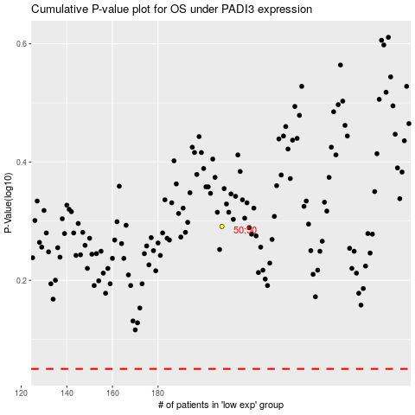

 |  |  |  |  |  | cases_OS | p_OS | rank | exp
 |  |  |  |  |  |  | cases_RFS | p_RFS | rank | exp

