PAFAH1B1 _multivariate
Reported by Tex Li-Hsing Chi. tex@gate.sinica.edu.tw 2019-08-17

Table 2. The clinicopathological features of HNSCC cohort and PAFAH1B1 expression. (Chi square test)
Cutoff at -0.037 (51.2%)
 |  | PAFAH1B1 expression |  | PAFAH1B1 expression |  | (Optimised)
 | Features | Low | (%) | High | (%) | Case no | P-value | Remark | Matthews
Gender | Female | 158 | 38.1 | 148 | 35.7 | 415 | 0.792 | 0 | 0
2 | Male | 54 | 13 | 55 | 13.3
Age at diagnosis | <=65y | 138 | 33.3 | 136 | 32.8 | 415 | 0.7604 | 0 | 0
4 | >65y | 74 | 17.8 | 67 | 16.1
Clinical T Status | T1+T2 | 74 | 17.8 | 75 | 18.1 | 415 | 0.7408 | 0 | 0
6 | T3+T4 | 138 | 33.3 | 128 | 30.8
Clinical N Status | N0 | 98 | 23.6 | 118 | 28.4 | 415 | 0.0199 | 1 | 0
8 | N1-3 | 114 | 27.5 | 85 | 20.5
Clinical M Status | M0 | 210 | 50.6 | 202 | 48.7 | 415 | 1 | 0 | 0
10 | M1 | 2 | 0.5 | 1 | 0.2
Clinical Stage | Stage I+II | 47 | 11.3 | 55 | 13.3 | 415 | 0.2935 | 0 | 0
12 | Stage III+IV | 165 | 39.8 | 148 | 35.7
Surgical Margin status | Negative | 152 | 36.6 | 166 | 40 | 415 | 0.02 | 1 | 0
14 | Positive | 60 | 14.5 | 37 | 8.9
Tobacco Exposure | Low | 77 | 18.6 | 84 | 20.2 | 415 | 0.3143 | 0 | 0
16 | High | 135 | 32.5 | 119 | 28.7

Table 3. Univariate/Multivariate Cox's proportional hazards regression analyses on OS time of PAFAH1B1 gene expression in HNSCC

 |  | Univariate |  |  |  | Multivariate
 | Features | HR | CI95%(L) | CI95%(H) | P-value | HR | CI95%(L) | CI95%(H) | P-value
1 | Female | 1 |  |  |  | 1
Gender | Male | 1.157 | 0.843 | 1.587 | 0.367 | 1.196 | 0.856 | 1.672 | 0.295
11 | <=65y | 1 |  |  |  | 1
Age at diagnosis | >65y | 1.329 | 0.99 | 1.784 | 0.058 | 1.373 | 1.009 | 1.868 | 0.044
12 | T1+T2 | 1 |  |  |  | 1
Clinical T Status | T3+T4 | 1.409 | 1.028 | 1.931 | 0.033 | 2.171 | 1.148 | 4.107 | 0.017
13 | N0 | 1 |  |  |  | 1
Clinical N Status | N1-3 | 1.185 | 0.89 | 1.577 | 0.246 | 1.211 | 0.847 | 1.733 | 0.293
14 | M0 | 1 |  |  |  | 1
Clinical M Status | M1 | 4.097 | 1.009 | 16.644 | 0.049 | 9.151 | 1.995 | 41.977 | 0.004
15 | Stage I+II | 1 |  |  |  | 1
Clinical Stage | Stage III+IV | 1.245 | 0.882 | 1.759 | 0.213 | 0.515 | 0.24 | 1.106 | 0.089
16 | Negative | 1 |  |  |  | 1
Surgical Margin status | Positive | 1.591 | 1.155 | 2.191 | 0.004 | 1.608 | 1.157 | 2.235 | 0.005
17 | Low | 1 |  |  |  | 1
Tobacco Exposure | High | 1.364 | 1.008 | 1.844 | 0.044 | 1.443 | 1.047 | 1.987 | 0.025
18 | Low | 1 |  |  |  | 1
RNAseq(z-score) | High | 0.735 | 0.551 | 0.981 | 0.036 | 0.838 | 0.623 | 1.127 | 0.242

Table 4. Univariate/Multivariate Cox's proportional hazards regression analyses on RFS time of PAFAH1B1 gene expression in HNSCC

 |  | Univariate |  |  |  | Multivariate
 | Features | HR | CI95%(L) | CI95%(H) | P-value | HR | CI95%(L) | CI95%(H) | P-value
1 | Female | 1 |  |  |  | 1
Gender | Male | 1.157 | 0.843 | 1.587 | 0.367 | 1.196 | 0.856 | 1.672 | 0.295
11 | <=65y | 1 |  |  |  | 1
Age at diagnosis | >65y | 1.329 | 0.99 | 1.784 | 0.058 | 1.373 | 1.009 | 1.868 | 0.044
12 | T1+T2 | 1 |  |  |  | 1
Clinical T Status | T3+T4 | 1.409 | 1.028 | 1.931 | 0.033 | 2.171 | 1.148 | 4.107 | 0.017
13 | N0 | 1 |  |  |  | 1
Clinical N Status | N1-3 | 1.185 | 0.89 | 1.577 | 0.246 | 1.211 | 0.847 | 1.733 | 0.293
14 | M0 | 1 |  |  |  | 1
Clinical M Status | M1 | 4.097 | 1.009 | 16.644 | 0.049 | 9.151 | 1.995 | 41.977 | 0.004
15 | Stage I+II | 1 |  |  |  | 1
Clinical Stage | Stage III+IV | 1.245 | 0.882 | 1.759 | 0.213 | 0.515 | 0.24 | 1.106 | 0.089
16 | Negative | 1 |  |  |  | 1
Surgical Margin status | Positive | 1.591 | 1.155 | 2.191 | 0.004 | 1.608 | 1.157 | 2.235 | 0.005
17 | Low | 1 |  |  |  | 1
Tobacco Exposure | High | 1.364 | 1.008 | 1.844 | 0.044 | 1.443 | 1.047 | 1.987 | 0.025
18 | Low | 1 |  |  |  | 1
RNAseq(z-score) | High | 0.735 | 0.551 | 0.981 | 0.036 | 0.838 | 0.623 | 1.127 | 0.242

Kaplan-Meier survival estimate: Cutoff at -0.037 (51.2%)



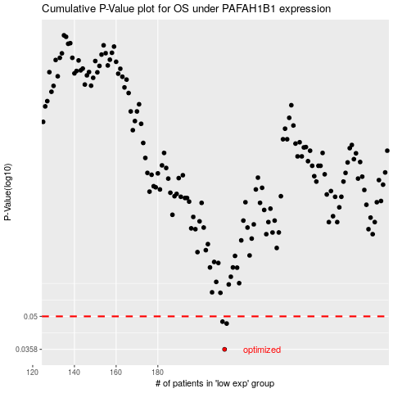

 |  |  |  |  |  | cases_OS | p_OS | rank | exp
 |  |  |  |  |  | 212 | 0.0358 | 282 | -0.036957286779
 |  |  |  |  |  | 213 | 0.0465 | 183 | -0.035468774299
 |  |  |  |  |  | 211 | 0.0474 | 69 | -0.03740744216
 |  |  |  |  |  |  | cases_RFS | p_RFS | rank | exp
 |  |  |  |  |  |  | 211 | 0.0358 | 69 | -0.03740744216
 |  |  |  |  |  |  | 212 | 0.0465 | 282 | -0.036957286779
 |  |  |  |  |  |  | 210 | 0.0474 | 148 | -0.040500804952

