PAFAH1B2 _multivariate
Reported by Tex Li-Hsing Chi. tex@gate.sinica.edu.tw 2019-08-17

Table 2. The clinicopathological features of HNSCC cohort and PAFAH1B2 expression. (Chi square test)
Cutoff at -0.051 (49.8%)
 |  | PAFAH1B2 expression |  | PAFAH1B2 expression |  | (Optimised)
 | Features | Low | (%) | High | (%) | Case no | P-value | Remark | Matthews
Gender | Female | 164 | 39.5 | 142 | 34.2 | 415 | 0.0153 | 1 | 0
2 | Male | 43 | 10.4 | 66 | 15.9
Age at diagnosis | <=65y | 138 | 33.3 | 136 | 32.8 | 415 | 0.8634 | 0 | 0
4 | >65y | 69 | 16.6 | 72 | 17.3
Clinical T Status | T1+T2 | 79 | 19 | 70 | 16.9 | 415 | 0.3924 | 0 | 0
6 | T3+T4 | 128 | 30.8 | 138 | 33.3
Clinical N Status | N0 | 98 | 23.6 | 118 | 28.4 | 415 | 0.0694 | 0 | 0
8 | N1-3 | 109 | 26.3 | 90 | 21.7
Clinical M Status | M0 | 204 | 49.2 | 208 | 50.1 | 415 | 0.1232 | 0 | 0
10 | M1 | 3 | 0.7 | 0 | 0
Clinical Stage | Stage I+II | 48 | 11.6 | 54 | 13 | 415 | 0.5878 | 0 | 0
12 | Stage III+IV | 159 | 38.3 | 154 | 37.1
Surgical Margin status | Negative | 153 | 36.9 | 165 | 39.8 | 415 | 0.2036 | 0 | 0
14 | Positive | 54 | 13 | 43 | 10.4
Tobacco Exposure | Low | 80 | 19.3 | 81 | 19.5 | 415 | 1 | 0 | 0
16 | High | 127 | 30.6 | 127 | 30.6

Table 3. Univariate/Multivariate Cox's proportional hazards regression analyses on OS time of PAFAH1B2 gene expression in HNSCC

 |  | Univariate |  |  |  | Multivariate
 | Features | HR | CI95%(L) | CI95%(H) | P-value | HR | CI95%(L) | CI95%(H) | P-value
1 | Female | 1 |  |  |  | 1
Gender | Male | 1.157 | 0.843 | 1.587 | 0.367 | 1.183 | 0.847 | 1.652 | 0.325
11 | <=65y | 1 |  |  |  | 1
Age at diagnosis | >65y | 1.329 | 0.99 | 1.784 | 0.058 | 1.419 | 1.043 | 1.93 | 0.026
12 | T1+T2 | 1 |  |  |  | 1
Clinical T Status | T3+T4 | 1.409 | 1.028 | 1.931 | 0.033 | 2.185 | 1.155 | 4.133 | 0.016
13 | N0 | 1 |  |  |  | 1
Clinical N Status | N1-3 | 1.185 | 0.89 | 1.577 | 0.246 | 1.274 | 0.892 | 1.821 | 0.183
14 | M0 | 1 |  |  |  | 1
Clinical M Status | M1 | 4.097 | 1.009 | 16.644 | 0.049 | 10.562 | 2.286 | 48.797 | 0.003
15 | Stage I+II | 1 |  |  |  | 1
Clinical Stage | Stage III+IV | 1.245 | 0.882 | 1.759 | 0.213 | 0.504 | 0.235 | 1.081 | 0.078
16 | Negative | 1 |  |  |  | 1
Surgical Margin status | Positive | 1.591 | 1.155 | 2.191 | 0.004 | 1.739 | 1.253 | 2.413 | 0.001
17 | Low | 1 |  |  |  | 1
Tobacco Exposure | High | 1.364 | 1.008 | 1.844 | 0.044 | 1.476 | 1.071 | 2.036 | 0.017
18 | Low | 1 |  |  |  | 1
RNAseq(z-score) | High | 1.149 | 0.862 | 1.531 | 0.344 | 1.278 | 0.95 | 1.719 | 0.106

Table 4. Univariate/Multivariate Cox's proportional hazards regression analyses on RFS time of PAFAH1B2 gene expression in HNSCC

 |  | Univariate |  |  |  | Multivariate
 | Features | HR | CI95%(L) | CI95%(H) | P-value | HR | CI95%(L) | CI95%(H) | P-value
1 | Female | 1 |  |  |  | 1
Gender | Male | 1.157 | 0.843 | 1.587 | 0.367 | 1.183 | 0.847 | 1.652 | 0.325
11 | <=65y | 1 |  |  |  | 1
Age at diagnosis | >65y | 1.329 | 0.99 | 1.784 | 0.058 | 1.419 | 1.043 | 1.93 | 0.026
12 | T1+T2 | 1 |  |  |  | 1
Clinical T Status | T3+T4 | 1.409 | 1.028 | 1.931 | 0.033 | 2.185 | 1.155 | 4.133 | 0.016
13 | N0 | 1 |  |  |  | 1
Clinical N Status | N1-3 | 1.185 | 0.89 | 1.577 | 0.246 | 1.274 | 0.892 | 1.821 | 0.183
14 | M0 | 1 |  |  |  | 1
Clinical M Status | M1 | 4.097 | 1.009 | 16.644 | 0.049 | 10.562 | 2.286 | 48.797 | 0.003
15 | Stage I+II | 1 |  |  |  | 1
Clinical Stage | Stage III+IV | 1.245 | 0.882 | 1.759 | 0.213 | 0.504 | 0.235 | 1.081 | 0.078
16 | Negative | 1 |  |  |  | 1
Surgical Margin status | Positive | 1.591 | 1.155 | 2.191 | 0.004 | 1.739 | 1.253 | 2.413 | 0.001
17 | Low | 1 |  |  |  | 1
Tobacco Exposure | High | 1.364 | 1.008 | 1.844 | 0.044 | 1.476 | 1.071 | 2.036 | 0.017
18 | Low | 1 |  |  |  | 1
RNAseq(z-score) | High | 1.149 | 0.862 | 1.531 | 0.344 | 1.278 | 0.95 | 1.719 | 0.106

Kaplan-Meier survival estimate: Cutoff at -0.051 (49.8%)



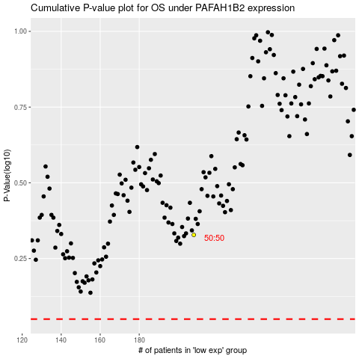

 |  |  |  |  |  | cases_OS | p_OS | rank | exp
 |  |  |  |  |  |  | cases_RFS | p_RFS | rank | exp

