PAFAH1B3 _multivariate
Reported by Tex Li-Hsing Chi. tex@gate.sinica.edu.tw 2019-08-17

Table 2. The clinicopathological features of HNSCC cohort and PAFAH1B3 expression. (Chi square test)
Cutoff at -0.282 (49.8%)
 |  | PAFAH1B3 expression |  | PAFAH1B3 expression |  | (Optimised)
 | Features | Low | (%) | High | (%) | Case no | P-value | Remark | Matthews
Gender | Female | 146 | 35.2 | 160 | 38.6 | 415 | 0.1714 | 0 | 0
2 | Male | 61 | 14.7 | 48 | 11.6
Age at diagnosis | <=65y | 132 | 31.8 | 142 | 34.2 | 415 | 0.3874 | 0 | 0
4 | >65y | 75 | 18.1 | 66 | 15.9
Clinical T Status | T1+T2 | 77 | 18.6 | 72 | 17.3 | 415 | 0.6556 | 0 | 0
6 | T3+T4 | 130 | 31.3 | 136 | 32.8
Clinical N Status | N0 | 116 | 28 | 100 | 24.1 | 415 | 0.1273 | 1 | 0
8 | N1-3 | 91 | 21.9 | 108 | 26
Clinical M Status | M0 | 205 | 49.4 | 207 | 49.9 | 415 | 0.6232 | 0 | 0
10 | M1 | 2 | 0.5 | 1 | 0.2
Clinical Stage | Stage I+II | 57 | 13.7 | 45 | 10.8 | 415 | 0.1998 | 0 | 0
12 | Stage III+IV | 150 | 36.1 | 163 | 39.3
Surgical Margin status | Negative | 164 | 39.5 | 154 | 37.1 | 415 | 0.2462 | 0 | 0
14 | Positive | 43 | 10.4 | 54 | 13
Tobacco Exposure | Low | 83 | 20 | 78 | 18.8 | 415 | 0.6152 | 0 | 0
16 | High | 124 | 29.9 | 130 | 31.3

Table 3. Univariate/Multivariate Cox's proportional hazards regression analyses on OS time of PAFAH1B3 gene expression in HNSCC

 |  | Univariate |  |  |  | Multivariate
 | Features | HR | CI95%(L) | CI95%(H) | P-value | HR | CI95%(L) | CI95%(H) | P-value
1 | Female | 1 |  |  |  | 1
Gender | Male | 1.157 | 0.843 | 1.587 | 0.367 | 1.202 | 0.862 | 1.676 | 0.279
11 | <=65y | 1 |  |  |  | 1
Age at diagnosis | >65y | 1.329 | 0.99 | 1.784 | 0.058 | 1.372 | 1.009 | 1.867 | 0.044
12 | T1+T2 | 1 |  |  |  | 1
Clinical T Status | T3+T4 | 1.409 | 1.028 | 1.931 | 0.033 | 2.161 | 1.142 | 4.087 | 0.018
13 | N0 | 1 |  |  |  | 1
Clinical N Status | N1-3 | 1.185 | 0.89 | 1.577 | 0.246 | 1.272 | 0.89 | 1.816 | 0.186
14 | M0 | 1 |  |  |  | 1
Clinical M Status | M1 | 4.097 | 1.009 | 16.644 | 0.049 | 8.896 | 1.938 | 40.826 | 0.005
15 | Stage I+II | 1 |  |  |  | 1
Clinical Stage | Stage III+IV | 1.245 | 0.882 | 1.759 | 0.213 | 0.518 | 0.241 | 1.112 | 0.092
16 | Negative | 1 |  |  |  | 1
Surgical Margin status | Positive | 1.591 | 1.155 | 2.191 | 0.004 | 1.705 | 1.233 | 2.358 | 0.001
17 | Low | 1 |  |  |  | 1
Tobacco Exposure | High | 1.364 | 1.008 | 1.844 | 0.044 | 1.473 | 1.068 | 2.031 | 0.018
18 | Low | 1 |  |  |  | 1
RNAseq(z-score) | High | 0.801 | 0.601 | 1.069 | 0.132 | 0.769 | 0.573 | 1.03 | 0.079

Table 4. Univariate/Multivariate Cox's proportional hazards regression analyses on RFS time of PAFAH1B3 gene expression in HNSCC

 |  | Univariate |  |  |  | Multivariate
 | Features | HR | CI95%(L) | CI95%(H) | P-value | HR | CI95%(L) | CI95%(H) | P-value
1 | Female | 1 |  |  |  | 1
Gender | Male | 1.157 | 0.843 | 1.587 | 0.367 | 1.202 | 0.862 | 1.676 | 0.279
11 | <=65y | 1 |  |  |  | 1
Age at diagnosis | >65y | 1.329 | 0.99 | 1.784 | 0.058 | 1.372 | 1.009 | 1.867 | 0.044
12 | T1+T2 | 1 |  |  |  | 1
Clinical T Status | T3+T4 | 1.409 | 1.028 | 1.931 | 0.033 | 2.161 | 1.142 | 4.087 | 0.018
13 | N0 | 1 |  |  |  | 1
Clinical N Status | N1-3 | 1.185 | 0.89 | 1.577 | 0.246 | 1.272 | 0.89 | 1.816 | 0.186
14 | M0 | 1 |  |  |  | 1
Clinical M Status | M1 | 4.097 | 1.009 | 16.644 | 0.049 | 8.896 | 1.938 | 40.826 | 0.005
15 | Stage I+II | 1 |  |  |  | 1
Clinical Stage | Stage III+IV | 1.245 | 0.882 | 1.759 | 0.213 | 0.518 | 0.241 | 1.112 | 0.092
16 | Negative | 1 |  |  |  | 1
Surgical Margin status | Positive | 1.591 | 1.155 | 2.191 | 0.004 | 1.705 | 1.233 | 2.358 | 0.001
17 | Low | 1 |  |  |  | 1
Tobacco Exposure | High | 1.364 | 1.008 | 1.844 | 0.044 | 1.473 | 1.068 | 2.031 | 0.018
18 | Low | 1 |  |  |  | 1
RNAseq(z-score) | High | 0.801 | 0.601 | 1.069 | 0.132 | 0.769 | 0.573 | 1.03 | 0.079

Kaplan-Meier survival estimate: Cutoff at -0.282 (49.8%)



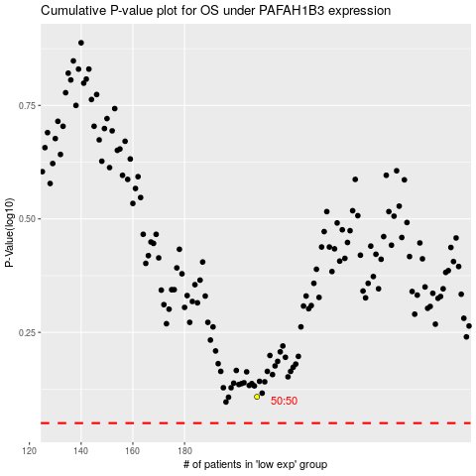

 |  |  |  |  |  | cases_OS | p_OS | rank | exp
 |  |  |  |  |  |  | cases_RFS | p_RFS | rank | exp

