PAIP2 _multivariate
Reported by Tex Li-Hsing Chi. tex@gate.sinica.edu.tw 2019-08-17

Table 2. The clinicopathological features of HNSCC cohort and PAIP2 expression. (Chi square test)
Cutoff at -0.218 (49.8%)
 |  | PAIP2 expression |  | PAIP2 expression |  | (Optimised)
 | Features | Low | (%) | High | (%) | Case no | P-value | Remark | Matthews
Gender | Female | 152 | 36.6 | 154 | 37.1 | 415 | 0.9766 | 0 | 0
2 | Male | 55 | 13.3 | 54 | 13
Age at diagnosis | <=65y | 130 | 31.3 | 144 | 34.7 | 415 | 0.2009 | 0 | 0
4 | >65y | 77 | 18.6 | 64 | 15.4
Clinical T Status | T1+T2 | 64 | 15.4 | 85 | 20.5 | 415 | 0.0445 | 1 | 0
6 | T3+T4 | 143 | 34.5 | 123 | 29.6
Clinical N Status | N0 | 114 | 27.5 | 102 | 24.6 | 415 | 0.2576 | 1 | 0
8 | N1-3 | 93 | 22.4 | 106 | 25.5
Clinical M Status | M0 | 207 | 49.9 | 205 | 49.4 | 415 | 0.2482 | 0 | 0
10 | M1 | 0 | 0 | 3 | 0.7
Clinical Stage | Stage I+II | 50 | 12 | 52 | 12.5 | 415 | 0.9315 | 0 | 0
12 | Stage III+IV | 157 | 37.8 | 156 | 37.6
Surgical Margin status | Negative | 165 | 39.8 | 153 | 36.9 | 415 | 0.1639 | 0 | 0
14 | Positive | 42 | 10.1 | 55 | 13.3
Tobacco Exposure | Low | 78 | 18.8 | 83 | 20 | 415 | 0.6873 | 0 | 0
16 | High | 129 | 31.1 | 125 | 30.1

Table 3. Univariate/Multivariate Cox's proportional hazards regression analyses on OS time of PAIP2 gene expression in HNSCC

 |  | Univariate |  |  |  | Multivariate
 | Features | HR | CI95%(L) | CI95%(H) | P-value | HR | CI95%(L) | CI95%(H) | P-value
1 | Female | 1 |  |  |  | 1
Gender | Male | 1.157 | 0.843 | 1.587 | 0.367 | 1.205 | 0.863 | 1.683 | 0.273
11 | <=65y | 1 |  |  |  | 1
Age at diagnosis | >65y | 1.329 | 0.99 | 1.784 | 0.058 | 1.399 | 1.029 | 1.902 | 0.032
12 | T1+T2 | 1 |  |  |  | 1
Clinical T Status | T3+T4 | 1.409 | 1.028 | 1.931 | 0.033 | 2.26 | 1.193 | 4.283 | 0.012
13 | N0 | 1 |  |  |  | 1
Clinical N Status | N1-3 | 1.185 | 0.89 | 1.577 | 0.246 | 1.237 | 0.867 | 1.763 | 0.241
14 | M0 | 1 |  |  |  | 1
Clinical M Status | M1 | 4.097 | 1.009 | 16.644 | 0.049 | 8.919 | 1.94 | 41.007 | 0.005
15 | Stage I+II | 1 |  |  |  | 1
Clinical Stage | Stage III+IV | 1.245 | 0.882 | 1.759 | 0.213 | 0.502 | 0.234 | 1.077 | 0.077
16 | Negative | 1 |  |  |  | 1
Surgical Margin status | Positive | 1.591 | 1.155 | 2.191 | 0.004 | 1.64 | 1.185 | 2.27 | 0.003
17 | Low | 1 |  |  |  | 1
Tobacco Exposure | High | 1.364 | 1.008 | 1.844 | 0.044 | 1.464 | 1.063 | 2.016 | 0.02
18 | Low | 1 |  |  |  | 1
RNAseq(z-score) | High | 1.129 | 0.847 | 1.504 | 0.408 | 1.168 | 0.871 | 1.567 | 0.298

Table 4. Univariate/Multivariate Cox's proportional hazards regression analyses on RFS time of PAIP2 gene expression in HNSCC

 |  | Univariate |  |  |  | Multivariate
 | Features | HR | CI95%(L) | CI95%(H) | P-value | HR | CI95%(L) | CI95%(H) | P-value
1 | Female | 1 |  |  |  | 1
Gender | Male | 1.157 | 0.843 | 1.587 | 0.367 | 1.205 | 0.863 | 1.683 | 0.273
11 | <=65y | 1 |  |  |  | 1
Age at diagnosis | >65y | 1.329 | 0.99 | 1.784 | 0.058 | 1.399 | 1.029 | 1.902 | 0.032
12 | T1+T2 | 1 |  |  |  | 1
Clinical T Status | T3+T4 | 1.409 | 1.028 | 1.931 | 0.033 | 2.26 | 1.193 | 4.283 | 0.012
13 | N0 | 1 |  |  |  | 1
Clinical N Status | N1-3 | 1.185 | 0.89 | 1.577 | 0.246 | 1.237 | 0.867 | 1.763 | 0.241
14 | M0 | 1 |  |  |  | 1
Clinical M Status | M1 | 4.097 | 1.009 | 16.644 | 0.049 | 8.919 | 1.94 | 41.007 | 0.005
15 | Stage I+II | 1 |  |  |  | 1
Clinical Stage | Stage III+IV | 1.245 | 0.882 | 1.759 | 0.213 | 0.502 | 0.234 | 1.077 | 0.077
16 | Negative | 1 |  |  |  | 1
Surgical Margin status | Positive | 1.591 | 1.155 | 2.191 | 0.004 | 1.64 | 1.185 | 2.27 | 0.003
17 | Low | 1 |  |  |  | 1
Tobacco Exposure | High | 1.364 | 1.008 | 1.844 | 0.044 | 1.464 | 1.063 | 2.016 | 0.02
18 | Low | 1 |  |  |  | 1
RNAseq(z-score) | High | 1.129 | 0.847 | 1.504 | 0.408 | 1.168 | 0.871 | 1.567 | 0.298

Kaplan-Meier survival estimate: Cutoff at -0.218 (49.8%)



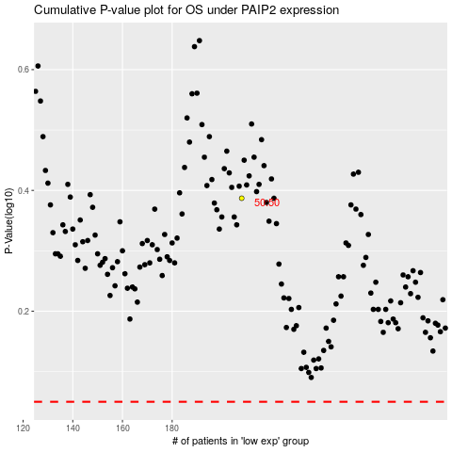

 |  |  |  |  |  | cases_OS | p_OS | rank | exp
 |  |  |  |  |  |  | cases_RFS | p_RFS | rank | exp

