PAIP2B _multivariate
Reported by Tex Li-Hsing Chi. tex@gate.sinica.edu.tw 2019-08-17

Table 2. The clinicopathological features of HNSCC cohort and PAIP2B expression. (Chi square test)
Cutoff at -0.234 (49.8%)
 |  | PAIP2B expression |  | PAIP2B expression |  | (Optimised)
 | Features | Low | (%) | High | (%) | Case no | P-value | Remark | Matthews
Gender | Female | 143 | 34.5 | 163 | 39.3 | 415 | 0.0416 | 1 | 0
2 | Male | 64 | 15.4 | 45 | 10.8
Age at diagnosis | <=65y | 129 | 31.1 | 145 | 34.9 | 415 | 0.1372 | 0 | 0
4 | >65y | 78 | 18.8 | 63 | 15.2
Clinical T Status | T1+T2 | 71 | 17.1 | 78 | 18.8 | 415 | 0.5638 | 0 | 0
6 | T3+T4 | 136 | 32.8 | 130 | 31.3
Clinical N Status | N0 | 105 | 25.3 | 111 | 26.7 | 415 | 0.6598 | 0 | 0
8 | N1-3 | 102 | 24.6 | 97 | 23.4
Clinical M Status | M0 | 204 | 49.2 | 208 | 50.1 | 415 | 0.1232 | 0 | 0
10 | M1 | 3 | 0.7 | 0 | 0
Clinical Stage | Stage I+II | 52 | 12.5 | 50 | 12 | 415 | 0.8871 | 0 | 0
12 | Stage III+IV | 155 | 37.3 | 158 | 38.1
Surgical Margin status | Negative | 160 | 38.6 | 158 | 38.1 | 415 | 0.8167 | 0 | 0
14 | Positive | 47 | 11.3 | 50 | 12
Tobacco Exposure | Low | 82 | 19.8 | 79 | 19 | 415 | 0.763 | 0 | 0
16 | High | 125 | 30.1 | 129 | 31.1

Table 3. Univariate/Multivariate Cox's proportional hazards regression analyses on OS time of PAIP2B gene expression in HNSCC

 |  | Univariate |  |  |  | Multivariate
 | Features | HR | CI95%(L) | CI95%(H) | P-value | HR | CI95%(L) | CI95%(H) | P-value
1 | Female | 1 |  |  |  | 1
Gender | Male | 1.157 | 0.843 | 1.587 | 0.367 | 1.173 | 0.838 | 1.641 | 0.353
11 | <=65y | 1 |  |  |  | 1
Age at diagnosis | >65y | 1.329 | 0.99 | 1.784 | 0.058 | 1.395 | 1.026 | 1.897 | 0.034
12 | T1+T2 | 1 |  |  |  | 1
Clinical T Status | T3+T4 | 1.409 | 1.028 | 1.931 | 0.033 | 2.155 | 1.139 | 4.077 | 0.018
13 | N0 | 1 |  |  |  | 1
Clinical N Status | N1-3 | 1.185 | 0.89 | 1.577 | 0.246 | 1.23 | 0.862 | 1.755 | 0.254
14 | M0 | 1 |  |  |  | 1
Clinical M Status | M1 | 4.097 | 1.009 | 16.644 | 0.049 | 8.291 | 1.792 | 38.362 | 0.007
15 | Stage I+II | 1 |  |  |  | 1
Clinical Stage | Stage III+IV | 1.245 | 0.882 | 1.759 | 0.213 | 0.529 | 0.246 | 1.14 | 0.104
16 | Negative | 1 |  |  |  | 1
Surgical Margin status | Positive | 1.591 | 1.155 | 2.191 | 0.004 | 1.667 | 1.207 | 2.302 | 0.002
17 | Low | 1 |  |  |  | 1
Tobacco Exposure | High | 1.364 | 1.008 | 1.844 | 0.044 | 1.446 | 1.049 | 1.992 | 0.024
18 | Low | 1 |  |  |  | 1
RNAseq(z-score) | High | 0.777 | 0.582 | 1.037 | 0.087 | 0.813 | 0.606 | 1.09 | 0.166

Table 4. Univariate/Multivariate Cox's proportional hazards regression analyses on RFS time of PAIP2B gene expression in HNSCC

 |  | Univariate |  |  |  | Multivariate
 | Features | HR | CI95%(L) | CI95%(H) | P-value | HR | CI95%(L) | CI95%(H) | P-value
1 | Female | 1 |  |  |  | 1
Gender | Male | 1.157 | 0.843 | 1.587 | 0.367 | 1.173 | 0.838 | 1.641 | 0.353
11 | <=65y | 1 |  |  |  | 1
Age at diagnosis | >65y | 1.329 | 0.99 | 1.784 | 0.058 | 1.395 | 1.026 | 1.897 | 0.034
12 | T1+T2 | 1 |  |  |  | 1
Clinical T Status | T3+T4 | 1.409 | 1.028 | 1.931 | 0.033 | 2.155 | 1.139 | 4.077 | 0.018
13 | N0 | 1 |  |  |  | 1
Clinical N Status | N1-3 | 1.185 | 0.89 | 1.577 | 0.246 | 1.23 | 0.862 | 1.755 | 0.254
14 | M0 | 1 |  |  |  | 1
Clinical M Status | M1 | 4.097 | 1.009 | 16.644 | 0.049 | 8.291 | 1.792 | 38.362 | 0.007
15 | Stage I+II | 1 |  |  |  | 1
Clinical Stage | Stage III+IV | 1.245 | 0.882 | 1.759 | 0.213 | 0.529 | 0.246 | 1.14 | 0.104
16 | Negative | 1 |  |  |  | 1
Surgical Margin status | Positive | 1.591 | 1.155 | 2.191 | 0.004 | 1.667 | 1.207 | 2.302 | 0.002
17 | Low | 1 |  |  |  | 1
Tobacco Exposure | High | 1.364 | 1.008 | 1.844 | 0.044 | 1.446 | 1.049 | 1.992 | 0.024
18 | Low | 1 |  |  |  | 1
RNAseq(z-score) | High | 0.777 | 0.582 | 1.037 | 0.087 | 0.813 | 0.606 | 1.09 | 0.166

Kaplan-Meier survival estimate: Cutoff at -0.234 (49.8%)



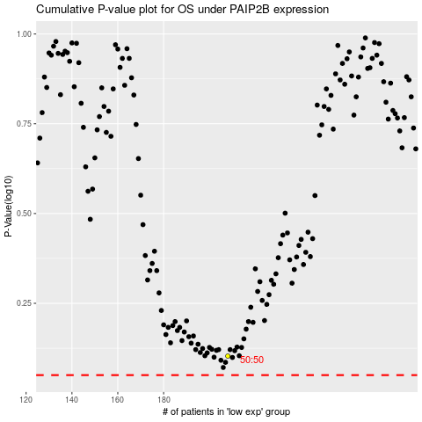

 |  |  |  |  |  | cases_OS | p_OS | rank | exp
 |  |  |  |  |  |  | cases_RFS | p_RFS | rank | exp

