PAK3 _multivariate
Reported by Tex Li-Hsing Chi. tex@gate.sinica.edu.tw 2019-08-17

Table 2. The clinicopathological features of HNSCC cohort and PAK3 expression. (Chi square test)
Cutoff at -0.317 (37.9%)
 |  | PAK3 expression |  | PAK3 expression |  | (Optimised)
 | Features | Low | (%) | High | (%) | Case no | P-value | Remark | Matthews
Gender | Female | 118 | 28.4 | 188 | 45.3 | 415 | 0.6897 | 0 | 0
2 | Male | 39 | 9.4 | 70 | 16.9
Age at diagnosis | <=65y | 100 | 24.1 | 174 | 41.9 | 415 | 0.4998 | 0 | 0
4 | >65y | 57 | 13.7 | 84 | 20.2
Clinical T Status | T1+T2 | 50 | 12 | 99 | 23.9 | 415 | 0.2156 | 0 | 0
6 | T3+T4 | 107 | 25.8 | 159 | 38.3
Clinical N Status | N0 | 87 | 21 | 129 | 31.1 | 415 | 0.3324 | 0 | 0
8 | N1-3 | 70 | 16.9 | 129 | 31.1
Clinical M Status | M0 | 154 | 37.1 | 258 | 62.2 | 415 | 0.0535 | 0 | 0
10 | M1 | 3 | 0.7 | 0 | 0
Clinical Stage | Stage I+II | 35 | 8.4 | 67 | 16.1 | 415 | 0.4679 | 0 | 0
12 | Stage III+IV | 122 | 29.4 | 191 | 46
Surgical Margin status | Negative | 121 | 29.2 | 197 | 47.5 | 415 | 0.9052 | 0 | 0
14 | Positive | 36 | 8.7 | 61 | 14.7
Tobacco Exposure | Low | 66 | 15.9 | 95 | 22.9 | 415 | 0.3006 | 0 | 0
16 | High | 91 | 21.9 | 163 | 39.3

Table 3. Univariate/Multivariate Cox's proportional hazards regression analyses on OS time of PAK3 gene expression in HNSCC

 |  | Univariate |  |  |  | Multivariate
 | Features | HR | CI95%(L) | CI95%(H) | P-value | HR | CI95%(L) | CI95%(H) | P-value
1 | Female | 1 |  |  |  | 1
Gender | Male | 1.157 | 0.843 | 1.587 | 0.367 | 1.196 | 0.857 | 1.67 | 0.292
11 | <=65y | 1 |  |  |  | 1
Age at diagnosis | >65y | 1.329 | 0.99 | 1.784 | 0.058 | 1.37 | 1.008 | 1.861 | 0.044
12 | T1+T2 | 1 |  |  |  | 1
Clinical T Status | T3+T4 | 1.409 | 1.028 | 1.931 | 0.033 | 2.161 | 1.143 | 4.085 | 0.018
13 | N0 | 1 |  |  |  | 1
Clinical N Status | N1-3 | 1.185 | 0.89 | 1.577 | 0.246 | 1.251 | 0.877 | 1.784 | 0.217
14 | M0 | 1 |  |  |  | 1
Clinical M Status | M1 | 4.097 | 1.009 | 16.644 | 0.049 | 7.89 | 1.702 | 36.579 | 0.008
15 | Stage I+II | 1 |  |  |  | 1
Clinical Stage | Stage III+IV | 1.245 | 0.882 | 1.759 | 0.213 | 0.498 | 0.232 | 1.067 | 0.073
16 | Negative | 1 |  |  |  | 1
Surgical Margin status | Positive | 1.591 | 1.155 | 2.191 | 0.004 | 1.691 | 1.223 | 2.337 | 0.001
17 | Low | 1 |  |  |  | 1
Tobacco Exposure | High | 1.364 | 1.008 | 1.844 | 0.044 | 1.443 | 1.048 | 1.987 | 0.025
18 | Low | 1 |  |  |  | 1
RNAseq(z-score) | High | 0.746 | 0.557 | 0.999 | 0.05 | 0.765 | 0.568 | 1.03 | 0.078

Table 4. Univariate/Multivariate Cox's proportional hazards regression analyses on RFS time of PAK3 gene expression in HNSCC

 |  | Univariate |  |  |  | Multivariate
 | Features | HR | CI95%(L) | CI95%(H) | P-value | HR | CI95%(L) | CI95%(H) | P-value
1 | Female | 1 |  |  |  | 1
Gender | Male | 1.157 | 0.843 | 1.587 | 0.367 | 1.196 | 0.857 | 1.67 | 0.292
11 | <=65y | 1 |  |  |  | 1
Age at diagnosis | >65y | 1.329 | 0.99 | 1.784 | 0.058 | 1.37 | 1.008 | 1.861 | 0.044
12 | T1+T2 | 1 |  |  |  | 1
Clinical T Status | T3+T4 | 1.409 | 1.028 | 1.931 | 0.033 | 2.161 | 1.143 | 4.085 | 0.018
13 | N0 | 1 |  |  |  | 1
Clinical N Status | N1-3 | 1.185 | 0.89 | 1.577 | 0.246 | 1.251 | 0.877 | 1.784 | 0.217
14 | M0 | 1 |  |  |  | 1
Clinical M Status | M1 | 4.097 | 1.009 | 16.644 | 0.049 | 7.89 | 1.702 | 36.579 | 0.008
15 | Stage I+II | 1 |  |  |  | 1
Clinical Stage | Stage III+IV | 1.245 | 0.882 | 1.759 | 0.213 | 0.498 | 0.232 | 1.067 | 0.073
16 | Negative | 1 |  |  |  | 1
Surgical Margin status | Positive | 1.591 | 1.155 | 2.191 | 0.004 | 1.691 | 1.223 | 2.337 | 0.001
17 | Low | 1 |  |  |  | 1
Tobacco Exposure | High | 1.364 | 1.008 | 1.844 | 0.044 | 1.443 | 1.048 | 1.987 | 0.025
18 | Low | 1 |  |  |  | 1
RNAseq(z-score) | High | 0.746 | 0.557 | 0.999 | 0.05 | 0.765 | 0.568 | 1.03 | 0.078

Kaplan-Meier survival estimate: Cutoff at -0.317 (37.9%)



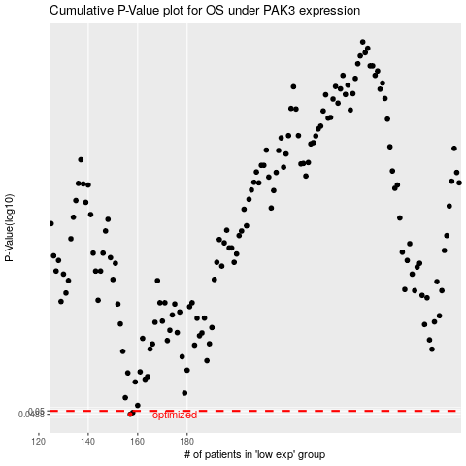

 |  |  |  |  |  | cases_OS | p_OS | rank | exp
 |  |  |  |  |  | 157 | 0.0488 | 179 | -0.31702164203
 |  |  |  |  |  | 158 | 0.0494 | 132 | -0.31558529226
 |  |  |  |  |  |  | cases_RFS | p_RFS | rank | exp
 |  |  |  |  |  |  | 156 | 0.0488 | 38 | -0.31824253934
 |  |  |  |  |  |  | 157 | 0.0494 | 179 | -0.31702164203

