PAK4 _multivariate
Reported by Tex Li-Hsing Chi. tex@gate.sinica.edu.tw 2019-08-17

Table 2. The clinicopathological features of HNSCC cohort and PAK4 expression. (Chi square test)
Cutoff at -0.1 (49.8%)
 |  | PAK4 expression |  | PAK4 expression |  | (Optimised)
 | Features | Low | (%) | High | (%) | Case no | P-value | Remark | Matthews
Gender | Female | 148 | 35.7 | 158 | 38.1 | 415 | 0.3567 | 0 | 0
2 | Male | 59 | 14.2 | 50 | 12
Age at diagnosis | <=65y | 141 | 34 | 133 | 32 | 415 | 0.4272 | 0 | 0
4 | >65y | 66 | 15.9 | 75 | 18.1
Clinical T Status | T1+T2 | 80 | 19.3 | 69 | 16.6 | 415 | 0.2891 | 0 | 0
6 | T3+T4 | 127 | 30.6 | 139 | 33.5
Clinical N Status | N0 | 111 | 26.7 | 105 | 25.3 | 415 | 0.5875 | 0 | 0
8 | N1-3 | 96 | 23.1 | 103 | 24.8
Clinical M Status | M0 | 206 | 49.6 | 206 | 49.6 | 415 | 1 | 0 | 0
10 | M1 | 1 | 0.2 | 2 | 0.5
Clinical Stage | Stage I+II | 56 | 13.5 | 46 | 11.1 | 415 | 0.2918 | 0 | 0
12 | Stage III+IV | 151 | 36.4 | 162 | 39
Surgical Margin status | Negative | 162 | 39 | 156 | 37.6 | 415 | 0.4867 | 0 | 0
14 | Positive | 45 | 10.8 | 52 | 12.5
Tobacco Exposure | Low | 88 | 21.2 | 73 | 17.6 | 415 | 0.1314 | 0 | 0
16 | High | 119 | 28.7 | 135 | 32.5

Table 3. Univariate/Multivariate Cox's proportional hazards regression analyses on OS time of PAK4 gene expression in HNSCC

 |  | Univariate |  |  |  | Multivariate
 | Features | HR | CI95%(L) | CI95%(H) | P-value | HR | CI95%(L) | CI95%(H) | P-value
1 | Female | 1 |  |  |  | 1
Gender | Male | 1.157 | 0.843 | 1.587 | 0.367 | 1.204 | 0.862 | 1.682 | 0.277
11 | <=65y | 1 |  |  |  | 1
Age at diagnosis | >65y | 1.329 | 0.99 | 1.784 | 0.058 | 1.389 | 1.021 | 1.888 | 0.036
12 | T1+T2 | 1 |  |  |  | 1
Clinical T Status | T3+T4 | 1.409 | 1.028 | 1.931 | 0.033 | 2.212 | 1.17 | 4.185 | 0.015
13 | N0 | 1 |  |  |  | 1
Clinical N Status | N1-3 | 1.185 | 0.89 | 1.577 | 0.246 | 1.241 | 0.869 | 1.771 | 0.234
14 | M0 | 1 |  |  |  | 1
Clinical M Status | M1 | 4.097 | 1.009 | 16.644 | 0.049 | 9.422 | 2.055 | 43.196 | 0.004
15 | Stage I+II | 1 |  |  |  | 1
Clinical Stage | Stage III+IV | 1.245 | 0.882 | 1.759 | 0.213 | 0.5 | 0.232 | 1.074 | 0.076
16 | Negative | 1 |  |  |  | 1
Surgical Margin status | Positive | 1.591 | 1.155 | 2.191 | 0.004 | 1.674 | 1.211 | 2.313 | 0.002
17 | Low | 1 |  |  |  | 1
Tobacco Exposure | High | 1.364 | 1.008 | 1.844 | 0.044 | 1.448 | 1.05 | 1.996 | 0.024
18 | Low | 1 |  |  |  | 1
RNAseq(z-score) | High | 1.082 | 0.808 | 1.449 | 0.596 | 1.057 | 0.787 | 1.418 | 0.713

Table 4. Univariate/Multivariate Cox's proportional hazards regression analyses on RFS time of PAK4 gene expression in HNSCC

 |  | Univariate |  |  |  | Multivariate
 | Features | HR | CI95%(L) | CI95%(H) | P-value | HR | CI95%(L) | CI95%(H) | P-value
1 | Female | 1 |  |  |  | 1
Gender | Male | 1.157 | 0.843 | 1.587 | 0.367 | 1.204 | 0.862 | 1.682 | 0.277
11 | <=65y | 1 |  |  |  | 1
Age at diagnosis | >65y | 1.329 | 0.99 | 1.784 | 0.058 | 1.389 | 1.021 | 1.888 | 0.036
12 | T1+T2 | 1 |  |  |  | 1
Clinical T Status | T3+T4 | 1.409 | 1.028 | 1.931 | 0.033 | 2.212 | 1.17 | 4.185 | 0.015
13 | N0 | 1 |  |  |  | 1
Clinical N Status | N1-3 | 1.185 | 0.89 | 1.577 | 0.246 | 1.241 | 0.869 | 1.771 | 0.234
14 | M0 | 1 |  |  |  | 1
Clinical M Status | M1 | 4.097 | 1.009 | 16.644 | 0.049 | 9.422 | 2.055 | 43.196 | 0.004
15 | Stage I+II | 1 |  |  |  | 1
Clinical Stage | Stage III+IV | 1.245 | 0.882 | 1.759 | 0.213 | 0.5 | 0.232 | 1.074 | 0.076
16 | Negative | 1 |  |  |  | 1
Surgical Margin status | Positive | 1.591 | 1.155 | 2.191 | 0.004 | 1.674 | 1.211 | 2.313 | 0.002
17 | Low | 1 |  |  |  | 1
Tobacco Exposure | High | 1.364 | 1.008 | 1.844 | 0.044 | 1.448 | 1.05 | 1.996 | 0.024
18 | Low | 1 |  |  |  | 1
RNAseq(z-score) | High | 1.082 | 0.808 | 1.449 | 0.596 | 1.057 | 0.787 | 1.418 | 0.713

Kaplan-Meier survival estimate: Cutoff at -0.1 (49.8%)



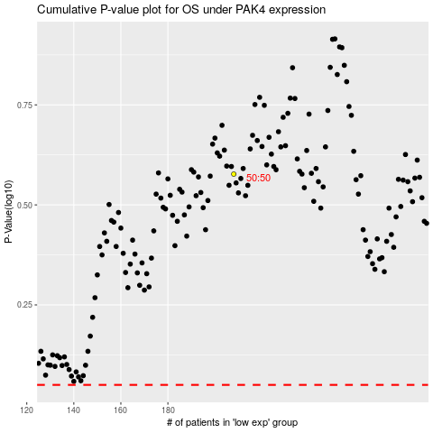

 |  |  |  |  |  | cases_OS | p_OS | rank | exp
 |  |  |  |  |  |  | cases_RFS | p_RFS | rank | exp

