PALLD _multivariate
Reported by Tex Li-Hsing Chi. tex@gate.sinica.edu.tw 2019-08-17

Table 2. The clinicopathological features of HNSCC cohort and PALLD expression. (Chi square test)
Cutoff at 0.008 (49.8%)
 |  | PALLD expression |  | PALLD expression |  | (Optimised)
 | Features | Low | (%) | High | (%) | Case no | P-value | Remark | Matthews
Gender | Female | 154 | 37.1 | 152 | 36.6 | 415 | 0.8463 | 0 | 0
2 | Male | 53 | 12.8 | 56 | 13.5
Age at diagnosis | <=65y | 140 | 33.7 | 134 | 32.3 | 415 | 0.5574 | 0 | 0
4 | >65y | 67 | 16.1 | 74 | 17.8
Clinical T Status | T1+T2 | 82 | 19.8 | 67 | 16.1 | 415 | 0.1417 | 0 | 0
6 | T3+T4 | 125 | 30.1 | 141 | 34
Clinical N Status | N0 | 94 | 22.7 | 122 | 29.4 | 415 | 0.0093 | 1 | 0
8 | N1-3 | 113 | 27.2 | 86 | 20.7
Clinical M Status | M0 | 204 | 49.2 | 208 | 50.1 | 415 | 0.1232 | 0 | 0
10 | M1 | 3 | 0.7 | 0 | 0
Clinical Stage | Stage I+II | 50 | 12 | 52 | 12.5 | 415 | 0.9315 | 0 | 0
12 | Stage III+IV | 157 | 37.8 | 156 | 37.6
Surgical Margin status | Negative | 150 | 36.1 | 168 | 40.5 | 415 | 0.0492 | 1 | 0
14 | Positive | 57 | 13.7 | 40 | 9.6
Tobacco Exposure | Low | 86 | 20.7 | 75 | 18.1 | 415 | 0.2687 | 0 | 0
16 | High | 121 | 29.2 | 133 | 32

Table 3. Univariate/Multivariate Cox's proportional hazards regression analyses on OS time of PALLD gene expression in HNSCC

 |  | Univariate |  |  |  | Multivariate
 | Features | HR | CI95%(L) | CI95%(H) | P-value | HR | CI95%(L) | CI95%(H) | P-value
1 | Female | 1 |  |  |  | 1
Gender | Male | 1.157 | 0.843 | 1.587 | 0.367 | 1.209 | 0.865 | 1.69 | 0.267
11 | <=65y | 1 |  |  |  | 1
Age at diagnosis | >65y | 1.329 | 0.99 | 1.784 | 0.058 | 1.393 | 1.025 | 1.894 | 0.034
12 | T1+T2 | 1 |  |  |  | 1
Clinical T Status | T3+T4 | 1.409 | 1.028 | 1.931 | 0.033 | 2.224 | 1.176 | 4.207 | 0.014
13 | N0 | 1 |  |  |  | 1
Clinical N Status | N1-3 | 1.185 | 0.89 | 1.577 | 0.246 | 1.208 | 0.843 | 1.73 | 0.303
14 | M0 | 1 |  |  |  | 1
Clinical M Status | M1 | 4.097 | 1.009 | 16.644 | 0.049 | 8.868 | 1.927 | 40.809 | 0.005
15 | Stage I+II | 1 |  |  |  | 1
Clinical Stage | Stage III+IV | 1.245 | 0.882 | 1.759 | 0.213 | 0.508 | 0.237 | 1.09 | 0.082
16 | Negative | 1 |  |  |  | 1
Surgical Margin status | Positive | 1.591 | 1.155 | 2.191 | 0.004 | 1.626 | 1.172 | 2.256 | 0.004
17 | Low | 1 |  |  |  | 1
Tobacco Exposure | High | 1.364 | 1.008 | 1.844 | 0.044 | 1.476 | 1.07 | 2.037 | 0.018
18 | Low | 1 |  |  |  | 1
RNAseq(z-score) | High | 0.833 | 0.625 | 1.11 | 0.212 | 0.856 | 0.635 | 1.153 | 0.307

Table 4. Univariate/Multivariate Cox's proportional hazards regression analyses on RFS time of PALLD gene expression in HNSCC

 |  | Univariate |  |  |  | Multivariate
 | Features | HR | CI95%(L) | CI95%(H) | P-value | HR | CI95%(L) | CI95%(H) | P-value
1 | Female | 1 |  |  |  | 1
Gender | Male | 1.157 | 0.843 | 1.587 | 0.367 | 1.209 | 0.865 | 1.69 | 0.267
11 | <=65y | 1 |  |  |  | 1
Age at diagnosis | >65y | 1.329 | 0.99 | 1.784 | 0.058 | 1.393 | 1.025 | 1.894 | 0.034
12 | T1+T2 | 1 |  |  |  | 1
Clinical T Status | T3+T4 | 1.409 | 1.028 | 1.931 | 0.033 | 2.224 | 1.176 | 4.207 | 0.014
13 | N0 | 1 |  |  |  | 1
Clinical N Status | N1-3 | 1.185 | 0.89 | 1.577 | 0.246 | 1.208 | 0.843 | 1.73 | 0.303
14 | M0 | 1 |  |  |  | 1
Clinical M Status | M1 | 4.097 | 1.009 | 16.644 | 0.049 | 8.868 | 1.927 | 40.809 | 0.005
15 | Stage I+II | 1 |  |  |  | 1
Clinical Stage | Stage III+IV | 1.245 | 0.882 | 1.759 | 0.213 | 0.508 | 0.237 | 1.09 | 0.082
16 | Negative | 1 |  |  |  | 1
Surgical Margin status | Positive | 1.591 | 1.155 | 2.191 | 0.004 | 1.626 | 1.172 | 2.256 | 0.004
17 | Low | 1 |  |  |  | 1
Tobacco Exposure | High | 1.364 | 1.008 | 1.844 | 0.044 | 1.476 | 1.07 | 2.037 | 0.018
18 | Low | 1 |  |  |  | 1
RNAseq(z-score) | High | 0.833 | 0.625 | 1.11 | 0.212 | 0.856 | 0.635 | 1.153 | 0.307

Kaplan-Meier survival estimate: Cutoff at 0.008 (49.8%)



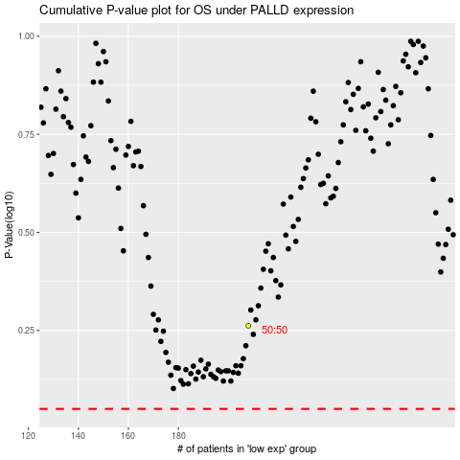

 |  |  |  |  |  | cases_OS | p_OS | rank | exp
 |  |  |  |  |  |  | cases_RFS | p_RFS | rank | exp

