PALM2 _multivariate
Reported by Tex Li-Hsing Chi. tex@gate.sinica.edu.tw 2019-08-17

Table 2. The clinicopathological features of HNSCC cohort and PALM2 expression. (Chi square test)
Cutoff at -0.292 (50.0%)
 |  | PALM2 expression |  | PALM2 expression |  | (Optimised)
 | Features | Low | (%) | High | (%) | Case no | P-value | Remark | Matthews
Gender | Female | 148 | 35.7 | 158 | 38.1 | 415 | 0.3567 | 0 | 0
2 | Male | 59 | 14.2 | 50 | 12
Age at diagnosis | <=65y | 135 | 32.5 | 139 | 33.5 | 415 | 0.8084 | 0 | 0
4 | >65y | 72 | 17.3 | 69 | 16.6
Clinical T Status | T1+T2 | 76 | 18.3 | 73 | 17.6 | 415 | 0.8092 | 0 | 0
6 | T3+T4 | 131 | 31.6 | 135 | 32.5
Clinical N Status | N0 | 109 | 26.3 | 107 | 25.8 | 415 | 0.8812 | 0 | 0
8 | N1-3 | 98 | 23.6 | 101 | 24.3
Clinical M Status | M0 | 204 | 49.2 | 208 | 50.1 | 415 | 0.1232 | 0 | 0
10 | M1 | 3 | 0.7 | 0 | 0
Clinical Stage | Stage I+II | 51 | 12.3 | 51 | 12.3 | 415 | 1 | 0 | 0
12 | Stage III+IV | 156 | 37.6 | 157 | 37.8
Surgical Margin status | Negative | 160 | 38.6 | 158 | 38.1 | 415 | 0.8167 | 0 | 0
14 | Positive | 47 | 11.3 | 50 | 12
Tobacco Exposure | Low | 93 | 22.4 | 68 | 16.4 | 415 | 0.0118 | 1 | 0
16 | High | 114 | 27.5 | 140 | 33.7

Table 3. Univariate/Multivariate Cox's proportional hazards regression analyses on OS time of PALM2 gene expression in HNSCC

 |  | Univariate |  |  |  | Multivariate
 | Features | HR | CI95%(L) | CI95%(H) | P-value | HR | CI95%(L) | CI95%(H) | P-value
1 | Female | 1 |  |  |  | 1
Gender | Male | 1.157 | 0.843 | 1.587 | 0.367 | 1.216 | 0.87 | 1.7 | 0.252
11 | <=65y | 1 |  |  |  | 1
Age at diagnosis | >65y | 1.329 | 0.99 | 1.784 | 0.058 | 1.384 | 1.018 | 1.881 | 0.038
12 | T1+T2 | 1 |  |  |  | 1
Clinical T Status | T3+T4 | 1.409 | 1.028 | 1.931 | 0.033 | 2.234 | 1.181 | 4.226 | 0.013
13 | N0 | 1 |  |  |  | 1
Clinical N Status | N1-3 | 1.185 | 0.89 | 1.577 | 0.246 | 1.237 | 0.866 | 1.766 | 0.242
14 | M0 | 1 |  |  |  | 1
Clinical M Status | M1 | 4.097 | 1.009 | 16.644 | 0.049 | 10.75 | 2.317 | 49.866 | 0.002
15 | Stage I+II | 1 |  |  |  | 1
Clinical Stage | Stage III+IV | 1.245 | 0.882 | 1.759 | 0.213 | 0.493 | 0.23 | 1.059 | 0.07
16 | Negative | 1 |  |  |  | 1
Surgical Margin status | Positive | 1.591 | 1.155 | 2.191 | 0.004 | 1.697 | 1.227 | 2.347 | 0.001
17 | Low | 1 |  |  |  | 1
Tobacco Exposure | High | 1.364 | 1.008 | 1.844 | 0.044 | 1.406 | 1.018 | 1.942 | 0.039
18 | Low | 1 |  |  |  | 1
RNAseq(z-score) | High | 1.235 | 0.926 | 1.648 | 0.15 | 1.243 | 0.925 | 1.67 | 0.149

Table 4. Univariate/Multivariate Cox's proportional hazards regression analyses on RFS time of PALM2 gene expression in HNSCC

 |  | Univariate |  |  |  | Multivariate
 | Features | HR | CI95%(L) | CI95%(H) | P-value | HR | CI95%(L) | CI95%(H) | P-value
1 | Female | 1 |  |  |  | 1
Gender | Male | 1.157 | 0.843 | 1.587 | 0.367 | 1.216 | 0.87 | 1.7 | 0.252
11 | <=65y | 1 |  |  |  | 1
Age at diagnosis | >65y | 1.329 | 0.99 | 1.784 | 0.058 | 1.384 | 1.018 | 1.881 | 0.038
12 | T1+T2 | 1 |  |  |  | 1
Clinical T Status | T3+T4 | 1.409 | 1.028 | 1.931 | 0.033 | 2.234 | 1.181 | 4.226 | 0.013
13 | N0 | 1 |  |  |  | 1
Clinical N Status | N1-3 | 1.185 | 0.89 | 1.577 | 0.246 | 1.237 | 0.866 | 1.766 | 0.242
14 | M0 | 1 |  |  |  | 1
Clinical M Status | M1 | 4.097 | 1.009 | 16.644 | 0.049 | 10.75 | 2.317 | 49.866 | 0.002
15 | Stage I+II | 1 |  |  |  | 1
Clinical Stage | Stage III+IV | 1.245 | 0.882 | 1.759 | 0.213 | 0.493 | 0.23 | 1.059 | 0.07
16 | Negative | 1 |  |  |  | 1
Surgical Margin status | Positive | 1.591 | 1.155 | 2.191 | 0.004 | 1.697 | 1.227 | 2.347 | 0.001
17 | Low | 1 |  |  |  | 1
Tobacco Exposure | High | 1.364 | 1.008 | 1.844 | 0.044 | 1.406 | 1.018 | 1.942 | 0.039
18 | Low | 1 |  |  |  | 1
RNAseq(z-score) | High | 1.235 | 0.926 | 1.648 | 0.15 | 1.243 | 0.925 | 1.67 | 0.149

Kaplan-Meier survival estimate: Cutoff at -0.292 (50.0%)



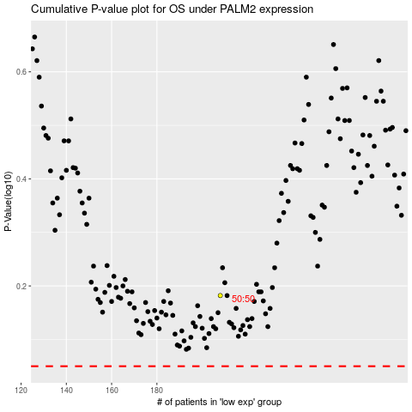

 |  |  |  |  |  | cases_OS | p_OS | rank | exp
 |  |  |  |  |  |  | cases_RFS | p_RFS | rank | exp

