PALM3 _multivariate
Reported by Tex Li-Hsing Chi. tex@gate.sinica.edu.tw 2019-08-17

Table 2. The clinicopathological features of HNSCC cohort and PALM3 expression. (Chi square test)
Cutoff at -0.209 (49.8%)
 |  | PALM3 expression |  | PALM3 expression |  | (Optimised)
 | Features | Low | (%) | High | (%) | Case no | P-value | Remark | Matthews
Gender | Female | 145 | 34.9 | 161 | 38.8 | 415 | 0.1116 | 0 | 0
2 | Male | 62 | 14.9 | 47 | 11.3
Age at diagnosis | <=65y | 131 | 31.6 | 143 | 34.5 | 415 | 0.2839 | 0 | 0
4 | >65y | 76 | 18.3 | 65 | 15.7
Clinical T Status | T1+T2 | 81 | 19.5 | 68 | 16.4 | 415 | 0.206 | 0 | 0
6 | T3+T4 | 126 | 30.4 | 140 | 33.7
Clinical N Status | N0 | 107 | 25.8 | 109 | 26.3 | 415 | 0.9624 | 0 | 0
8 | N1-3 | 100 | 24.1 | 99 | 23.9
Clinical M Status | M0 | 206 | 49.6 | 206 | 49.6 | 415 | 1 | 0 | 0
10 | M1 | 1 | 0.2 | 2 | 0.5
Clinical Stage | Stage I+II | 56 | 13.5 | 46 | 11.1 | 415 | 0.2918 | 0 | 0
12 | Stage III+IV | 151 | 36.4 | 162 | 39
Surgical Margin status | Negative | 162 | 39 | 156 | 37.6 | 415 | 0.4867 | 0 | 0
14 | Positive | 45 | 10.8 | 52 | 12.5
Tobacco Exposure | Low | 98 | 23.6 | 63 | 15.2 | 415 | 4e-04 | 1 | 0
16 | High | 109 | 26.3 | 145 | 34.9

Table 3. Univariate/Multivariate Cox's proportional hazards regression analyses on OS time of PALM3 gene expression in HNSCC

 |  | Univariate |  |  |  | Multivariate
 | Features | HR | CI95%(L) | CI95%(H) | P-value | HR | CI95%(L) | CI95%(H) | P-value
1 | Female | 1 |  |  |  | 1
Gender | Male | 1.157 | 0.843 | 1.587 | 0.367 | 1.198 | 0.857 | 1.676 | 0.29
11 | <=65y | 1 |  |  |  | 1
Age at diagnosis | >65y | 1.329 | 0.99 | 1.784 | 0.058 | 1.391 | 1.023 | 1.891 | 0.035
12 | T1+T2 | 1 |  |  |  | 1
Clinical T Status | T3+T4 | 1.409 | 1.028 | 1.931 | 0.033 | 2.206 | 1.166 | 4.172 | 0.015
13 | N0 | 1 |  |  |  | 1
Clinical N Status | N1-3 | 1.185 | 0.89 | 1.577 | 0.246 | 1.238 | 0.867 | 1.768 | 0.239
14 | M0 | 1 |  |  |  | 1
Clinical M Status | M1 | 4.097 | 1.009 | 16.644 | 0.049 | 9.497 | 2.066 | 43.663 | 0.004
15 | Stage I+II | 1 |  |  |  | 1
Clinical Stage | Stage III+IV | 1.245 | 0.882 | 1.759 | 0.213 | 0.506 | 0.236 | 1.087 | 0.081
16 | Negative | 1 |  |  |  | 1
Surgical Margin status | Positive | 1.591 | 1.155 | 2.191 | 0.004 | 1.675 | 1.212 | 2.317 | 0.002
17 | Low | 1 |  |  |  | 1
Tobacco Exposure | High | 1.364 | 1.008 | 1.844 | 0.044 | 1.458 | 1.056 | 2.013 | 0.022
18 | Low | 1 |  |  |  | 1
RNAseq(z-score) | High | 1.056 | 0.79 | 1.411 | 0.712 | 0.971 | 0.721 | 1.308 | 0.846

Table 4. Univariate/Multivariate Cox's proportional hazards regression analyses on RFS time of PALM3 gene expression in HNSCC

 |  | Univariate |  |  |  | Multivariate
 | Features | HR | CI95%(L) | CI95%(H) | P-value | HR | CI95%(L) | CI95%(H) | P-value
1 | Female | 1 |  |  |  | 1
Gender | Male | 1.157 | 0.843 | 1.587 | 0.367 | 1.198 | 0.857 | 1.676 | 0.29
11 | <=65y | 1 |  |  |  | 1
Age at diagnosis | >65y | 1.329 | 0.99 | 1.784 | 0.058 | 1.391 | 1.023 | 1.891 | 0.035
12 | T1+T2 | 1 |  |  |  | 1
Clinical T Status | T3+T4 | 1.409 | 1.028 | 1.931 | 0.033 | 2.206 | 1.166 | 4.172 | 0.015
13 | N0 | 1 |  |  |  | 1
Clinical N Status | N1-3 | 1.185 | 0.89 | 1.577 | 0.246 | 1.238 | 0.867 | 1.768 | 0.239
14 | M0 | 1 |  |  |  | 1
Clinical M Status | M1 | 4.097 | 1.009 | 16.644 | 0.049 | 9.497 | 2.066 | 43.663 | 0.004
15 | Stage I+II | 1 |  |  |  | 1
Clinical Stage | Stage III+IV | 1.245 | 0.882 | 1.759 | 0.213 | 0.506 | 0.236 | 1.087 | 0.081
16 | Negative | 1 |  |  |  | 1
Surgical Margin status | Positive | 1.591 | 1.155 | 2.191 | 0.004 | 1.675 | 1.212 | 2.317 | 0.002
17 | Low | 1 |  |  |  | 1
Tobacco Exposure | High | 1.364 | 1.008 | 1.844 | 0.044 | 1.458 | 1.056 | 2.013 | 0.022
18 | Low | 1 |  |  |  | 1
RNAseq(z-score) | High | 1.056 | 0.79 | 1.411 | 0.712 | 0.971 | 0.721 | 1.308 | 0.846

Kaplan-Meier survival estimate: Cutoff at -0.209 (49.8%)



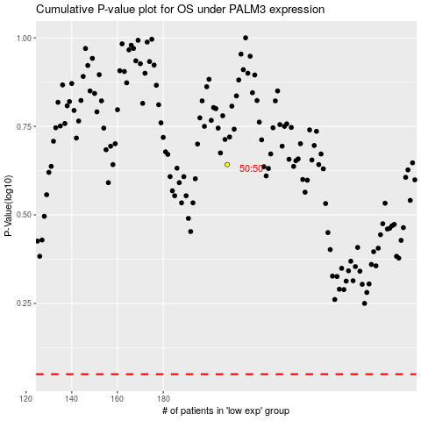

 |  |  |  |  |  | cases_OS | p_OS | rank | exp
 |  |  |  |  |  |  | cases_RFS | p_RFS | rank | exp

