PAN3 _multivariate
Reported by Tex Li-Hsing Chi. tex@gate.sinica.edu.tw 2019-08-17

Table 2. The clinicopathological features of HNSCC cohort and PAN3 expression. (Chi square test)
Cutoff at -0.151 (50.0%)
 |  | PAN3 expression |  | PAN3 expression |  | (Optimised)
 | Features | Low | (%) | High | (%) | Case no | P-value | Remark | Matthews
Gender | Female | 150 | 36.1 | 156 | 37.6 | 415 | 0.6344 | 0 | 0
2 | Male | 57 | 13.7 | 52 | 12.5
Age at diagnosis | <=65y | 140 | 33.7 | 134 | 32.3 | 415 | 0.5574 | 0 | 0
4 | >65y | 67 | 16.1 | 74 | 17.8
Clinical T Status | T1+T2 | 75 | 18.1 | 74 | 17.8 | 415 | 0.9707 | 0 | 0
6 | T3+T4 | 132 | 31.8 | 134 | 32.3
Clinical N Status | N0 | 109 | 26.3 | 107 | 25.8 | 415 | 0.8812 | 0 | 0
8 | N1-3 | 98 | 23.6 | 101 | 24.3
Clinical M Status | M0 | 205 | 49.4 | 207 | 49.9 | 415 | 0.6232 | 0 | 0
10 | M1 | 2 | 0.5 | 1 | 0.2
Clinical Stage | Stage I+II | 49 | 11.8 | 53 | 12.8 | 415 | 0.7535 | 0 | 0
12 | Stage III+IV | 158 | 38.1 | 155 | 37.3
Surgical Margin status | Negative | 165 | 39.8 | 153 | 36.9 | 415 | 0.1639 | 0 | 0
14 | Positive | 42 | 10.1 | 55 | 13.3
Tobacco Exposure | Low | 86 | 20.7 | 75 | 18.1 | 415 | 0.2687 | 0 | 0
16 | High | 121 | 29.2 | 133 | 32

Table 3. Univariate/Multivariate Cox's proportional hazards regression analyses on OS time of PAN3 gene expression in HNSCC

 |  | Univariate |  |  |  | Multivariate
 | Features | HR | CI95%(L) | CI95%(H) | P-value | HR | CI95%(L) | CI95%(H) | P-value
1 | Female | 1 |  |  |  | 1
Gender | Male | 1.157 | 0.843 | 1.587 | 0.367 | 1.223 | 0.874 | 1.71 | 0.24
11 | <=65y | 1 |  |  |  | 1
Age at diagnosis | >65y | 1.329 | 0.99 | 1.784 | 0.058 | 1.363 | 1.001 | 1.856 | 0.049
12 | T1+T2 | 1 |  |  |  | 1
Clinical T Status | T3+T4 | 1.409 | 1.028 | 1.931 | 0.033 | 2.223 | 1.175 | 4.207 | 0.014
13 | N0 | 1 |  |  |  | 1
Clinical N Status | N1-3 | 1.185 | 0.89 | 1.577 | 0.246 | 1.241 | 0.87 | 1.77 | 0.233
14 | M0 | 1 |  |  |  | 1
Clinical M Status | M1 | 4.097 | 1.009 | 16.644 | 0.049 | 10.134 | 2.201 | 46.659 | 0.003
15 | Stage I+II | 1 |  |  |  | 1
Clinical Stage | Stage III+IV | 1.245 | 0.882 | 1.759 | 0.213 | 0.502 | 0.234 | 1.078 | 0.077
16 | Negative | 1 |  |  |  | 1
Surgical Margin status | Positive | 1.591 | 1.155 | 2.191 | 0.004 | 1.648 | 1.191 | 2.281 | 0.003
17 | Low | 1 |  |  |  | 1
Tobacco Exposure | High | 1.364 | 1.008 | 1.844 | 0.044 | 1.462 | 1.06 | 2.015 | 0.02
18 | Low | 1 |  |  |  | 1
RNAseq(z-score) | High | 1.232 | 0.924 | 1.642 | 0.155 | 1.231 | 0.92 | 1.648 | 0.162

Table 4. Univariate/Multivariate Cox's proportional hazards regression analyses on RFS time of PAN3 gene expression in HNSCC

 |  | Univariate |  |  |  | Multivariate
 | Features | HR | CI95%(L) | CI95%(H) | P-value | HR | CI95%(L) | CI95%(H) | P-value
1 | Female | 1 |  |  |  | 1
Gender | Male | 1.157 | 0.843 | 1.587 | 0.367 | 1.223 | 0.874 | 1.71 | 0.24
11 | <=65y | 1 |  |  |  | 1
Age at diagnosis | >65y | 1.329 | 0.99 | 1.784 | 0.058 | 1.363 | 1.001 | 1.856 | 0.049
12 | T1+T2 | 1 |  |  |  | 1
Clinical T Status | T3+T4 | 1.409 | 1.028 | 1.931 | 0.033 | 2.223 | 1.175 | 4.207 | 0.014
13 | N0 | 1 |  |  |  | 1
Clinical N Status | N1-3 | 1.185 | 0.89 | 1.577 | 0.246 | 1.241 | 0.87 | 1.77 | 0.233
14 | M0 | 1 |  |  |  | 1
Clinical M Status | M1 | 4.097 | 1.009 | 16.644 | 0.049 | 10.134 | 2.201 | 46.659 | 0.003
15 | Stage I+II | 1 |  |  |  | 1
Clinical Stage | Stage III+IV | 1.245 | 0.882 | 1.759 | 0.213 | 0.502 | 0.234 | 1.078 | 0.077
16 | Negative | 1 |  |  |  | 1
Surgical Margin status | Positive | 1.591 | 1.155 | 2.191 | 0.004 | 1.648 | 1.191 | 2.281 | 0.003
17 | Low | 1 |  |  |  | 1
Tobacco Exposure | High | 1.364 | 1.008 | 1.844 | 0.044 | 1.462 | 1.06 | 2.015 | 0.02
18 | Low | 1 |  |  |  | 1
RNAseq(z-score) | High | 1.232 | 0.924 | 1.642 | 0.155 | 1.231 | 0.92 | 1.648 | 0.162

Kaplan-Meier survival estimate: Cutoff at -0.151 (50.0%)



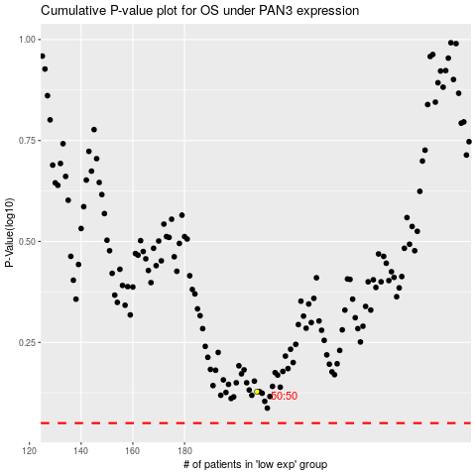

 |  |  |  |  |  | cases_OS | p_OS | rank | exp
 |  |  |  |  |  |  | cases_RFS | p_RFS | rank | exp

