PANK4 _multivariate
Reported by Tex Li-Hsing Chi. tex@gate.sinica.edu.tw 2019-08-17

Table 2. The clinicopathological features of HNSCC cohort and PANK4 expression. (Chi square test)
Cutoff at -0.136 (50.0%)
 |  | PANK4 expression |  | PANK4 expression |  | (Optimised)
 | Features | Low | (%) | High | (%) | Case no | P-value | Remark | Matthews
Gender | Female | 147 | 35.4 | 159 | 38.3 | 415 | 0.2523 | 0 | 0
2 | Male | 60 | 14.5 | 49 | 11.8
Age at diagnosis | <=65y | 127 | 30.6 | 147 | 35.4 | 415 | 0.0573 | 0 | 0
4 | >65y | 80 | 19.3 | 61 | 14.7
Clinical T Status | T1+T2 | 79 | 19 | 70 | 16.9 | 415 | 0.3924 | 0 | 0
6 | T3+T4 | 128 | 30.8 | 138 | 33.3
Clinical N Status | N0 | 117 | 28.2 | 99 | 23.9 | 415 | 0.0852 | 1 | 0
8 | N1-3 | 90 | 21.7 | 109 | 26.3
Clinical M Status | M0 | 206 | 49.6 | 206 | 49.6 | 415 | 1 | 0 | 0
10 | M1 | 1 | 0.2 | 2 | 0.5
Clinical Stage | Stage I+II | 58 | 14 | 44 | 10.6 | 415 | 0.131 | 0 | 0
12 | Stage III+IV | 149 | 35.9 | 164 | 39.5
Surgical Margin status | Negative | 161 | 38.8 | 157 | 37.8 | 415 | 0.6429 | 0 | 0
14 | Positive | 46 | 11.1 | 51 | 12.3
Tobacco Exposure | Low | 87 | 21 | 74 | 17.8 | 415 | 0.1911 | 0 | 0
16 | High | 120 | 28.9 | 134 | 32.3

Table 3. Univariate/Multivariate Cox's proportional hazards regression analyses on OS time of PANK4 gene expression in HNSCC

 |  | Univariate |  |  |  | Multivariate
 | Features | HR | CI95%(L) | CI95%(H) | P-value | HR | CI95%(L) | CI95%(H) | P-value
1 | Female | 1 |  |  |  | 1
Gender | Male | 1.157 | 0.843 | 1.587 | 0.367 | 1.215 | 0.867 | 1.702 | 0.259
11 | <=65y | 1 |  |  |  | 1
Age at diagnosis | >65y | 1.329 | 0.99 | 1.784 | 0.058 | 1.399 | 1.028 | 1.905 | 0.033
12 | T1+T2 | 1 |  |  |  | 1
Clinical T Status | T3+T4 | 1.409 | 1.028 | 1.931 | 0.033 | 2.214 | 1.171 | 4.189 | 0.015
13 | N0 | 1 |  |  |  | 1
Clinical N Status | N1-3 | 1.185 | 0.89 | 1.577 | 0.246 | 1.235 | 0.865 | 1.762 | 0.246
14 | M0 | 1 |  |  |  | 1
Clinical M Status | M1 | 4.097 | 1.009 | 16.644 | 0.049 | 9.468 | 2.065 | 43.419 | 0.004
15 | Stage I+II | 1 |  |  |  | 1
Clinical Stage | Stage III+IV | 1.245 | 0.882 | 1.759 | 0.213 | 0.501 | 0.233 | 1.076 | 0.076
16 | Negative | 1 |  |  |  | 1
Surgical Margin status | Positive | 1.591 | 1.155 | 2.191 | 0.004 | 1.669 | 1.208 | 2.307 | 0.002
17 | Low | 1 |  |  |  | 1
Tobacco Exposure | High | 1.364 | 1.008 | 1.844 | 0.044 | 1.453 | 1.055 | 2.002 | 0.022
18 | Low | 1 |  |  |  | 1
RNAseq(z-score) | High | 1.037 | 0.778 | 1.381 | 0.804 | 1.066 | 0.794 | 1.431 | 0.671

Table 4. Univariate/Multivariate Cox's proportional hazards regression analyses on RFS time of PANK4 gene expression in HNSCC

 |  | Univariate |  |  |  | Multivariate
 | Features | HR | CI95%(L) | CI95%(H) | P-value | HR | CI95%(L) | CI95%(H) | P-value
1 | Female | 1 |  |  |  | 1
Gender | Male | 1.157 | 0.843 | 1.587 | 0.367 | 1.215 | 0.867 | 1.702 | 0.259
11 | <=65y | 1 |  |  |  | 1
Age at diagnosis | >65y | 1.329 | 0.99 | 1.784 | 0.058 | 1.399 | 1.028 | 1.905 | 0.033
12 | T1+T2 | 1 |  |  |  | 1
Clinical T Status | T3+T4 | 1.409 | 1.028 | 1.931 | 0.033 | 2.214 | 1.171 | 4.189 | 0.015
13 | N0 | 1 |  |  |  | 1
Clinical N Status | N1-3 | 1.185 | 0.89 | 1.577 | 0.246 | 1.235 | 0.865 | 1.762 | 0.246
14 | M0 | 1 |  |  |  | 1
Clinical M Status | M1 | 4.097 | 1.009 | 16.644 | 0.049 | 9.468 | 2.065 | 43.419 | 0.004
15 | Stage I+II | 1 |  |  |  | 1
Clinical Stage | Stage III+IV | 1.245 | 0.882 | 1.759 | 0.213 | 0.501 | 0.233 | 1.076 | 0.076
16 | Negative | 1 |  |  |  | 1
Surgical Margin status | Positive | 1.591 | 1.155 | 2.191 | 0.004 | 1.669 | 1.208 | 2.307 | 0.002
17 | Low | 1 |  |  |  | 1
Tobacco Exposure | High | 1.364 | 1.008 | 1.844 | 0.044 | 1.453 | 1.055 | 2.002 | 0.022
18 | Low | 1 |  |  |  | 1
RNAseq(z-score) | High | 1.037 | 0.778 | 1.381 | 0.804 | 1.066 | 0.794 | 1.431 | 0.671

Kaplan-Meier survival estimate: Cutoff at -0.136 (50.0%)



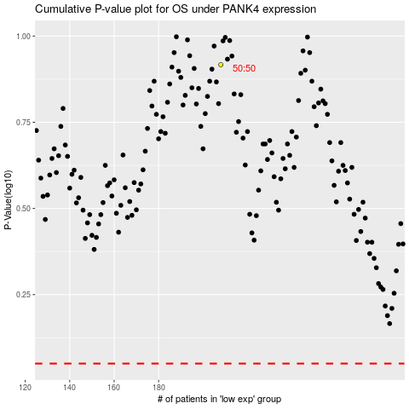

 |  |  |  |  |  | cases_OS | p_OS | rank | exp
 |  |  |  |  |  |  | cases_RFS | p_RFS | rank | exp

