PAPD4 _multivariate
Reported by Tex Li-Hsing Chi. tex@gate.sinica.edu.tw 2019-08-17

Table 2. The clinicopathological features of HNSCC cohort and PAPD4 expression. (Chi square test)
Cutoff at -0.119 (50.0%)
 |  | PAPD4 expression |  | PAPD4 expression |  | (Optimised)
 | Features | Low | (%) | High | (%) | Case no | P-value | Remark | Matthews
Gender | Female | 165 | 39.8 | 141 | 34 | 415 | 0.0081 | 1 | 0
2 | Male | 42 | 10.1 | 67 | 16.1
Age at diagnosis | <=65y | 144 | 34.7 | 130 | 31.3 | 415 | 0.1568 | 0 | 0
4 | >65y | 63 | 15.2 | 78 | 18.8
Clinical T Status | T1+T2 | 61 | 14.7 | 88 | 21.2 | 415 | 0.0087 | 1 | 0
6 | T3+T4 | 146 | 35.2 | 120 | 28.9
Clinical N Status | N0 | 106 | 25.5 | 110 | 26.5 | 415 | 0.8075 | 0 | 0
8 | N1-3 | 101 | 24.3 | 98 | 23.6
Clinical M Status | M0 | 205 | 49.4 | 207 | 49.9 | 415 | 0.6232 | 0 | 0
10 | M1 | 2 | 0.5 | 1 | 0.2
Clinical Stage | Stage I+II | 46 | 11.1 | 56 | 13.5 | 415 | 0.3182 | 0 | 0
12 | Stage III+IV | 161 | 38.8 | 152 | 36.6
Surgical Margin status | Negative | 159 | 38.3 | 159 | 38.3 | 415 | 1 | 0 | 0
14 | Positive | 48 | 11.6 | 49 | 11.8
Tobacco Exposure | Low | 71 | 17.1 | 90 | 21.7 | 415 | 0.0698 | 0 | 0
16 | High | 136 | 32.8 | 118 | 28.4

Table 3. Univariate/Multivariate Cox's proportional hazards regression analyses on OS time of PAPD4 gene expression in HNSCC

 |  | Univariate |  |  |  | Multivariate
 | Features | HR | CI95%(L) | CI95%(H) | P-value | HR | CI95%(L) | CI95%(H) | P-value
1 | Female | 1 |  |  |  | 1
Gender | Male | 1.157 | 0.843 | 1.587 | 0.367 | 1.214 | 0.868 | 1.699 | 0.258
11 | <=65y | 1 |  |  |  | 1
Age at diagnosis | >65y | 1.329 | 0.99 | 1.784 | 0.058 | 1.396 | 1.027 | 1.898 | 0.033
12 | T1+T2 | 1 |  |  |  | 1
Clinical T Status | T3+T4 | 1.409 | 1.028 | 1.931 | 0.033 | 2.122 | 1.112 | 4.049 | 0.023
13 | N0 | 1 |  |  |  | 1
Clinical N Status | N1-3 | 1.185 | 0.89 | 1.577 | 0.246 | 1.239 | 0.868 | 1.769 | 0.237
14 | M0 | 1 |  |  |  | 1
Clinical M Status | M1 | 4.097 | 1.009 | 16.644 | 0.049 | 8.893 | 1.923 | 41.118 | 0.005
15 | Stage I+II | 1 |  |  |  | 1
Clinical Stage | Stage III+IV | 1.245 | 0.882 | 1.759 | 0.213 | 0.515 | 0.239 | 1.107 | 0.089
16 | Negative | 1 |  |  |  | 1
Surgical Margin status | Positive | 1.591 | 1.155 | 2.191 | 0.004 | 1.678 | 1.214 | 2.319 | 0.002
17 | Low | 1 |  |  |  | 1
Tobacco Exposure | High | 1.364 | 1.008 | 1.844 | 0.044 | 1.446 | 1.049 | 1.994 | 0.024
18 | Low | 1 |  |  |  | 1
RNAseq(z-score) | High | 0.839 | 0.63 | 1.118 | 0.231 | 0.903 | 0.67 | 1.215 | 0.5

Table 4. Univariate/Multivariate Cox's proportional hazards regression analyses on RFS time of PAPD4 gene expression in HNSCC

 |  | Univariate |  |  |  | Multivariate
 | Features | HR | CI95%(L) | CI95%(H) | P-value | HR | CI95%(L) | CI95%(H) | P-value
1 | Female | 1 |  |  |  | 1
Gender | Male | 1.157 | 0.843 | 1.587 | 0.367 | 1.214 | 0.868 | 1.699 | 0.258
11 | <=65y | 1 |  |  |  | 1
Age at diagnosis | >65y | 1.329 | 0.99 | 1.784 | 0.058 | 1.396 | 1.027 | 1.898 | 0.033
12 | T1+T2 | 1 |  |  |  | 1
Clinical T Status | T3+T4 | 1.409 | 1.028 | 1.931 | 0.033 | 2.122 | 1.112 | 4.049 | 0.023
13 | N0 | 1 |  |  |  | 1
Clinical N Status | N1-3 | 1.185 | 0.89 | 1.577 | 0.246 | 1.239 | 0.868 | 1.769 | 0.237
14 | M0 | 1 |  |  |  | 1
Clinical M Status | M1 | 4.097 | 1.009 | 16.644 | 0.049 | 8.893 | 1.923 | 41.118 | 0.005
15 | Stage I+II | 1 |  |  |  | 1
Clinical Stage | Stage III+IV | 1.245 | 0.882 | 1.759 | 0.213 | 0.515 | 0.239 | 1.107 | 0.089
16 | Negative | 1 |  |  |  | 1
Surgical Margin status | Positive | 1.591 | 1.155 | 2.191 | 0.004 | 1.678 | 1.214 | 2.319 | 0.002
17 | Low | 1 |  |  |  | 1
Tobacco Exposure | High | 1.364 | 1.008 | 1.844 | 0.044 | 1.446 | 1.049 | 1.994 | 0.024
18 | Low | 1 |  |  |  | 1
RNAseq(z-score) | High | 0.839 | 0.63 | 1.118 | 0.231 | 0.903 | 0.67 | 1.215 | 0.5

Kaplan-Meier survival estimate: Cutoff at -0.119 (50.0%)



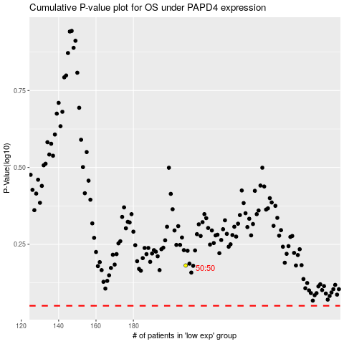

 |  |  |  |  |  | cases_OS | p_OS | rank | exp
 |  |  |  |  |  |  | cases_RFS | p_RFS | rank | exp

