PAPD7 _multivariate
Reported by Tex Li-Hsing Chi. tex@gate.sinica.edu.tw 2019-08-17

Table 2. The clinicopathological features of HNSCC cohort and PAPD7 expression. (Chi square test)
Cutoff at -0.156 (49.8%)
 |  | PAPD7 expression |  | PAPD7 expression |  | (Optimised)
 | Features | Low | (%) | High | (%) | Case no | P-value | Remark | Matthews
Gender | Female | 137 | 33 | 169 | 40.7 | 415 | 7e-04 | 1 | 0
2 | Male | 70 | 16.9 | 39 | 9.4
Age at diagnosis | <=65y | 123 | 29.6 | 151 | 36.4 | 415 | 0.0063 | 1 | 0
4 | >65y | 84 | 20.2 | 57 | 13.7
Clinical T Status | T1+T2 | 76 | 18.3 | 73 | 17.6 | 415 | 0.8092 | 0 | 0
6 | T3+T4 | 131 | 31.6 | 135 | 32.5
Clinical N Status | N0 | 114 | 27.5 | 102 | 24.6 | 415 | 0.2576 | 1 | 0
8 | N1-3 | 93 | 22.4 | 106 | 25.5
Clinical M Status | M0 | 206 | 49.6 | 206 | 49.6 | 415 | 1 | 0 | 0
10 | M1 | 1 | 0.2 | 2 | 0.5
Clinical Stage | Stage I+II | 54 | 13 | 48 | 11.6 | 415 | 0.5498 | 0 | 0
12 | Stage III+IV | 153 | 36.9 | 160 | 38.6
Surgical Margin status | Negative | 163 | 39.3 | 155 | 37.3 | 415 | 0.3537 | 0 | 0
14 | Positive | 44 | 10.6 | 53 | 12.8
Tobacco Exposure | Low | 100 | 24.1 | 61 | 14.7 | 415 | 1e-04 | 1 | 0
16 | High | 107 | 25.8 | 147 | 35.4

Table 3. Univariate/Multivariate Cox's proportional hazards regression analyses on OS time of PAPD7 gene expression in HNSCC

 |  | Univariate |  |  |  | Multivariate
 | Features | HR | CI95%(L) | CI95%(H) | P-value | HR | CI95%(L) | CI95%(H) | P-value
1 | Female | 1 |  |  |  | 1
Gender | Male | 1.157 | 0.843 | 1.587 | 0.367 | 1.174 | 0.838 | 1.643 | 0.351
11 | <=65y | 1 |  |  |  | 1
Age at diagnosis | >65y | 1.329 | 0.99 | 1.784 | 0.058 | 1.35 | 0.991 | 1.84 | 0.057
12 | T1+T2 | 1 |  |  |  | 1
Clinical T Status | T3+T4 | 1.409 | 1.028 | 1.931 | 0.033 | 2.233 | 1.18 | 4.223 | 0.014
13 | N0 | 1 |  |  |  | 1
Clinical N Status | N1-3 | 1.185 | 0.89 | 1.577 | 0.246 | 1.268 | 0.887 | 1.811 | 0.192
14 | M0 | 1 |  |  |  | 1
Clinical M Status | M1 | 4.097 | 1.009 | 16.644 | 0.049 | 9.609 | 2.096 | 44.06 | 0.004
15 | Stage I+II | 1 |  |  |  | 1
Clinical Stage | Stage III+IV | 1.245 | 0.882 | 1.759 | 0.213 | 0.493 | 0.23 | 1.06 | 0.07
16 | Negative | 1 |  |  |  | 1
Surgical Margin status | Positive | 1.591 | 1.155 | 2.191 | 0.004 | 1.714 | 1.238 | 2.372 | 0.001
17 | Low | 1 |  |  |  | 1
Tobacco Exposure | High | 1.364 | 1.008 | 1.844 | 0.044 | 1.509 | 1.09 | 2.09 | 0.013
18 | Low | 1 |  |  |  | 1
RNAseq(z-score) | High | 0.863 | 0.648 | 1.151 | 0.316 | 0.792 | 0.587 | 1.07 | 0.129

Table 4. Univariate/Multivariate Cox's proportional hazards regression analyses on RFS time of PAPD7 gene expression in HNSCC

 |  | Univariate |  |  |  | Multivariate
 | Features | HR | CI95%(L) | CI95%(H) | P-value | HR | CI95%(L) | CI95%(H) | P-value
1 | Female | 1 |  |  |  | 1
Gender | Male | 1.157 | 0.843 | 1.587 | 0.367 | 1.174 | 0.838 | 1.643 | 0.351
11 | <=65y | 1 |  |  |  | 1
Age at diagnosis | >65y | 1.329 | 0.99 | 1.784 | 0.058 | 1.35 | 0.991 | 1.84 | 0.057
12 | T1+T2 | 1 |  |  |  | 1
Clinical T Status | T3+T4 | 1.409 | 1.028 | 1.931 | 0.033 | 2.233 | 1.18 | 4.223 | 0.014
13 | N0 | 1 |  |  |  | 1
Clinical N Status | N1-3 | 1.185 | 0.89 | 1.577 | 0.246 | 1.268 | 0.887 | 1.811 | 0.192
14 | M0 | 1 |  |  |  | 1
Clinical M Status | M1 | 4.097 | 1.009 | 16.644 | 0.049 | 9.609 | 2.096 | 44.06 | 0.004
15 | Stage I+II | 1 |  |  |  | 1
Clinical Stage | Stage III+IV | 1.245 | 0.882 | 1.759 | 0.213 | 0.493 | 0.23 | 1.06 | 0.07
16 | Negative | 1 |  |  |  | 1
Surgical Margin status | Positive | 1.591 | 1.155 | 2.191 | 0.004 | 1.714 | 1.238 | 2.372 | 0.001
17 | Low | 1 |  |  |  | 1
Tobacco Exposure | High | 1.364 | 1.008 | 1.844 | 0.044 | 1.509 | 1.09 | 2.09 | 0.013
18 | Low | 1 |  |  |  | 1
RNAseq(z-score) | High | 0.863 | 0.648 | 1.151 | 0.316 | 0.792 | 0.587 | 1.07 | 0.129

Kaplan-Meier survival estimate: Cutoff at -0.156 (49.8%)



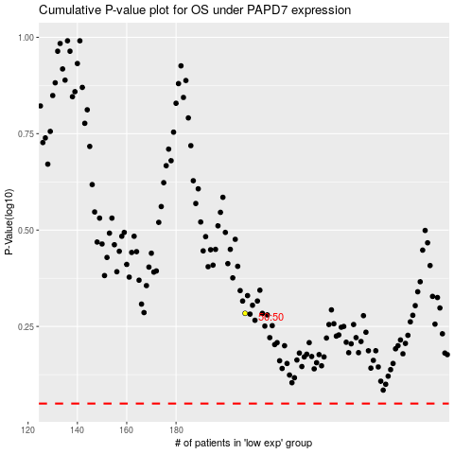

 |  |  |  |  |  | cases_OS | p_OS | rank | exp
 |  |  |  |  |  |  | cases_RFS | p_RFS | rank | exp

