PAPOLG _multivariate
Reported by Tex Li-Hsing Chi. tex@gate.sinica.edu.tw 2019-08-17

Table 2. The clinicopathological features of HNSCC cohort and PAPOLG expression. (Chi square test)
Cutoff at 0.005 (49.8%)
 |  | PAPOLG expression |  | PAPOLG expression |  | (Optimised)
 | Features | Low | (%) | High | (%) | Case no | P-value | Remark | Matthews
Gender | Female | 144 | 34.7 | 162 | 39 | 415 | 0.0697 | 0 | 0
2 | Male | 63 | 15.2 | 46 | 11.1
Age at diagnosis | <=65y | 140 | 33.7 | 134 | 32.3 | 415 | 0.5574 | 0 | 0
4 | >65y | 67 | 16.1 | 74 | 17.8
Clinical T Status | T1+T2 | 82 | 19.8 | 67 | 16.1 | 415 | 0.1417 | 0 | 0
6 | T3+T4 | 125 | 30.1 | 141 | 34
Clinical N Status | N0 | 106 | 25.5 | 110 | 26.5 | 415 | 0.8075 | 0 | 0
8 | N1-3 | 101 | 24.3 | 98 | 23.6
Clinical M Status | M0 | 204 | 49.2 | 208 | 50.1 | 415 | 0.1232 | 0 | 0
10 | M1 | 3 | 0.7 | 0 | 0
Clinical Stage | Stage I+II | 54 | 13 | 48 | 11.6 | 415 | 0.5498 | 0 | 0
12 | Stage III+IV | 153 | 36.9 | 160 | 38.6
Surgical Margin status | Negative | 163 | 39.3 | 155 | 37.3 | 415 | 0.3537 | 0 | 0
14 | Positive | 44 | 10.6 | 53 | 12.8
Tobacco Exposure | Low | 92 | 22.2 | 69 | 16.6 | 415 | 0.0206 | 1 | 0
16 | High | 115 | 27.7 | 139 | 33.5

Table 3. Univariate/Multivariate Cox's proportional hazards regression analyses on OS time of PAPOLG gene expression in HNSCC

 |  | Univariate |  |  |  | Multivariate
 | Features | HR | CI95%(L) | CI95%(H) | P-value | HR | CI95%(L) | CI95%(H) | P-value
1 | Female | 1 |  |  |  | 1
Gender | Male | 1.157 | 0.843 | 1.587 | 0.367 | 1.217 | 0.871 | 1.701 | 0.249
11 | <=65y | 1 |  |  |  | 1
Age at diagnosis | >65y | 1.329 | 0.99 | 1.784 | 0.058 | 1.397 | 1.027 | 1.899 | 0.033
12 | T1+T2 | 1 |  |  |  | 1
Clinical T Status | T3+T4 | 1.409 | 1.028 | 1.931 | 0.033 | 2.191 | 1.159 | 4.144 | 0.016
13 | N0 | 1 |  |  |  | 1
Clinical N Status | N1-3 | 1.185 | 0.89 | 1.577 | 0.246 | 1.253 | 0.877 | 1.789 | 0.215
14 | M0 | 1 |  |  |  | 1
Clinical M Status | M1 | 4.097 | 1.009 | 16.644 | 0.049 | 10.256 | 2.218 | 47.42 | 0.003
15 | Stage I+II | 1 |  |  |  | 1
Clinical Stage | Stage III+IV | 1.245 | 0.882 | 1.759 | 0.213 | 0.499 | 0.233 | 1.073 | 0.075
16 | Negative | 1 |  |  |  | 1
Surgical Margin status | Positive | 1.591 | 1.155 | 2.191 | 0.004 | 1.665 | 1.205 | 2.302 | 0.002
17 | Low | 1 |  |  |  | 1
Tobacco Exposure | High | 1.364 | 1.008 | 1.844 | 0.044 | 1.442 | 1.047 | 1.986 | 0.025
18 | Low | 1 |  |  |  | 1
RNAseq(z-score) | High | 1.173 | 0.88 | 1.564 | 0.277 | 1.179 | 0.879 | 1.58 | 0.272

Table 4. Univariate/Multivariate Cox's proportional hazards regression analyses on RFS time of PAPOLG gene expression in HNSCC

 |  | Univariate |  |  |  | Multivariate
 | Features | HR | CI95%(L) | CI95%(H) | P-value | HR | CI95%(L) | CI95%(H) | P-value
1 | Female | 1 |  |  |  | 1
Gender | Male | 1.157 | 0.843 | 1.587 | 0.367 | 1.217 | 0.871 | 1.701 | 0.249
11 | <=65y | 1 |  |  |  | 1
Age at diagnosis | >65y | 1.329 | 0.99 | 1.784 | 0.058 | 1.397 | 1.027 | 1.899 | 0.033
12 | T1+T2 | 1 |  |  |  | 1
Clinical T Status | T3+T4 | 1.409 | 1.028 | 1.931 | 0.033 | 2.191 | 1.159 | 4.144 | 0.016
13 | N0 | 1 |  |  |  | 1
Clinical N Status | N1-3 | 1.185 | 0.89 | 1.577 | 0.246 | 1.253 | 0.877 | 1.789 | 0.215
14 | M0 | 1 |  |  |  | 1
Clinical M Status | M1 | 4.097 | 1.009 | 16.644 | 0.049 | 10.256 | 2.218 | 47.42 | 0.003
15 | Stage I+II | 1 |  |  |  | 1
Clinical Stage | Stage III+IV | 1.245 | 0.882 | 1.759 | 0.213 | 0.499 | 0.233 | 1.073 | 0.075
16 | Negative | 1 |  |  |  | 1
Surgical Margin status | Positive | 1.591 | 1.155 | 2.191 | 0.004 | 1.665 | 1.205 | 2.302 | 0.002
17 | Low | 1 |  |  |  | 1
Tobacco Exposure | High | 1.364 | 1.008 | 1.844 | 0.044 | 1.442 | 1.047 | 1.986 | 0.025
18 | Low | 1 |  |  |  | 1
RNAseq(z-score) | High | 1.173 | 0.88 | 1.564 | 0.277 | 1.179 | 0.879 | 1.58 | 0.272

Kaplan-Meier survival estimate: Cutoff at 0.005 (49.8%)



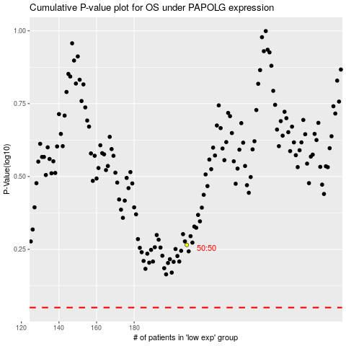

 |  |  |  |  |  | cases_OS | p_OS | rank | exp
 |  |  |  |  |  |  | cases_RFS | p_RFS | rank | exp

