PAPPA _multivariate
Reported by Tex Li-Hsing Chi. tex@gate.sinica.edu.tw 2019-08-17

Table 2. The clinicopathological features of HNSCC cohort and PAPPA expression. (Chi square test)
Cutoff at -0.252 (49.8%)
 |  | PAPPA expression |  | PAPPA expression |  | (Optimised)
 | Features | Low | (%) | High | (%) | Case no | P-value | Remark | Matthews
Gender | Female | 151 | 36.4 | 155 | 37.3 | 415 | 0.8007 | 0 | 0
2 | Male | 56 | 13.5 | 53 | 12.8
Age at diagnosis | <=65y | 140 | 33.7 | 134 | 32.3 | 415 | 0.5574 | 0 | 0
4 | >65y | 67 | 16.1 | 74 | 17.8
Clinical T Status | T1+T2 | 73 | 17.6 | 76 | 18.3 | 415 | 0.8666 | 0 | 0
6 | T3+T4 | 134 | 32.3 | 132 | 31.8
Clinical N Status | N0 | 102 | 24.6 | 114 | 27.5 | 415 | 0.3031 | 0 | 0
8 | N1-3 | 105 | 25.3 | 94 | 22.7
Clinical M Status | M0 | 204 | 49.2 | 208 | 50.1 | 415 | 0.1232 | 0 | 0
10 | M1 | 3 | 0.7 | 0 | 0
Clinical Stage | Stage I+II | 42 | 10.1 | 60 | 14.5 | 415 | 0.0561 | 0 | 0
12 | Stage III+IV | 165 | 39.8 | 148 | 35.7
Surgical Margin status | Negative | 151 | 36.4 | 167 | 40.2 | 415 | 0.0828 | 0 | 0
14 | Positive | 56 | 13.5 | 41 | 9.9
Tobacco Exposure | Low | 85 | 20.5 | 76 | 18.3 | 415 | 0.3655 | 0 | 0
16 | High | 122 | 29.4 | 132 | 31.8

Table 3. Univariate/Multivariate Cox's proportional hazards regression analyses on OS time of PAPPA gene expression in HNSCC

 |  | Univariate |  |  |  | Multivariate
 | Features | HR | CI95%(L) | CI95%(H) | P-value | HR | CI95%(L) | CI95%(H) | P-value
1 | Female | 1 |  |  |  | 1
Gender | Male | 1.157 | 0.843 | 1.587 | 0.367 | 1.209 | 0.865 | 1.69 | 0.266
11 | <=65y | 1 |  |  |  | 1
Age at diagnosis | >65y | 1.329 | 0.99 | 1.784 | 0.058 | 1.388 | 1.021 | 1.888 | 0.037
12 | T1+T2 | 1 |  |  |  | 1
Clinical T Status | T3+T4 | 1.409 | 1.028 | 1.931 | 0.033 | 2.189 | 1.157 | 4.14 | 0.016
13 | N0 | 1 |  |  |  | 1
Clinical N Status | N1-3 | 1.185 | 0.89 | 1.577 | 0.246 | 1.241 | 0.87 | 1.771 | 0.234
14 | M0 | 1 |  |  |  | 1
Clinical M Status | M1 | 4.097 | 1.009 | 16.644 | 0.049 | 9.781 | 2.121 | 45.115 | 0.003
15 | Stage I+II | 1 |  |  |  | 1
Clinical Stage | Stage III+IV | 1.245 | 0.882 | 1.759 | 0.213 | 0.513 | 0.238 | 1.102 | 0.087
16 | Negative | 1 |  |  |  | 1
Surgical Margin status | Positive | 1.591 | 1.155 | 2.191 | 0.004 | 1.69 | 1.22 | 2.341 | 0.002
17 | Low | 1 |  |  |  | 1
Tobacco Exposure | High | 1.364 | 1.008 | 1.844 | 0.044 | 1.452 | 1.054 | 2 | 0.023
18 | Low | 1 |  |  |  | 1
RNAseq(z-score) | High | 1.026 | 0.77 | 1.368 | 0.858 | 1.09 | 0.813 | 1.461 | 0.565

Table 4. Univariate/Multivariate Cox's proportional hazards regression analyses on RFS time of PAPPA gene expression in HNSCC

 |  | Univariate |  |  |  | Multivariate
 | Features | HR | CI95%(L) | CI95%(H) | P-value | HR | CI95%(L) | CI95%(H) | P-value
1 | Female | 1 |  |  |  | 1
Gender | Male | 1.157 | 0.843 | 1.587 | 0.367 | 1.209 | 0.865 | 1.69 | 0.266
11 | <=65y | 1 |  |  |  | 1
Age at diagnosis | >65y | 1.329 | 0.99 | 1.784 | 0.058 | 1.388 | 1.021 | 1.888 | 0.037
12 | T1+T2 | 1 |  |  |  | 1
Clinical T Status | T3+T4 | 1.409 | 1.028 | 1.931 | 0.033 | 2.189 | 1.157 | 4.14 | 0.016
13 | N0 | 1 |  |  |  | 1
Clinical N Status | N1-3 | 1.185 | 0.89 | 1.577 | 0.246 | 1.241 | 0.87 | 1.771 | 0.234
14 | M0 | 1 |  |  |  | 1
Clinical M Status | M1 | 4.097 | 1.009 | 16.644 | 0.049 | 9.781 | 2.121 | 45.115 | 0.003
15 | Stage I+II | 1 |  |  |  | 1
Clinical Stage | Stage III+IV | 1.245 | 0.882 | 1.759 | 0.213 | 0.513 | 0.238 | 1.102 | 0.087
16 | Negative | 1 |  |  |  | 1
Surgical Margin status | Positive | 1.591 | 1.155 | 2.191 | 0.004 | 1.69 | 1.22 | 2.341 | 0.002
17 | Low | 1 |  |  |  | 1
Tobacco Exposure | High | 1.364 | 1.008 | 1.844 | 0.044 | 1.452 | 1.054 | 2 | 0.023
18 | Low | 1 |  |  |  | 1
RNAseq(z-score) | High | 1.026 | 0.77 | 1.368 | 0.858 | 1.09 | 0.813 | 1.461 | 0.565

Kaplan-Meier survival estimate: Cutoff at -0.252 (49.8%)



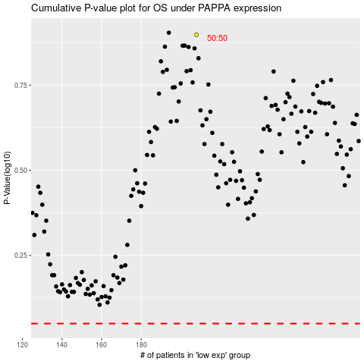

 |  |  |  |  |  | cases_OS | p_OS | rank | exp
 |  |  |  |  |  |  | cases_RFS | p_RFS | rank | exp

