PAPPA2 _multivariate
Reported by Tex Li-Hsing Chi. tex@gate.sinica.edu.tw 2019-08-17

Table 2. The clinicopathological features of HNSCC cohort and PAPPA2 expression. (Chi square test)
Cutoff at -0.182 (50.0%)
 |  | PAPPA2 expression |  | PAPPA2 expression |  | (Optimised)
 | Features | Low | (%) | High | (%) | Case no | P-value | Remark | Matthews
Gender | Female | 148 | 35.7 | 158 | 38.1 | 415 | 0.3567 | 0 | 0
2 | Male | 59 | 14.2 | 50 | 12
Age at diagnosis | <=65y | 138 | 33.3 | 136 | 32.8 | 415 | 0.8634 | 0 | 0
4 | >65y | 69 | 16.6 | 72 | 17.3
Clinical T Status | T1+T2 | 82 | 19.8 | 67 | 16.1 | 415 | 0.1417 | 0 | 0
6 | T3+T4 | 125 | 30.1 | 141 | 34
Clinical N Status | N0 | 105 | 25.3 | 111 | 26.7 | 415 | 0.6598 | 0 | 0
8 | N1-3 | 102 | 24.6 | 97 | 23.4
Clinical M Status | M0 | 204 | 49.2 | 208 | 50.1 | 415 | 0.1232 | 0 | 0
10 | M1 | 3 | 0.7 | 0 | 0
Clinical Stage | Stage I+II | 55 | 13.3 | 47 | 11.3 | 415 | 0.4087 | 0 | 0
12 | Stage III+IV | 152 | 36.6 | 161 | 38.8
Surgical Margin status | Negative | 161 | 38.8 | 157 | 37.8 | 415 | 0.6429 | 0 | 0
14 | Positive | 46 | 11.1 | 51 | 12.3
Tobacco Exposure | Low | 85 | 20.5 | 76 | 18.3 | 415 | 0.3655 | 0 | 0
16 | High | 122 | 29.4 | 132 | 31.8

Table 3. Univariate/Multivariate Cox's proportional hazards regression analyses on OS time of PAPPA2 gene expression in HNSCC

 |  | Univariate |  |  |  | Multivariate
 | Features | HR | CI95%(L) | CI95%(H) | P-value | HR | CI95%(L) | CI95%(H) | P-value
1 | Female | 1 |  |  |  | 1
Gender | Male | 1.157 | 0.843 | 1.587 | 0.367 | 1.227 | 0.877 | 1.717 | 0.232
11 | <=65y | 1 |  |  |  | 1
Age at diagnosis | >65y | 1.329 | 0.99 | 1.784 | 0.058 | 1.378 | 1.013 | 1.873 | 0.041
12 | T1+T2 | 1 |  |  |  | 1
Clinical T Status | T3+T4 | 1.409 | 1.028 | 1.931 | 0.033 | 2.164 | 1.144 | 4.094 | 0.018
13 | N0 | 1 |  |  |  | 1
Clinical N Status | N1-3 | 1.185 | 0.89 | 1.577 | 0.246 | 1.252 | 0.877 | 1.788 | 0.215
14 | M0 | 1 |  |  |  | 1
Clinical M Status | M1 | 4.097 | 1.009 | 16.644 | 0.049 | 10.171 | 2.204 | 46.931 | 0.003
15 | Stage I+II | 1 |  |  |  | 1
Clinical Stage | Stage III+IV | 1.245 | 0.882 | 1.759 | 0.213 | 0.497 | 0.232 | 1.067 | 0.073
16 | Negative | 1 |  |  |  | 1
Surgical Margin status | Positive | 1.591 | 1.155 | 2.191 | 0.004 | 1.659 | 1.2 | 2.292 | 0.002
17 | Low | 1 |  |  |  | 1
Tobacco Exposure | High | 1.364 | 1.008 | 1.844 | 0.044 | 1.444 | 1.049 | 1.989 | 0.024
18 | Low | 1 |  |  |  | 1
RNAseq(z-score) | High | 1.211 | 0.909 | 1.615 | 0.191 | 1.183 | 0.88 | 1.591 | 0.266

Table 4. Univariate/Multivariate Cox's proportional hazards regression analyses on RFS time of PAPPA2 gene expression in HNSCC

 |  | Univariate |  |  |  | Multivariate
 | Features | HR | CI95%(L) | CI95%(H) | P-value | HR | CI95%(L) | CI95%(H) | P-value
1 | Female | 1 |  |  |  | 1
Gender | Male | 1.157 | 0.843 | 1.587 | 0.367 | 1.227 | 0.877 | 1.717 | 0.232
11 | <=65y | 1 |  |  |  | 1
Age at diagnosis | >65y | 1.329 | 0.99 | 1.784 | 0.058 | 1.378 | 1.013 | 1.873 | 0.041
12 | T1+T2 | 1 |  |  |  | 1
Clinical T Status | T3+T4 | 1.409 | 1.028 | 1.931 | 0.033 | 2.164 | 1.144 | 4.094 | 0.018
13 | N0 | 1 |  |  |  | 1
Clinical N Status | N1-3 | 1.185 | 0.89 | 1.577 | 0.246 | 1.252 | 0.877 | 1.788 | 0.215
14 | M0 | 1 |  |  |  | 1
Clinical M Status | M1 | 4.097 | 1.009 | 16.644 | 0.049 | 10.171 | 2.204 | 46.931 | 0.003
15 | Stage I+II | 1 |  |  |  | 1
Clinical Stage | Stage III+IV | 1.245 | 0.882 | 1.759 | 0.213 | 0.497 | 0.232 | 1.067 | 0.073
16 | Negative | 1 |  |  |  | 1
Surgical Margin status | Positive | 1.591 | 1.155 | 2.191 | 0.004 | 1.659 | 1.2 | 2.292 | 0.002
17 | Low | 1 |  |  |  | 1
Tobacco Exposure | High | 1.364 | 1.008 | 1.844 | 0.044 | 1.444 | 1.049 | 1.989 | 0.024
18 | Low | 1 |  |  |  | 1
RNAseq(z-score) | High | 1.211 | 0.909 | 1.615 | 0.191 | 1.183 | 0.88 | 1.591 | 0.266

Kaplan-Meier survival estimate: Cutoff at -0.182 (50.0%)



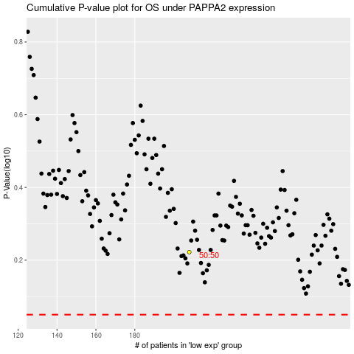

 |  |  |  |  |  | cases_OS | p_OS | rank | exp
 |  |  |  |  |  |  | cases_RFS | p_RFS | rank | exp

