PAPSS1 _multivariate
Reported by Tex Li-Hsing Chi. tex@gate.sinica.edu.tw 2019-08-17

Table 2. The clinicopathological features of HNSCC cohort and PAPSS1 expression. (Chi square test)
Cutoff at -0.185 (49.8%)
 |  | PAPSS1 expression |  | PAPSS1 expression |  | (Optimised)
 | Features | Low | (%) | High | (%) | Case no | P-value | Remark | Matthews
Gender | Female | 159 | 38.3 | 147 | 35.4 | 415 | 0.1905 | 0 | 0
2 | Male | 48 | 11.6 | 61 | 14.7
Age at diagnosis | <=65y | 140 | 33.7 | 134 | 32.3 | 415 | 0.5574 | 0 | 0
4 | >65y | 67 | 16.1 | 74 | 17.8
Clinical T Status | T1+T2 | 76 | 18.3 | 73 | 17.6 | 415 | 0.8092 | 0 | 0
6 | T3+T4 | 131 | 31.6 | 135 | 32.5
Clinical N Status | N0 | 105 | 25.3 | 111 | 26.7 | 415 | 0.6598 | 0 | 0
8 | N1-3 | 102 | 24.6 | 97 | 23.4
Clinical M Status | M0 | 204 | 49.2 | 208 | 50.1 | 415 | 0.1232 | 0 | 0
10 | M1 | 3 | 0.7 | 0 | 0
Clinical Stage | Stage I+II | 53 | 12.8 | 49 | 11.8 | 415 | 0.7113 | 0 | 0
12 | Stage III+IV | 154 | 37.1 | 159 | 38.3
Surgical Margin status | Negative | 157 | 37.8 | 161 | 38.8 | 415 | 0.729 | 0 | 0
14 | Positive | 50 | 12 | 47 | 11.3
Tobacco Exposure | Low | 78 | 18.8 | 83 | 20 | 415 | 0.6873 | 0 | 0
16 | High | 129 | 31.1 | 125 | 30.1

Table 3. Univariate/Multivariate Cox's proportional hazards regression analyses on OS time of PAPSS1 gene expression in HNSCC

 |  | Univariate |  |  |  | Multivariate
 | Features | HR | CI95%(L) | CI95%(H) | P-value | HR | CI95%(L) | CI95%(H) | P-value
1 | Female | 1 |  |  |  | 1
Gender | Male | 1.157 | 0.843 | 1.587 | 0.367 | 1.199 | 0.858 | 1.675 | 0.288
11 | <=65y | 1 |  |  |  | 1
Age at diagnosis | >65y | 1.329 | 0.99 | 1.784 | 0.058 | 1.397 | 1.027 | 1.9 | 0.033
12 | T1+T2 | 1 |  |  |  | 1
Clinical T Status | T3+T4 | 1.409 | 1.028 | 1.931 | 0.033 | 2.218 | 1.171 | 4.2 | 0.014
13 | N0 | 1 |  |  |  | 1
Clinical N Status | N1-3 | 1.185 | 0.89 | 1.577 | 0.246 | 1.243 | 0.871 | 1.774 | 0.23
14 | M0 | 1 |  |  |  | 1
Clinical M Status | M1 | 4.097 | 1.009 | 16.644 | 0.049 | 9.704 | 2.093 | 44.995 | 0.004
15 | Stage I+II | 1 |  |  |  | 1
Clinical Stage | Stage III+IV | 1.245 | 0.882 | 1.759 | 0.213 | 0.5 | 0.232 | 1.075 | 0.076
16 | Negative | 1 |  |  |  | 1
Surgical Margin status | Positive | 1.591 | 1.155 | 2.191 | 0.004 | 1.679 | 1.214 | 2.322 | 0.002
17 | Low | 1 |  |  |  | 1
Tobacco Exposure | High | 1.364 | 1.008 | 1.844 | 0.044 | 1.453 | 1.055 | 2.002 | 0.022
18 | Low | 1 |  |  |  | 1
RNAseq(z-score) | High | 0.98 | 0.735 | 1.306 | 0.889 | 1.05 | 0.785 | 1.405 | 0.741

Table 4. Univariate/Multivariate Cox's proportional hazards regression analyses on RFS time of PAPSS1 gene expression in HNSCC

 |  | Univariate |  |  |  | Multivariate
 | Features | HR | CI95%(L) | CI95%(H) | P-value | HR | CI95%(L) | CI95%(H) | P-value
1 | Female | 1 |  |  |  | 1
Gender | Male | 1.157 | 0.843 | 1.587 | 0.367 | 1.199 | 0.858 | 1.675 | 0.288
11 | <=65y | 1 |  |  |  | 1
Age at diagnosis | >65y | 1.329 | 0.99 | 1.784 | 0.058 | 1.397 | 1.027 | 1.9 | 0.033
12 | T1+T2 | 1 |  |  |  | 1
Clinical T Status | T3+T4 | 1.409 | 1.028 | 1.931 | 0.033 | 2.218 | 1.171 | 4.2 | 0.014
13 | N0 | 1 |  |  |  | 1
Clinical N Status | N1-3 | 1.185 | 0.89 | 1.577 | 0.246 | 1.243 | 0.871 | 1.774 | 0.23
14 | M0 | 1 |  |  |  | 1
Clinical M Status | M1 | 4.097 | 1.009 | 16.644 | 0.049 | 9.704 | 2.093 | 44.995 | 0.004
15 | Stage I+II | 1 |  |  |  | 1
Clinical Stage | Stage III+IV | 1.245 | 0.882 | 1.759 | 0.213 | 0.5 | 0.232 | 1.075 | 0.076
16 | Negative | 1 |  |  |  | 1
Surgical Margin status | Positive | 1.591 | 1.155 | 2.191 | 0.004 | 1.679 | 1.214 | 2.322 | 0.002
17 | Low | 1 |  |  |  | 1
Tobacco Exposure | High | 1.364 | 1.008 | 1.844 | 0.044 | 1.453 | 1.055 | 2.002 | 0.022
18 | Low | 1 |  |  |  | 1
RNAseq(z-score) | High | 0.98 | 0.735 | 1.306 | 0.889 | 1.05 | 0.785 | 1.405 | 0.741

Kaplan-Meier survival estimate: Cutoff at -0.185 (49.8%)



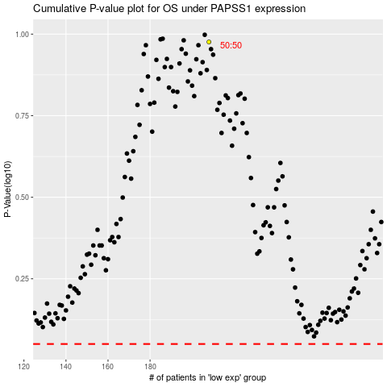

 |  |  |  |  |  | cases_OS | p_OS | rank | exp
 |  |  |  |  |  |  | cases_RFS | p_RFS | rank | exp

