PAQR4 _multivariate
Reported by Tex Li-Hsing Chi. tex@gate.sinica.edu.tw 2019-08-17

Table 2. The clinicopathological features of HNSCC cohort and PAQR4 expression. (Chi square test)
Cutoff at -0.209 (49.8%)
 |  | PAQR4 expression |  | PAQR4 expression |  | (Optimised)
 | Features | Low | (%) | High | (%) | Case no | P-value | Remark | Matthews
Gender | Female | 138 | 33.3 | 168 | 40.5 | 415 | 0.0016 | 1 | 0
2 | Male | 69 | 16.6 | 40 | 9.6
Age at diagnosis | <=65y | 126 | 30.4 | 148 | 35.7 | 415 | 0.035 | 1 | 0
4 | >65y | 81 | 19.5 | 60 | 14.5
Clinical T Status | T1+T2 | 78 | 18.8 | 71 | 17.1 | 415 | 0.5152 | 0 | 0
6 | T3+T4 | 129 | 31.1 | 137 | 33
Clinical N Status | N0 | 117 | 28.2 | 99 | 23.9 | 415 | 0.0852 | 1 | 0
8 | N1-3 | 90 | 21.7 | 109 | 26.3
Clinical M Status | M0 | 207 | 49.9 | 205 | 49.4 | 415 | 0.2482 | 0 | 0
10 | M1 | 0 | 0 | 3 | 0.7
Clinical Stage | Stage I+II | 61 | 14.7 | 41 | 9.9 | 415 | 0.0282 | 1 | 0
12 | Stage III+IV | 146 | 35.2 | 167 | 40.2
Surgical Margin status | Negative | 166 | 40 | 152 | 36.6 | 415 | 0.1042 | 0 | 0
14 | Positive | 41 | 9.9 | 56 | 13.5
Tobacco Exposure | Low | 91 | 21.9 | 70 | 16.9 | 415 | 0.0346 | 1 | 0
16 | High | 116 | 28 | 138 | 33.3

Table 3. Univariate/Multivariate Cox's proportional hazards regression analyses on OS time of PAQR4 gene expression in HNSCC

 |  | Univariate |  |  |  | Multivariate
 | Features | HR | CI95%(L) | CI95%(H) | P-value | HR | CI95%(L) | CI95%(H) | P-value
1 | Female | 1 |  |  |  | 1
Gender | Male | 1.157 | 0.843 | 1.587 | 0.367 | 1.198 | 0.857 | 1.673 | 0.29
11 | <=65y | 1 |  |  |  | 1
Age at diagnosis | >65y | 1.329 | 0.99 | 1.784 | 0.058 | 1.39 | 1.022 | 1.89 | 0.036
12 | T1+T2 | 1 |  |  |  | 1
Clinical T Status | T3+T4 | 1.409 | 1.028 | 1.931 | 0.033 | 2.177 | 1.151 | 4.117 | 0.017
13 | N0 | 1 |  |  |  | 1
Clinical N Status | N1-3 | 1.185 | 0.89 | 1.577 | 0.246 | 1.236 | 0.866 | 1.764 | 0.243
14 | M0 | 1 |  |  |  | 1
Clinical M Status | M1 | 4.097 | 1.009 | 16.644 | 0.049 | 9.957 | 2.161 | 45.877 | 0.003
15 | Stage I+II | 1 |  |  |  | 1
Clinical Stage | Stage III+IV | 1.245 | 0.882 | 1.759 | 0.213 | 0.521 | 0.242 | 1.122 | 0.096
16 | Negative | 1 |  |  |  | 1
Surgical Margin status | Positive | 1.591 | 1.155 | 2.191 | 0.004 | 1.699 | 1.228 | 2.352 | 0.001
17 | Low | 1 |  |  |  | 1
Tobacco Exposure | High | 1.364 | 1.008 | 1.844 | 0.044 | 1.469 | 1.065 | 2.026 | 0.019
18 | Low | 1 |  |  |  | 1
RNAseq(z-score) | High | 0.942 | 0.707 | 1.254 | 0.681 | 0.872 | 0.65 | 1.17 | 0.361

Table 4. Univariate/Multivariate Cox's proportional hazards regression analyses on RFS time of PAQR4 gene expression in HNSCC

 |  | Univariate |  |  |  | Multivariate
 | Features | HR | CI95%(L) | CI95%(H) | P-value | HR | CI95%(L) | CI95%(H) | P-value
1 | Female | 1 |  |  |  | 1
Gender | Male | 1.157 | 0.843 | 1.587 | 0.367 | 1.198 | 0.857 | 1.673 | 0.29
11 | <=65y | 1 |  |  |  | 1
Age at diagnosis | >65y | 1.329 | 0.99 | 1.784 | 0.058 | 1.39 | 1.022 | 1.89 | 0.036
12 | T1+T2 | 1 |  |  |  | 1
Clinical T Status | T3+T4 | 1.409 | 1.028 | 1.931 | 0.033 | 2.177 | 1.151 | 4.117 | 0.017
13 | N0 | 1 |  |  |  | 1
Clinical N Status | N1-3 | 1.185 | 0.89 | 1.577 | 0.246 | 1.236 | 0.866 | 1.764 | 0.243
14 | M0 | 1 |  |  |  | 1
Clinical M Status | M1 | 4.097 | 1.009 | 16.644 | 0.049 | 9.957 | 2.161 | 45.877 | 0.003
15 | Stage I+II | 1 |  |  |  | 1
Clinical Stage | Stage III+IV | 1.245 | 0.882 | 1.759 | 0.213 | 0.521 | 0.242 | 1.122 | 0.096
16 | Negative | 1 |  |  |  | 1
Surgical Margin status | Positive | 1.591 | 1.155 | 2.191 | 0.004 | 1.699 | 1.228 | 2.352 | 0.001
17 | Low | 1 |  |  |  | 1
Tobacco Exposure | High | 1.364 | 1.008 | 1.844 | 0.044 | 1.469 | 1.065 | 2.026 | 0.019
18 | Low | 1 |  |  |  | 1
RNAseq(z-score) | High | 0.942 | 0.707 | 1.254 | 0.681 | 0.872 | 0.65 | 1.17 | 0.361

Kaplan-Meier survival estimate: Cutoff at -0.209 (49.8%)



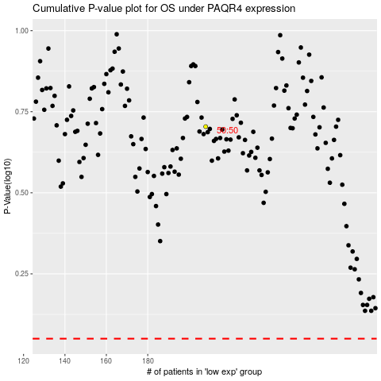

 |  |  |  |  |  | cases_OS | p_OS | rank | exp
 |  |  |  |  |  |  | cases_RFS | p_RFS | rank | exp

