PARD6B _multivariate
Reported by Tex Li-Hsing Chi. tex@gate.sinica.edu.tw 2019-08-17

Table 2. The clinicopathological features of HNSCC cohort and PARD6B expression. (Chi square test)
Cutoff at -0.323 (50.0%)
 |  | PARD6B expression |  | PARD6B expression |  | (Optimised)
 | Features | Low | (%) | High | (%) | Case no | P-value | Remark | Matthews
Gender | Female | 150 | 36.1 | 156 | 37.6 | 415 | 0.6344 | 0 | 0
2 | Male | 57 | 13.7 | 52 | 12.5
Age at diagnosis | <=65y | 137 | 33 | 137 | 33 | 415 | 1 | 0 | 0
4 | >65y | 70 | 16.9 | 71 | 17.1
Clinical T Status | T1+T2 | 84 | 20.2 | 65 | 15.7 | 415 | 0.0603 | 0 | 0
6 | T3+T4 | 123 | 29.6 | 143 | 34.5
Clinical N Status | N0 | 117 | 28.2 | 99 | 23.9 | 415 | 0.0852 | 1 | 0
8 | N1-3 | 90 | 21.7 | 109 | 26.3
Clinical M Status | M0 | 205 | 49.4 | 207 | 49.9 | 415 | 0.6232 | 0 | 0
10 | M1 | 2 | 0.5 | 1 | 0.2
Clinical Stage | Stage I+II | 63 | 15.2 | 39 | 9.4 | 415 | 0.008 | 1 | 0
12 | Stage III+IV | 144 | 34.7 | 169 | 40.7
Surgical Margin status | Negative | 166 | 40 | 152 | 36.6 | 415 | 0.1042 | 0 | 0
14 | Positive | 41 | 9.9 | 56 | 13.5
Tobacco Exposure | Low | 93 | 22.4 | 68 | 16.4 | 415 | 0.0118 | 1 | 0
16 | High | 114 | 27.5 | 140 | 33.7

Table 3. Univariate/Multivariate Cox's proportional hazards regression analyses on OS time of PARD6B gene expression in HNSCC

 |  | Univariate |  |  |  | Multivariate
 | Features | HR | CI95%(L) | CI95%(H) | P-value | HR | CI95%(L) | CI95%(H) | P-value
1 | Female | 1 |  |  |  | 1
Gender | Male | 1.157 | 0.843 | 1.587 | 0.367 | 1.2 | 0.859 | 1.677 | 0.284
11 | <=65y | 1 |  |  |  | 1
Age at diagnosis | >65y | 1.329 | 0.99 | 1.784 | 0.058 | 1.395 | 1.026 | 1.896 | 0.034
12 | T1+T2 | 1 |  |  |  | 1
Clinical T Status | T3+T4 | 1.409 | 1.028 | 1.931 | 0.033 | 2.172 | 1.146 | 4.118 | 0.017
13 | N0 | 1 |  |  |  | 1
Clinical N Status | N1-3 | 1.185 | 0.89 | 1.577 | 0.246 | 1.238 | 0.868 | 1.767 | 0.239
14 | M0 | 1 |  |  |  | 1
Clinical M Status | M1 | 4.097 | 1.009 | 16.644 | 0.049 | 9.065 | 1.963 | 41.857 | 0.005
15 | Stage I+II | 1 |  |  |  | 1
Clinical Stage | Stage III+IV | 1.245 | 0.882 | 1.759 | 0.213 | 0.518 | 0.24 | 1.121 | 0.095
16 | Negative | 1 |  |  |  | 1
Surgical Margin status | Positive | 1.591 | 1.155 | 2.191 | 0.004 | 1.676 | 1.213 | 2.316 | 0.002
17 | Low | 1 |  |  |  | 1
Tobacco Exposure | High | 1.364 | 1.008 | 1.844 | 0.044 | 1.46 | 1.059 | 2.013 | 0.021
18 | Low | 1 |  |  |  | 1
RNAseq(z-score) | High | 0.949 | 0.71 | 1.268 | 0.723 | 0.93 | 0.691 | 1.251 | 0.631

Table 4. Univariate/Multivariate Cox's proportional hazards regression analyses on RFS time of PARD6B gene expression in HNSCC

 |  | Univariate |  |  |  | Multivariate
 | Features | HR | CI95%(L) | CI95%(H) | P-value | HR | CI95%(L) | CI95%(H) | P-value
1 | Female | 1 |  |  |  | 1
Gender | Male | 1.157 | 0.843 | 1.587 | 0.367 | 1.2 | 0.859 | 1.677 | 0.284
11 | <=65y | 1 |  |  |  | 1
Age at diagnosis | >65y | 1.329 | 0.99 | 1.784 | 0.058 | 1.395 | 1.026 | 1.896 | 0.034
12 | T1+T2 | 1 |  |  |  | 1
Clinical T Status | T3+T4 | 1.409 | 1.028 | 1.931 | 0.033 | 2.172 | 1.146 | 4.118 | 0.017
13 | N0 | 1 |  |  |  | 1
Clinical N Status | N1-3 | 1.185 | 0.89 | 1.577 | 0.246 | 1.238 | 0.868 | 1.767 | 0.239
14 | M0 | 1 |  |  |  | 1
Clinical M Status | M1 | 4.097 | 1.009 | 16.644 | 0.049 | 9.065 | 1.963 | 41.857 | 0.005
15 | Stage I+II | 1 |  |  |  | 1
Clinical Stage | Stage III+IV | 1.245 | 0.882 | 1.759 | 0.213 | 0.518 | 0.24 | 1.121 | 0.095
16 | Negative | 1 |  |  |  | 1
Surgical Margin status | Positive | 1.591 | 1.155 | 2.191 | 0.004 | 1.676 | 1.213 | 2.316 | 0.002
17 | Low | 1 |  |  |  | 1
Tobacco Exposure | High | 1.364 | 1.008 | 1.844 | 0.044 | 1.46 | 1.059 | 2.013 | 0.021
18 | Low | 1 |  |  |  | 1
RNAseq(z-score) | High | 0.949 | 0.71 | 1.268 | 0.723 | 0.93 | 0.691 | 1.251 | 0.631

Kaplan-Meier survival estimate: Cutoff at -0.323 (50.0%)



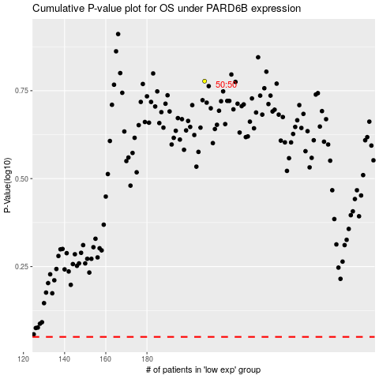

 |  |  |  |  |  | cases_OS | p_OS | rank | exp
 |  |  |  |  |  |  | cases_RFS | p_RFS | rank | exp

