PARG _multivariate
Reported by Tex Li-Hsing Chi. tex@gate.sinica.edu.tw 2019-08-17

Table 2. The clinicopathological features of HNSCC cohort and PARG expression. (Chi square test)
Cutoff at -0.052 (50.0%)
 |  | PARG expression |  | PARG expression |  | (Optimised)
 | Features | Low | (%) | High | (%) | Case no | P-value | Remark | Matthews
Gender | Female | 150 | 36.1 | 156 | 37.6 | 415 | 0.6344 | 0 | 0
2 | Male | 57 | 13.7 | 52 | 12.5
Age at diagnosis | <=65y | 131 | 31.6 | 143 | 34.5 | 415 | 0.2839 | 0 | 0
4 | >65y | 76 | 18.3 | 65 | 15.7
Clinical T Status | T1+T2 | 82 | 19.8 | 67 | 16.1 | 415 | 0.1417 | 0 | 0
6 | T3+T4 | 125 | 30.1 | 141 | 34
Clinical N Status | N0 | 112 | 27 | 104 | 25.1 | 415 | 0.4599 | 0 | 0
8 | N1-3 | 95 | 22.9 | 104 | 25.1
Clinical M Status | M0 | 204 | 49.2 | 208 | 50.1 | 415 | 0.1232 | 0 | 0
10 | M1 | 3 | 0.7 | 0 | 0
Clinical Stage | Stage I+II | 56 | 13.5 | 46 | 11.1 | 415 | 0.2918 | 0 | 0
12 | Stage III+IV | 151 | 36.4 | 162 | 39
Surgical Margin status | Negative | 162 | 39 | 156 | 37.6 | 415 | 0.4867 | 0 | 0
14 | Positive | 45 | 10.8 | 52 | 12.5
Tobacco Exposure | Low | 85 | 20.5 | 76 | 18.3 | 415 | 0.3655 | 0 | 0
16 | High | 122 | 29.4 | 132 | 31.8

Table 3. Univariate/Multivariate Cox's proportional hazards regression analyses on OS time of PARG gene expression in HNSCC

 |  | Univariate |  |  |  | Multivariate
 | Features | HR | CI95%(L) | CI95%(H) | P-value | HR | CI95%(L) | CI95%(H) | P-value
1 | Female | 1 |  |  |  | 1
Gender | Male | 1.157 | 0.843 | 1.587 | 0.367 | 1.192 | 0.854 | 1.665 | 0.302
11 | <=65y | 1 |  |  |  | 1
Age at diagnosis | >65y | 1.329 | 0.99 | 1.784 | 0.058 | 1.416 | 1.04 | 1.929 | 0.027
12 | T1+T2 | 1 |  |  |  | 1
Clinical T Status | T3+T4 | 1.409 | 1.028 | 1.931 | 0.033 | 2.192 | 1.159 | 4.147 | 0.016
13 | N0 | 1 |  |  |  | 1
Clinical N Status | N1-3 | 1.185 | 0.89 | 1.577 | 0.246 | 1.237 | 0.867 | 1.766 | 0.241
14 | M0 | 1 |  |  |  | 1
Clinical M Status | M1 | 4.097 | 1.009 | 16.644 | 0.049 | 10.172 | 2.201 | 47.001 | 0.003
15 | Stage I+II | 1 |  |  |  | 1
Clinical Stage | Stage III+IV | 1.245 | 0.882 | 1.759 | 0.213 | 0.503 | 0.234 | 1.081 | 0.078
16 | Negative | 1 |  |  |  | 1
Surgical Margin status | Positive | 1.591 | 1.155 | 2.191 | 0.004 | 1.658 | 1.2 | 2.293 | 0.002
17 | Low | 1 |  |  |  | 1
Tobacco Exposure | High | 1.364 | 1.008 | 1.844 | 0.044 | 1.447 | 1.051 | 1.993 | 0.024
18 | Low | 1 |  |  |  | 1
RNAseq(z-score) | High | 1.167 | 0.875 | 1.556 | 0.293 | 1.164 | 0.869 | 1.559 | 0.308

Table 4. Univariate/Multivariate Cox's proportional hazards regression analyses on RFS time of PARG gene expression in HNSCC

 |  | Univariate |  |  |  | Multivariate
 | Features | HR | CI95%(L) | CI95%(H) | P-value | HR | CI95%(L) | CI95%(H) | P-value
1 | Female | 1 |  |  |  | 1
Gender | Male | 1.157 | 0.843 | 1.587 | 0.367 | 1.192 | 0.854 | 1.665 | 0.302
11 | <=65y | 1 |  |  |  | 1
Age at diagnosis | >65y | 1.329 | 0.99 | 1.784 | 0.058 | 1.416 | 1.04 | 1.929 | 0.027
12 | T1+T2 | 1 |  |  |  | 1
Clinical T Status | T3+T4 | 1.409 | 1.028 | 1.931 | 0.033 | 2.192 | 1.159 | 4.147 | 0.016
13 | N0 | 1 |  |  |  | 1
Clinical N Status | N1-3 | 1.185 | 0.89 | 1.577 | 0.246 | 1.237 | 0.867 | 1.766 | 0.241
14 | M0 | 1 |  |  |  | 1
Clinical M Status | M1 | 4.097 | 1.009 | 16.644 | 0.049 | 10.172 | 2.201 | 47.001 | 0.003
15 | Stage I+II | 1 |  |  |  | 1
Clinical Stage | Stage III+IV | 1.245 | 0.882 | 1.759 | 0.213 | 0.503 | 0.234 | 1.081 | 0.078
16 | Negative | 1 |  |  |  | 1
Surgical Margin status | Positive | 1.591 | 1.155 | 2.191 | 0.004 | 1.658 | 1.2 | 2.293 | 0.002
17 | Low | 1 |  |  |  | 1
Tobacco Exposure | High | 1.364 | 1.008 | 1.844 | 0.044 | 1.447 | 1.051 | 1.993 | 0.024
18 | Low | 1 |  |  |  | 1
RNAseq(z-score) | High | 1.167 | 0.875 | 1.556 | 0.293 | 1.164 | 0.869 | 1.559 | 0.308

Kaplan-Meier survival estimate: Cutoff at -0.052 (50.0%)



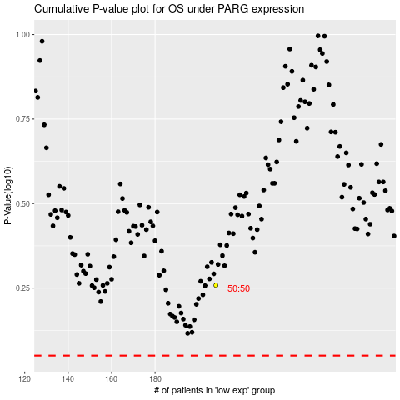

 |  |  |  |  |  | cases_OS | p_OS | rank | exp
 |  |  |  |  |  |  | cases_RFS | p_RFS | rank | exp

