PARK2 _multivariate
Reported by Tex Li-Hsing Chi. tex@gate.sinica.edu.tw 2019-08-17

Table 2. The clinicopathological features of HNSCC cohort and PARK2 expression. (Chi square test)
Cutoff at -0.267 (50.0%)
 |  | PARK2 expression |  | PARK2 expression |  | (Optimised)
 | Features | Low | (%) | High | (%) | Case no | P-value | Remark | Matthews
Gender | Female | 153 | 36.9 | 153 | 36.9 | 415 | 1 | 0 | 0
2 | Male | 54 | 13 | 55 | 13.3
Age at diagnosis | <=65y | 128 | 30.8 | 146 | 35.2 | 415 | 0.0904 | 0 | 0
4 | >65y | 79 | 19 | 62 | 14.9
Clinical T Status | T1+T2 | 75 | 18.1 | 74 | 17.8 | 415 | 0.9707 | 0 | 0
6 | T3+T4 | 132 | 31.8 | 134 | 32.3
Clinical N Status | N0 | 107 | 25.8 | 109 | 26.3 | 415 | 0.9624 | 0 | 0
8 | N1-3 | 100 | 24.1 | 99 | 23.9
Clinical M Status | M0 | 204 | 49.2 | 208 | 50.1 | 415 | 0.1232 | 0 | 0
10 | M1 | 3 | 0.7 | 0 | 0
Clinical Stage | Stage I+II | 51 | 12.3 | 51 | 12.3 | 415 | 1 | 0 | 0
12 | Stage III+IV | 156 | 37.6 | 157 | 37.8
Surgical Margin status | Negative | 156 | 37.6 | 162 | 39 | 415 | 0.5636 | 0 | 0
14 | Positive | 51 | 12.3 | 46 | 11.1
Tobacco Exposure | Low | 89 | 21.4 | 72 | 17.3 | 415 | 0.0872 | 0 | 0
16 | High | 118 | 28.4 | 136 | 32.8

Table 3. Univariate/Multivariate Cox's proportional hazards regression analyses on OS time of PARK2 gene expression in HNSCC

 |  | Univariate |  |  |  | Multivariate
 | Features | HR | CI95%(L) | CI95%(H) | P-value | HR | CI95%(L) | CI95%(H) | P-value
1 | Female | 1 |  |  |  | 1
Gender | Male | 1.157 | 0.843 | 1.587 | 0.367 | 1.207 | 0.864 | 1.685 | 0.27
11 | <=65y | 1 |  |  |  | 1
Age at diagnosis | >65y | 1.329 | 0.99 | 1.784 | 0.058 | 1.397 | 1.028 | 1.899 | 0.033
12 | T1+T2 | 1 |  |  |  | 1
Clinical T Status | T3+T4 | 1.409 | 1.028 | 1.931 | 0.033 | 2.208 | 1.167 | 4.176 | 0.015
13 | N0 | 1 |  |  |  | 1
Clinical N Status | N1-3 | 1.185 | 0.89 | 1.577 | 0.246 | 1.24 | 0.869 | 1.769 | 0.235
14 | M0 | 1 |  |  |  | 1
Clinical M Status | M1 | 4.097 | 1.009 | 16.644 | 0.049 | 9.845 | 2.127 | 45.578 | 0.003
15 | Stage I+II | 1 |  |  |  | 1
Clinical Stage | Stage III+IV | 1.245 | 0.882 | 1.759 | 0.213 | 0.502 | 0.234 | 1.077 | 0.077
16 | Negative | 1 |  |  |  | 1
Surgical Margin status | Positive | 1.591 | 1.155 | 2.191 | 0.004 | 1.682 | 1.216 | 2.326 | 0.002
17 | Low | 1 |  |  |  | 1
Tobacco Exposure | High | 1.364 | 1.008 | 1.844 | 0.044 | 1.438 | 1.042 | 1.985 | 0.027
18 | Low | 1 |  |  |  | 1
RNAseq(z-score) | High | 1.043 | 0.783 | 1.391 | 0.772 | 1.083 | 0.806 | 1.454 | 0.598

Table 4. Univariate/Multivariate Cox's proportional hazards regression analyses on RFS time of PARK2 gene expression in HNSCC

 |  | Univariate |  |  |  | Multivariate
 | Features | HR | CI95%(L) | CI95%(H) | P-value | HR | CI95%(L) | CI95%(H) | P-value
1 | Female | 1 |  |  |  | 1
Gender | Male | 1.157 | 0.843 | 1.587 | 0.367 | 1.207 | 0.864 | 1.685 | 0.27
11 | <=65y | 1 |  |  |  | 1
Age at diagnosis | >65y | 1.329 | 0.99 | 1.784 | 0.058 | 1.397 | 1.028 | 1.899 | 0.033
12 | T1+T2 | 1 |  |  |  | 1
Clinical T Status | T3+T4 | 1.409 | 1.028 | 1.931 | 0.033 | 2.208 | 1.167 | 4.176 | 0.015
13 | N0 | 1 |  |  |  | 1
Clinical N Status | N1-3 | 1.185 | 0.89 | 1.577 | 0.246 | 1.24 | 0.869 | 1.769 | 0.235
14 | M0 | 1 |  |  |  | 1
Clinical M Status | M1 | 4.097 | 1.009 | 16.644 | 0.049 | 9.845 | 2.127 | 45.578 | 0.003
15 | Stage I+II | 1 |  |  |  | 1
Clinical Stage | Stage III+IV | 1.245 | 0.882 | 1.759 | 0.213 | 0.502 | 0.234 | 1.077 | 0.077
16 | Negative | 1 |  |  |  | 1
Surgical Margin status | Positive | 1.591 | 1.155 | 2.191 | 0.004 | 1.682 | 1.216 | 2.326 | 0.002
17 | Low | 1 |  |  |  | 1
Tobacco Exposure | High | 1.364 | 1.008 | 1.844 | 0.044 | 1.438 | 1.042 | 1.985 | 0.027
18 | Low | 1 |  |  |  | 1
RNAseq(z-score) | High | 1.043 | 0.783 | 1.391 | 0.772 | 1.083 | 0.806 | 1.454 | 0.598

Kaplan-Meier survival estimate: Cutoff at -0.267 (50.0%)



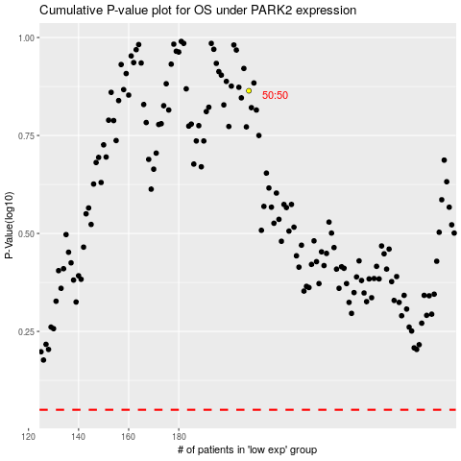

 |  |  |  |  |  | cases_OS | p_OS | rank | exp
 |  |  |  |  |  |  | cases_RFS | p_RFS | rank | exp

