PARP1 _multivariate
Reported by Tex Li-Hsing Chi. tex@gate.sinica.edu.tw 2019-08-17

Table 2. The clinicopathological features of HNSCC cohort and PARP1 expression. (Chi square test)
Cutoff at -0.097 (49.8%)
 |  | PARP1 expression |  | PARP1 expression |  | (Optimised)
 | Features | Low | (%) | High | (%) | Case no | P-value | Remark | Matthews
Gender | Female | 143 | 34.5 | 163 | 39.3 | 415 | 0.0416 | 1 | 0
2 | Male | 64 | 15.4 | 45 | 10.8
Age at diagnosis | <=65y | 136 | 32.8 | 138 | 33.3 | 415 | 0.9719 | 0 | 0
4 | >65y | 71 | 17.1 | 70 | 16.9
Clinical T Status | T1+T2 | 74 | 17.8 | 75 | 18.1 | 415 | 1 | 0 | 0
6 | T3+T4 | 133 | 32 | 133 | 32
Clinical N Status | N0 | 111 | 26.7 | 105 | 25.3 | 415 | 0.5875 | 0 | 0
8 | N1-3 | 96 | 23.1 | 103 | 24.8
Clinical M Status | M0 | 204 | 49.2 | 208 | 50.1 | 415 | 0.1232 | 0 | 0
10 | M1 | 3 | 0.7 | 0 | 0
Clinical Stage | Stage I+II | 57 | 13.7 | 45 | 10.8 | 415 | 0.1998 | 0 | 0
12 | Stage III+IV | 150 | 36.1 | 163 | 39.3
Surgical Margin status | Negative | 158 | 38.1 | 160 | 38.6 | 415 | 0.9081 | 0 | 0
14 | Positive | 49 | 11.8 | 48 | 11.6
Tobacco Exposure | Low | 94 | 22.7 | 67 | 16.1 | 415 | 0.0065 | 1 | 0
16 | High | 113 | 27.2 | 141 | 34

Table 3. Univariate/Multivariate Cox's proportional hazards regression analyses on OS time of PARP1 gene expression in HNSCC

 |  | Univariate |  |  |  | Multivariate
 | Features | HR | CI95%(L) | CI95%(H) | P-value | HR | CI95%(L) | CI95%(H) | P-value
1 | Female | 1 |  |  |  | 1
Gender | Male | 1.157 | 0.843 | 1.587 | 0.367 | 1.223 | 0.874 | 1.711 | 0.241
11 | <=65y | 1 |  |  |  | 1
Age at diagnosis | >65y | 1.329 | 0.99 | 1.784 | 0.058 | 1.394 | 1.026 | 1.896 | 0.034
12 | T1+T2 | 1 |  |  |  | 1
Clinical T Status | T3+T4 | 1.409 | 1.028 | 1.931 | 0.033 | 2.25 | 1.188 | 4.263 | 0.013
13 | N0 | 1 |  |  |  | 1
Clinical N Status | N1-3 | 1.185 | 0.89 | 1.577 | 0.246 | 1.247 | 0.874 | 1.781 | 0.223
14 | M0 | 1 |  |  |  | 1
Clinical M Status | M1 | 4.097 | 1.009 | 16.644 | 0.049 | 10.286 | 2.21 | 47.872 | 0.003
15 | Stage I+II | 1 |  |  |  | 1
Clinical Stage | Stage III+IV | 1.245 | 0.882 | 1.759 | 0.213 | 0.488 | 0.227 | 1.052 | 0.067
16 | Negative | 1 |  |  |  | 1
Surgical Margin status | Positive | 1.591 | 1.155 | 2.191 | 0.004 | 1.669 | 1.208 | 2.306 | 0.002
17 | Low | 1 |  |  |  | 1
Tobacco Exposure | High | 1.364 | 1.008 | 1.844 | 0.044 | 1.436 | 1.042 | 1.98 | 0.027
18 | Low | 1 |  |  |  | 1
RNAseq(z-score) | High | 1.091 | 0.819 | 1.455 | 0.551 | 1.134 | 0.842 | 1.526 | 0.408

Table 4. Univariate/Multivariate Cox's proportional hazards regression analyses on RFS time of PARP1 gene expression in HNSCC

 |  | Univariate |  |  |  | Multivariate
 | Features | HR | CI95%(L) | CI95%(H) | P-value | HR | CI95%(L) | CI95%(H) | P-value
1 | Female | 1 |  |  |  | 1
Gender | Male | 1.157 | 0.843 | 1.587 | 0.367 | 1.223 | 0.874 | 1.711 | 0.241
11 | <=65y | 1 |  |  |  | 1
Age at diagnosis | >65y | 1.329 | 0.99 | 1.784 | 0.058 | 1.394 | 1.026 | 1.896 | 0.034
12 | T1+T2 | 1 |  |  |  | 1
Clinical T Status | T3+T4 | 1.409 | 1.028 | 1.931 | 0.033 | 2.25 | 1.188 | 4.263 | 0.013
13 | N0 | 1 |  |  |  | 1
Clinical N Status | N1-3 | 1.185 | 0.89 | 1.577 | 0.246 | 1.247 | 0.874 | 1.781 | 0.223
14 | M0 | 1 |  |  |  | 1
Clinical M Status | M1 | 4.097 | 1.009 | 16.644 | 0.049 | 10.286 | 2.21 | 47.872 | 0.003
15 | Stage I+II | 1 |  |  |  | 1
Clinical Stage | Stage III+IV | 1.245 | 0.882 | 1.759 | 0.213 | 0.488 | 0.227 | 1.052 | 0.067
16 | Negative | 1 |  |  |  | 1
Surgical Margin status | Positive | 1.591 | 1.155 | 2.191 | 0.004 | 1.669 | 1.208 | 2.306 | 0.002
17 | Low | 1 |  |  |  | 1
Tobacco Exposure | High | 1.364 | 1.008 | 1.844 | 0.044 | 1.436 | 1.042 | 1.98 | 0.027
18 | Low | 1 |  |  |  | 1
RNAseq(z-score) | High | 1.091 | 0.819 | 1.455 | 0.551 | 1.134 | 0.842 | 1.526 | 0.408

Kaplan-Meier survival estimate: Cutoff at -0.097 (49.8%)



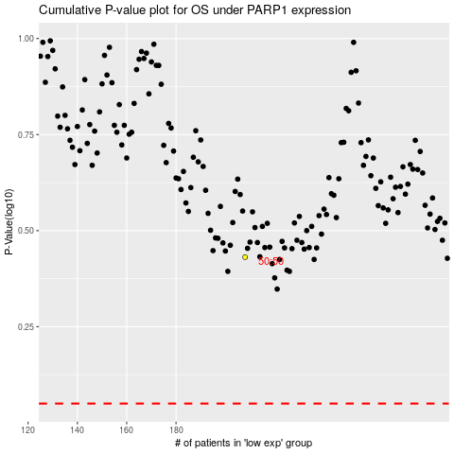

 |  |  |  |  |  | cases_OS | p_OS | rank | exp
 |  |  |  |  |  |  | cases_RFS | p_RFS | rank | exp

