PARP12 _multivariate
Reported by Tex Li-Hsing Chi. tex@gate.sinica.edu.tw 2019-08-17

Table 2. The clinicopathological features of HNSCC cohort and PARP12 expression. (Chi square test)
Cutoff at -0.124 (50.0%)
 |  | PARP12 expression |  | PARP12 expression |  | (Optimised)
 | Features | Low | (%) | High | (%) | Case no | P-value | Remark | Matthews
Gender | Female | 168 | 40.5 | 138 | 33.3 | 415 | 9e-04 | 1 | 0
2 | Male | 39 | 9.4 | 70 | 16.9
Age at diagnosis | <=65y | 138 | 33.3 | 136 | 32.8 | 415 | 0.8634 | 0 | 0
4 | >65y | 69 | 16.6 | 72 | 17.3
Clinical T Status | T1+T2 | 67 | 16.1 | 82 | 19.8 | 415 | 0.1628 | 0 | 0
6 | T3+T4 | 140 | 33.7 | 126 | 30.4
Clinical N Status | N0 | 107 | 25.8 | 109 | 26.3 | 415 | 0.9624 | 0 | 0
8 | N1-3 | 100 | 24.1 | 99 | 23.9
Clinical M Status | M0 | 207 | 49.9 | 205 | 49.4 | 415 | 0.2482 | 0 | 0
10 | M1 | 0 | 0 | 3 | 0.7
Clinical Stage | Stage I+II | 44 | 10.6 | 58 | 14 | 415 | 0.1459 | 0 | 0
12 | Stage III+IV | 163 | 39.3 | 150 | 36.1
Surgical Margin status | Negative | 159 | 38.3 | 159 | 38.3 | 415 | 1 | 0 | 0
14 | Positive | 48 | 11.6 | 49 | 11.8
Tobacco Exposure | Low | 63 | 15.2 | 98 | 23.6 | 415 | 6e-04 | 1 | 0
16 | High | 144 | 34.7 | 110 | 26.5

Table 3. Univariate/Multivariate Cox's proportional hazards regression analyses on OS time of PARP12 gene expression in HNSCC

 |  | Univariate |  |  |  | Multivariate
 | Features | HR | CI95%(L) | CI95%(H) | P-value | HR | CI95%(L) | CI95%(H) | P-value
1 | Female | 1 |  |  |  | 1
Gender | Male | 1.157 | 0.843 | 1.587 | 0.367 | 1.195 | 0.852 | 1.675 | 0.302
11 | <=65y | 1 |  |  |  | 1
Age at diagnosis | >65y | 1.329 | 0.99 | 1.784 | 0.058 | 1.391 | 1.024 | 1.891 | 0.035
12 | T1+T2 | 1 |  |  |  | 1
Clinical T Status | T3+T4 | 1.409 | 1.028 | 1.931 | 0.033 | 2.198 | 1.162 | 4.157 | 0.015
13 | N0 | 1 |  |  |  | 1
Clinical N Status | N1-3 | 1.185 | 0.89 | 1.577 | 0.246 | 1.238 | 0.867 | 1.767 | 0.24
14 | M0 | 1 |  |  |  | 1
Clinical M Status | M1 | 4.097 | 1.009 | 16.644 | 0.049 | 9.21 | 1.988 | 42.659 | 0.005
15 | Stage I+II | 1 |  |  |  | 1
Clinical Stage | Stage III+IV | 1.245 | 0.882 | 1.759 | 0.213 | 0.509 | 0.236 | 1.095 | 0.084
16 | Negative | 1 |  |  |  | 1
Surgical Margin status | Positive | 1.591 | 1.155 | 2.191 | 0.004 | 1.669 | 1.207 | 2.306 | 0.002
17 | Low | 1 |  |  |  | 1
Tobacco Exposure | High | 1.364 | 1.008 | 1.844 | 0.044 | 1.465 | 1.055 | 2.034 | 0.023
18 | Low | 1 |  |  |  | 1
RNAseq(z-score) | High | 1.033 | 0.774 | 1.378 | 0.827 | 1.037 | 0.762 | 1.411 | 0.818

Table 4. Univariate/Multivariate Cox's proportional hazards regression analyses on RFS time of PARP12 gene expression in HNSCC

 |  | Univariate |  |  |  | Multivariate
 | Features | HR | CI95%(L) | CI95%(H) | P-value | HR | CI95%(L) | CI95%(H) | P-value
1 | Female | 1 |  |  |  | 1
Gender | Male | 1.157 | 0.843 | 1.587 | 0.367 | 1.195 | 0.852 | 1.675 | 0.302
11 | <=65y | 1 |  |  |  | 1
Age at diagnosis | >65y | 1.329 | 0.99 | 1.784 | 0.058 | 1.391 | 1.024 | 1.891 | 0.035
12 | T1+T2 | 1 |  |  |  | 1
Clinical T Status | T3+T4 | 1.409 | 1.028 | 1.931 | 0.033 | 2.198 | 1.162 | 4.157 | 0.015
13 | N0 | 1 |  |  |  | 1
Clinical N Status | N1-3 | 1.185 | 0.89 | 1.577 | 0.246 | 1.238 | 0.867 | 1.767 | 0.24
14 | M0 | 1 |  |  |  | 1
Clinical M Status | M1 | 4.097 | 1.009 | 16.644 | 0.049 | 9.21 | 1.988 | 42.659 | 0.005
15 | Stage I+II | 1 |  |  |  | 1
Clinical Stage | Stage III+IV | 1.245 | 0.882 | 1.759 | 0.213 | 0.509 | 0.236 | 1.095 | 0.084
16 | Negative | 1 |  |  |  | 1
Surgical Margin status | Positive | 1.591 | 1.155 | 2.191 | 0.004 | 1.669 | 1.207 | 2.306 | 0.002
17 | Low | 1 |  |  |  | 1
Tobacco Exposure | High | 1.364 | 1.008 | 1.844 | 0.044 | 1.465 | 1.055 | 2.034 | 0.023
18 | Low | 1 |  |  |  | 1
RNAseq(z-score) | High | 1.033 | 0.774 | 1.378 | 0.827 | 1.037 | 0.762 | 1.411 | 0.818

Kaplan-Meier survival estimate: Cutoff at -0.124 (50.0%)

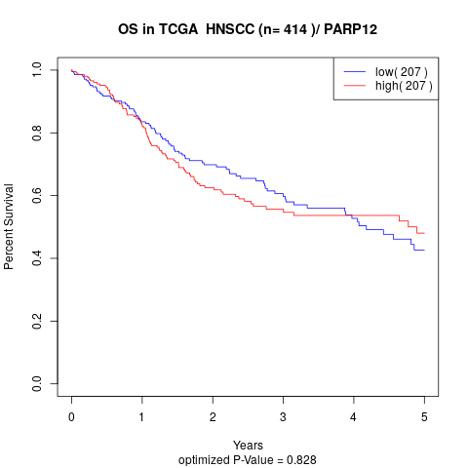

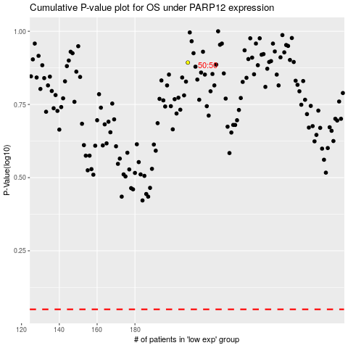

 |  |  |  |  |  | cases_OS | p_OS | rank | exp
 |  |  |  |  |  |  | cases_RFS | p_RFS | rank | exp

