PARP14 _multivariate
Reported by Tex Li-Hsing Chi. tex@gate.sinica.edu.tw 2019-08-17

Table 2. The clinicopathological features of HNSCC cohort and PARP14 expression. (Chi square test)
Cutoff at -0.143 (50.0%)
 |  | PARP14 expression |  | PARP14 expression |  | (Optimised)
 | Features | Low | (%) | High | (%) | Case no | P-value | Remark | Matthews
Gender | Female | 158 | 38.1 | 148 | 35.7 | 415 | 0.2774 | 0 | 0
2 | Male | 49 | 11.8 | 60 | 14.5
Age at diagnosis | <=65y | 140 | 33.7 | 134 | 32.3 | 415 | 0.5574 | 0 | 0
4 | >65y | 67 | 16.1 | 74 | 17.8
Clinical T Status | T1+T2 | 65 | 15.7 | 84 | 20.2 | 415 | 0.0711 | 0 | 0
6 | T3+T4 | 142 | 34.2 | 124 | 29.9
Clinical N Status | N0 | 121 | 29.2 | 95 | 22.9 | 415 | 0.0122 | 1 | 0
8 | N1-3 | 86 | 20.7 | 113 | 27.2
Clinical M Status | M0 | 207 | 49.9 | 205 | 49.4 | 415 | 0.2482 | 0 | 0
10 | M1 | 0 | 0 | 3 | 0.7
Clinical Stage | Stage I+II | 49 | 11.8 | 53 | 12.8 | 415 | 0.7535 | 0 | 0
12 | Stage III+IV | 158 | 38.1 | 155 | 37.3
Surgical Margin status | Negative | 160 | 38.6 | 158 | 38.1 | 415 | 0.8167 | 0 | 0
14 | Positive | 47 | 11.3 | 50 | 12
Tobacco Exposure | Low | 71 | 17.1 | 90 | 21.7 | 415 | 0.0698 | 0 | 0
16 | High | 136 | 32.8 | 118 | 28.4

Table 3. Univariate/Multivariate Cox's proportional hazards regression analyses on OS time of PARP14 gene expression in HNSCC

 |  | Univariate |  |  |  | Multivariate
 | Features | HR | CI95%(L) | CI95%(H) | P-value | HR | CI95%(L) | CI95%(H) | P-value
1 | Female | 1 |  |  |  | 1
Gender | Male | 1.157 | 0.843 | 1.587 | 0.367 | 1.2 | 0.859 | 1.676 | 0.285
11 | <=65y | 1 |  |  |  | 1
Age at diagnosis | >65y | 1.329 | 0.99 | 1.784 | 0.058 | 1.385 | 1.018 | 1.884 | 0.038
12 | T1+T2 | 1 |  |  |  | 1
Clinical T Status | T3+T4 | 1.409 | 1.028 | 1.931 | 0.033 | 2.226 | 1.176 | 4.214 | 0.014
13 | N0 | 1 |  |  |  | 1
Clinical N Status | N1-3 | 1.185 | 0.89 | 1.577 | 0.246 | 1.222 | 0.854 | 1.749 | 0.272
14 | M0 | 1 |  |  |  | 1
Clinical M Status | M1 | 4.097 | 1.009 | 16.644 | 0.049 | 9.069 | 1.972 | 41.718 | 0.005
15 | Stage I+II | 1 |  |  |  | 1
Clinical Stage | Stage III+IV | 1.245 | 0.882 | 1.759 | 0.213 | 0.507 | 0.236 | 1.089 | 0.082
16 | Negative | 1 |  |  |  | 1
Surgical Margin status | Positive | 1.591 | 1.155 | 2.191 | 0.004 | 1.668 | 1.207 | 2.305 | 0.002
17 | Low | 1 |  |  |  | 1
Tobacco Exposure | High | 1.364 | 1.008 | 1.844 | 0.044 | 1.469 | 1.065 | 2.028 | 0.019
18 | Low | 1 |  |  |  | 1
RNAseq(z-score) | High | 1.098 | 0.823 | 1.463 | 0.526 | 1.108 | 0.825 | 1.488 | 0.496

Table 4. Univariate/Multivariate Cox's proportional hazards regression analyses on RFS time of PARP14 gene expression in HNSCC

 |  | Univariate |  |  |  | Multivariate
 | Features | HR | CI95%(L) | CI95%(H) | P-value | HR | CI95%(L) | CI95%(H) | P-value
1 | Female | 1 |  |  |  | 1
Gender | Male | 1.157 | 0.843 | 1.587 | 0.367 | 1.2 | 0.859 | 1.676 | 0.285
11 | <=65y | 1 |  |  |  | 1
Age at diagnosis | >65y | 1.329 | 0.99 | 1.784 | 0.058 | 1.385 | 1.018 | 1.884 | 0.038
12 | T1+T2 | 1 |  |  |  | 1
Clinical T Status | T3+T4 | 1.409 | 1.028 | 1.931 | 0.033 | 2.226 | 1.176 | 4.214 | 0.014
13 | N0 | 1 |  |  |  | 1
Clinical N Status | N1-3 | 1.185 | 0.89 | 1.577 | 0.246 | 1.222 | 0.854 | 1.749 | 0.272
14 | M0 | 1 |  |  |  | 1
Clinical M Status | M1 | 4.097 | 1.009 | 16.644 | 0.049 | 9.069 | 1.972 | 41.718 | 0.005
15 | Stage I+II | 1 |  |  |  | 1
Clinical Stage | Stage III+IV | 1.245 | 0.882 | 1.759 | 0.213 | 0.507 | 0.236 | 1.089 | 0.082
16 | Negative | 1 |  |  |  | 1
Surgical Margin status | Positive | 1.591 | 1.155 | 2.191 | 0.004 | 1.668 | 1.207 | 2.305 | 0.002
17 | Low | 1 |  |  |  | 1
Tobacco Exposure | High | 1.364 | 1.008 | 1.844 | 0.044 | 1.469 | 1.065 | 2.028 | 0.019
18 | Low | 1 |  |  |  | 1
RNAseq(z-score) | High | 1.098 | 0.823 | 1.463 | 0.526 | 1.108 | 0.825 | 1.488 | 0.496

Kaplan-Meier survival estimate: Cutoff at -0.143 (50.0%)



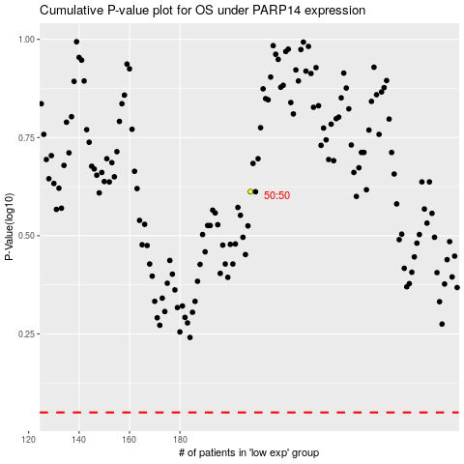

 |  |  |  |  |  | cases_OS | p_OS | rank | exp
 |  |  |  |  |  |  | cases_RFS | p_RFS | rank | exp

