PARP16 _multivariate
Reported by Tex Li-Hsing Chi. tex@gate.sinica.edu.tw 2019-08-17

Table 2. The clinicopathological features of HNSCC cohort and PARP16 expression. (Chi square test)
Cutoff at -0.347 (49.8%)
 |  | PARP16 expression |  | PARP16 expression |  | (Optimised)
 | Features | Low | (%) | High | (%) | Case no | P-value | Remark | Matthews
Gender | Female | 147 | 35.4 | 159 | 38.3 | 415 | 0.2523 | 0 | 0
2 | Male | 60 | 14.5 | 49 | 11.8
Age at diagnosis | <=65y | 132 | 31.8 | 142 | 34.2 | 415 | 0.3874 | 0 | 0
4 | >65y | 75 | 18.1 | 66 | 15.9
Clinical T Status | T1+T2 | 72 | 17.3 | 77 | 18.6 | 415 | 0.7095 | 0 | 0
6 | T3+T4 | 135 | 32.5 | 131 | 31.6
Clinical N Status | N0 | 105 | 25.3 | 111 | 26.7 | 415 | 0.6598 | 0 | 0
8 | N1-3 | 102 | 24.6 | 97 | 23.4
Clinical M Status | M0 | 206 | 49.6 | 206 | 49.6 | 415 | 1 | 0 | 0
10 | M1 | 1 | 0.2 | 2 | 0.5
Clinical Stage | Stage I+II | 52 | 12.5 | 50 | 12 | 415 | 0.8871 | 0 | 0
12 | Stage III+IV | 155 | 37.3 | 158 | 38.1
Surgical Margin status | Negative | 163 | 39.3 | 155 | 37.3 | 415 | 0.3537 | 0 | 0
14 | Positive | 44 | 10.6 | 53 | 12.8
Tobacco Exposure | Low | 86 | 20.7 | 75 | 18.1 | 415 | 0.2687 | 0 | 0
16 | High | 121 | 29.2 | 133 | 32

Table 3. Univariate/Multivariate Cox's proportional hazards regression analyses on OS time of PARP16 gene expression in HNSCC

 |  | Univariate |  |  |  | Multivariate
 | Features | HR | CI95%(L) | CI95%(H) | P-value | HR | CI95%(L) | CI95%(H) | P-value
1 | Female | 1 |  |  |  | 1
Gender | Male | 1.157 | 0.843 | 1.587 | 0.367 | 1.19 | 0.85 | 1.667 | 0.311
11 | <=65y | 1 |  |  |  | 1
Age at diagnosis | >65y | 1.329 | 0.99 | 1.784 | 0.058 | 1.394 | 1.025 | 1.895 | 0.034
12 | T1+T2 | 1 |  |  |  | 1
Clinical T Status | T3+T4 | 1.409 | 1.028 | 1.931 | 0.033 | 2.194 | 1.16 | 4.149 | 0.016
13 | N0 | 1 |  |  |  | 1
Clinical N Status | N1-3 | 1.185 | 0.89 | 1.577 | 0.246 | 1.241 | 0.87 | 1.77 | 0.234
14 | M0 | 1 |  |  |  | 1
Clinical M Status | M1 | 4.097 | 1.009 | 16.644 | 0.049 | 9.566 | 2.084 | 43.913 | 0.004
15 | Stage I+II | 1 |  |  |  | 1
Clinical Stage | Stage III+IV | 1.245 | 0.882 | 1.759 | 0.213 | 0.506 | 0.236 | 1.086 | 0.08
16 | Negative | 1 |  |  |  | 1
Surgical Margin status | Positive | 1.591 | 1.155 | 2.191 | 0.004 | 1.677 | 1.213 | 2.318 | 0.002
17 | Low | 1 |  |  |  | 1
Tobacco Exposure | High | 1.364 | 1.008 | 1.844 | 0.044 | 1.46 | 1.059 | 2.013 | 0.021
18 | Low | 1 |  |  |  | 1
RNAseq(z-score) | High | 0.951 | 0.714 | 1.266 | 0.73 | 0.931 | 0.695 | 1.246 | 0.631

Table 4. Univariate/Multivariate Cox's proportional hazards regression analyses on RFS time of PARP16 gene expression in HNSCC

 |  | Univariate |  |  |  | Multivariate
 | Features | HR | CI95%(L) | CI95%(H) | P-value | HR | CI95%(L) | CI95%(H) | P-value
1 | Female | 1 |  |  |  | 1
Gender | Male | 1.157 | 0.843 | 1.587 | 0.367 | 1.19 | 0.85 | 1.667 | 0.311
11 | <=65y | 1 |  |  |  | 1
Age at diagnosis | >65y | 1.329 | 0.99 | 1.784 | 0.058 | 1.394 | 1.025 | 1.895 | 0.034
12 | T1+T2 | 1 |  |  |  | 1
Clinical T Status | T3+T4 | 1.409 | 1.028 | 1.931 | 0.033 | 2.194 | 1.16 | 4.149 | 0.016
13 | N0 | 1 |  |  |  | 1
Clinical N Status | N1-3 | 1.185 | 0.89 | 1.577 | 0.246 | 1.241 | 0.87 | 1.77 | 0.234
14 | M0 | 1 |  |  |  | 1
Clinical M Status | M1 | 4.097 | 1.009 | 16.644 | 0.049 | 9.566 | 2.084 | 43.913 | 0.004
15 | Stage I+II | 1 |  |  |  | 1
Clinical Stage | Stage III+IV | 1.245 | 0.882 | 1.759 | 0.213 | 0.506 | 0.236 | 1.086 | 0.08
16 | Negative | 1 |  |  |  | 1
Surgical Margin status | Positive | 1.591 | 1.155 | 2.191 | 0.004 | 1.677 | 1.213 | 2.318 | 0.002
17 | Low | 1 |  |  |  | 1
Tobacco Exposure | High | 1.364 | 1.008 | 1.844 | 0.044 | 1.46 | 1.059 | 2.013 | 0.021
18 | Low | 1 |  |  |  | 1
RNAseq(z-score) | High | 0.951 | 0.714 | 1.266 | 0.73 | 0.931 | 0.695 | 1.246 | 0.631

Kaplan-Meier survival estimate: Cutoff at -0.347 (49.8%)



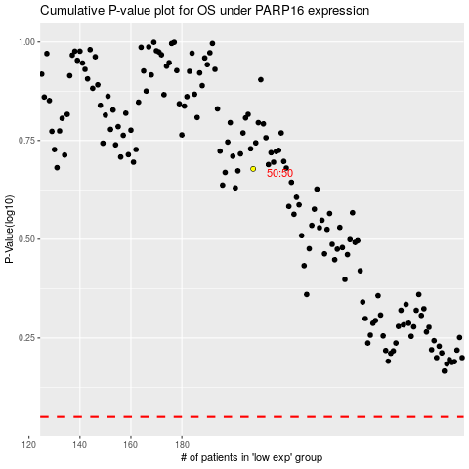

 |  |  |  |  |  | cases_OS | p_OS | rank | exp
 |  |  |  |  |  |  | cases_RFS | p_RFS | rank | exp

