PARP6 _multivariate
Reported by Tex Li-Hsing Chi. tex@gate.sinica.edu.tw 2019-08-17

Table 2. The clinicopathological features of HNSCC cohort and PARP6 expression. (Chi square test)
Cutoff at -0.12 (50.0%)
 |  | PARP6 expression |  | PARP6 expression |  | (Optimised)
 | Features | Low | (%) | High | (%) | Case no | P-value | Remark | Matthews
Gender | Female | 154 | 37.1 | 152 | 36.6 | 415 | 0.8463 | 0 | 0
2 | Male | 53 | 12.8 | 56 | 13.5
Age at diagnosis | <=65y | 131 | 31.6 | 143 | 34.5 | 415 | 0.2839 | 0 | 0
4 | >65y | 76 | 18.3 | 65 | 15.7
Clinical T Status | T1+T2 | 80 | 19.3 | 69 | 16.6 | 415 | 0.2891 | 0 | 0
6 | T3+T4 | 127 | 30.6 | 139 | 33.5
Clinical N Status | N0 | 114 | 27.5 | 102 | 24.6 | 415 | 0.2576 | 1 | 0
8 | N1-3 | 93 | 22.4 | 106 | 25.5
Clinical M Status | M0 | 206 | 49.6 | 206 | 49.6 | 415 | 1 | 0 | 0
10 | M1 | 1 | 0.2 | 2 | 0.5
Clinical Stage | Stage I+II | 61 | 14.7 | 41 | 9.9 | 415 | 0.0282 | 1 | 0
12 | Stage III+IV | 146 | 35.2 | 167 | 40.2
Surgical Margin status | Negative | 160 | 38.6 | 158 | 38.1 | 415 | 0.8167 | 0 | 0
14 | Positive | 47 | 11.3 | 50 | 12
Tobacco Exposure | Low | 86 | 20.7 | 75 | 18.1 | 415 | 0.2687 | 0 | 0
16 | High | 121 | 29.2 | 133 | 32

Table 3. Univariate/Multivariate Cox's proportional hazards regression analyses on OS time of PARP6 gene expression in HNSCC

 |  | Univariate |  |  |  | Multivariate
 | Features | HR | CI95%(L) | CI95%(H) | P-value | HR | CI95%(L) | CI95%(H) | P-value
1 | Female | 1 |  |  |  | 1
Gender | Male | 1.157 | 0.843 | 1.587 | 0.367 | 1.203 | 0.861 | 1.682 | 0.279
11 | <=65y | 1 |  |  |  | 1
Age at diagnosis | >65y | 1.329 | 0.99 | 1.784 | 0.058 | 1.391 | 1.023 | 1.891 | 0.035
12 | T1+T2 | 1 |  |  |  | 1
Clinical T Status | T3+T4 | 1.409 | 1.028 | 1.931 | 0.033 | 2.199 | 1.163 | 4.16 | 0.015
13 | N0 | 1 |  |  |  | 1
Clinical N Status | N1-3 | 1.185 | 0.89 | 1.577 | 0.246 | 1.24 | 0.869 | 1.769 | 0.236
14 | M0 | 1 |  |  |  | 1
Clinical M Status | M1 | 4.097 | 1.009 | 16.644 | 0.049 | 9.412 | 2.053 | 43.145 | 0.004
15 | Stage I+II | 1 |  |  |  | 1
Clinical Stage | Stage III+IV | 1.245 | 0.882 | 1.759 | 0.213 | 0.506 | 0.236 | 1.089 | 0.082
16 | Negative | 1 |  |  |  | 1
Surgical Margin status | Positive | 1.591 | 1.155 | 2.191 | 0.004 | 1.674 | 1.211 | 2.313 | 0.002
17 | Low | 1 |  |  |  | 1
Tobacco Exposure | High | 1.364 | 1.008 | 1.844 | 0.044 | 1.455 | 1.055 | 2.005 | 0.022
18 | Low | 1 |  |  |  | 1
RNAseq(z-score) | High | 1.016 | 0.763 | 1.353 | 0.912 | 0.98 | 0.734 | 1.309 | 0.891

Table 4. Univariate/Multivariate Cox's proportional hazards regression analyses on RFS time of PARP6 gene expression in HNSCC

 |  | Univariate |  |  |  | Multivariate
 | Features | HR | CI95%(L) | CI95%(H) | P-value | HR | CI95%(L) | CI95%(H) | P-value
1 | Female | 1 |  |  |  | 1
Gender | Male | 1.157 | 0.843 | 1.587 | 0.367 | 1.203 | 0.861 | 1.682 | 0.279
11 | <=65y | 1 |  |  |  | 1
Age at diagnosis | >65y | 1.329 | 0.99 | 1.784 | 0.058 | 1.391 | 1.023 | 1.891 | 0.035
12 | T1+T2 | 1 |  |  |  | 1
Clinical T Status | T3+T4 | 1.409 | 1.028 | 1.931 | 0.033 | 2.199 | 1.163 | 4.16 | 0.015
13 | N0 | 1 |  |  |  | 1
Clinical N Status | N1-3 | 1.185 | 0.89 | 1.577 | 0.246 | 1.24 | 0.869 | 1.769 | 0.236
14 | M0 | 1 |  |  |  | 1
Clinical M Status | M1 | 4.097 | 1.009 | 16.644 | 0.049 | 9.412 | 2.053 | 43.145 | 0.004
15 | Stage I+II | 1 |  |  |  | 1
Clinical Stage | Stage III+IV | 1.245 | 0.882 | 1.759 | 0.213 | 0.506 | 0.236 | 1.089 | 0.082
16 | Negative | 1 |  |  |  | 1
Surgical Margin status | Positive | 1.591 | 1.155 | 2.191 | 0.004 | 1.674 | 1.211 | 2.313 | 0.002
17 | Low | 1 |  |  |  | 1
Tobacco Exposure | High | 1.364 | 1.008 | 1.844 | 0.044 | 1.455 | 1.055 | 2.005 | 0.022
18 | Low | 1 |  |  |  | 1
RNAseq(z-score) | High | 1.016 | 0.763 | 1.353 | 0.912 | 0.98 | 0.734 | 1.309 | 0.891

Kaplan-Meier survival estimate: Cutoff at -0.12 (50.0%)



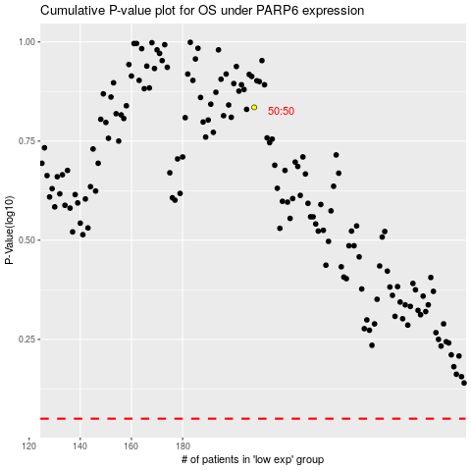

 |  |  |  |  |  | cases_OS | p_OS | rank | exp
 |  |  |  |  |  |  | cases_RFS | p_RFS | rank | exp

