PART1 _multivariate
Reported by Tex Li-Hsing Chi. tex@gate.sinica.edu.tw 2019-08-17

Table 2. The clinicopathological features of HNSCC cohort and PART1 expression. (Chi square test)
Cutoff at -0.394 (50.0%)
 |  | PART1 expression |  | PART1 expression |  | (Optimised)
 | Features | Low | (%) | High | (%) | Case no | P-value | Remark | Matthews
Gender | Female | 157 | 37.8 | 149 | 35.9 | 415 | 0.3881 | 0 | 0
2 | Male | 50 | 12 | 59 | 14.2
Age at diagnosis | <=65y | 136 | 32.8 | 138 | 33.3 | 415 | 0.9719 | 0 | 0
4 | >65y | 71 | 17.1 | 70 | 16.9
Clinical T Status | T1+T2 | 58 | 14 | 91 | 21.9 | 415 | 0.0012 | 1 | 0
6 | T3+T4 | 149 | 35.9 | 117 | 28.2
Clinical N Status | N0 | 97 | 23.4 | 119 | 28.7 | 415 | 0.0442 | 1 | 0
8 | N1-3 | 110 | 26.5 | 89 | 21.4
Clinical M Status | M0 | 206 | 49.6 | 206 | 49.6 | 415 | 1 | 0 | 0
10 | M1 | 1 | 0.2 | 2 | 0.5
Clinical Stage | Stage I+II | 42 | 10.1 | 60 | 14.5 | 415 | 0.0561 | 0 | 0
12 | Stage III+IV | 165 | 39.8 | 148 | 35.7
Surgical Margin status | Negative | 152 | 36.6 | 166 | 40 | 415 | 0.1329 | 0 | 0
14 | Positive | 55 | 13.3 | 42 | 10.1
Tobacco Exposure | Low | 85 | 20.5 | 76 | 18.3 | 415 | 0.3655 | 0 | 0
16 | High | 122 | 29.4 | 132 | 31.8

Table 3. Univariate/Multivariate Cox's proportional hazards regression analyses on OS time of PART1 gene expression in HNSCC

 |  | Univariate |  |  |  | Multivariate
 | Features | HR | CI95%(L) | CI95%(H) | P-value | HR | CI95%(L) | CI95%(H) | P-value
1 | Female | 1 |  |  |  | 1
Gender | Male | 1.157 | 0.843 | 1.587 | 0.367 | 1.244 | 0.887 | 1.746 | 0.205
11 | <=65y | 1 |  |  |  | 1
Age at diagnosis | >65y | 1.329 | 0.99 | 1.784 | 0.058 | 1.425 | 1.045 | 1.944 | 0.025
12 | T1+T2 | 1 |  |  |  | 1
Clinical T Status | T3+T4 | 1.409 | 1.028 | 1.931 | 0.033 | 2.04 | 1.067 | 3.9 | 0.031
13 | N0 | 1 |  |  |  | 1
Clinical N Status | N1-3 | 1.185 | 0.89 | 1.577 | 0.246 | 1.205 | 0.841 | 1.726 | 0.31
14 | M0 | 1 |  |  |  | 1
Clinical M Status | M1 | 4.097 | 1.009 | 16.644 | 0.049 | 9.325 | 2.034 | 42.746 | 0.004
15 | Stage I+II | 1 |  |  |  | 1
Clinical Stage | Stage III+IV | 1.245 | 0.882 | 1.759 | 0.213 | 0.533 | 0.247 | 1.149 | 0.108
16 | Negative | 1 |  |  |  | 1
Surgical Margin status | Positive | 1.591 | 1.155 | 2.191 | 0.004 | 1.651 | 1.194 | 2.282 | 0.002
17 | Low | 1 |  |  |  | 1
Tobacco Exposure | High | 1.364 | 1.008 | 1.844 | 0.044 | 1.501 | 1.085 | 2.077 | 0.014
18 | Low | 1 |  |  |  | 1
RNAseq(z-score) | High | 0.811 | 0.608 | 1.081 | 0.154 | 0.822 | 0.606 | 1.116 | 0.21

Table 4. Univariate/Multivariate Cox's proportional hazards regression analyses on RFS time of PART1 gene expression in HNSCC

 |  | Univariate |  |  |  | Multivariate
 | Features | HR | CI95%(L) | CI95%(H) | P-value | HR | CI95%(L) | CI95%(H) | P-value
1 | Female | 1 |  |  |  | 1
Gender | Male | 1.157 | 0.843 | 1.587 | 0.367 | 1.244 | 0.887 | 1.746 | 0.205
11 | <=65y | 1 |  |  |  | 1
Age at diagnosis | >65y | 1.329 | 0.99 | 1.784 | 0.058 | 1.425 | 1.045 | 1.944 | 0.025
12 | T1+T2 | 1 |  |  |  | 1
Clinical T Status | T3+T4 | 1.409 | 1.028 | 1.931 | 0.033 | 2.04 | 1.067 | 3.9 | 0.031
13 | N0 | 1 |  |  |  | 1
Clinical N Status | N1-3 | 1.185 | 0.89 | 1.577 | 0.246 | 1.205 | 0.841 | 1.726 | 0.31
14 | M0 | 1 |  |  |  | 1
Clinical M Status | M1 | 4.097 | 1.009 | 16.644 | 0.049 | 9.325 | 2.034 | 42.746 | 0.004
15 | Stage I+II | 1 |  |  |  | 1
Clinical Stage | Stage III+IV | 1.245 | 0.882 | 1.759 | 0.213 | 0.533 | 0.247 | 1.149 | 0.108
16 | Negative | 1 |  |  |  | 1
Surgical Margin status | Positive | 1.591 | 1.155 | 2.191 | 0.004 | 1.651 | 1.194 | 2.282 | 0.002
17 | Low | 1 |  |  |  | 1
Tobacco Exposure | High | 1.364 | 1.008 | 1.844 | 0.044 | 1.501 | 1.085 | 2.077 | 0.014
18 | Low | 1 |  |  |  | 1
RNAseq(z-score) | High | 0.811 | 0.608 | 1.081 | 0.154 | 0.822 | 0.606 | 1.116 | 0.21

Kaplan-Meier survival estimate: Cutoff at -0.394 (50.0%)



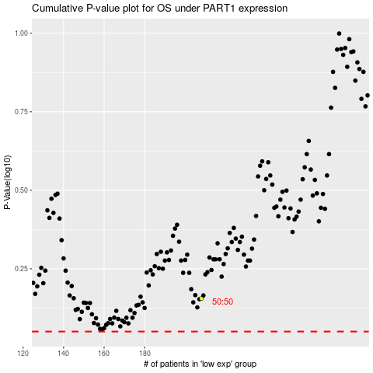

 |  |  |  |  |  | cases_OS | p_OS | rank | exp
 |  |  |  |  |  |  | cases_RFS | p_RFS | rank | exp

