PARVA _multivariate
Reported by Tex Li-Hsing Chi. tex@gate.sinica.edu.tw 2019-08-17

Table 2. The clinicopathological features of HNSCC cohort and PARVA expression. (Chi square test)
Cutoff at 0.414 (69.6%)
 |  | PARVA expression |  | PARVA expression |  | (Optimised)
 | Features | Low | (%) | High | (%) | Case no | P-value | Remark | Matthews
Gender | Female | 211 | 50.8 | 95 | 22.9 | 415 | 0.699 | 0 | 0
2 | Male | 78 | 18.8 | 31 | 7.5
Age at diagnosis | <=65y | 195 | 47 | 79 | 19 | 415 | 0.4055 | 0 | 0
4 | >65y | 94 | 22.7 | 47 | 11.3
Clinical T Status | T1+T2 | 102 | 24.6 | 47 | 11.3 | 415 | 0.7789 | 0 | 0
6 | T3+T4 | 187 | 45.1 | 79 | 19
Clinical N Status | N0 | 151 | 36.4 | 65 | 15.7 | 415 | 0.9862 | 0 | 0
8 | N1-3 | 138 | 33.3 | 61 | 14.7
Clinical M Status | M0 | 287 | 69.2 | 125 | 30.1 | 415 | 1 | 0 | 0
10 | M1 | 2 | 0.5 | 1 | 0.2
Clinical Stage | Stage I+II | 67 | 16.1 | 35 | 8.4 | 415 | 0.3813 | 0 | 0
12 | Stage III+IV | 222 | 53.5 | 91 | 21.9
Surgical Margin status | Negative | 218 | 52.5 | 100 | 24.1 | 415 | 0.4495 | 0 | 0
14 | Positive | 71 | 17.1 | 26 | 6.3
Tobacco Exposure | Low | 109 | 26.3 | 52 | 12.5 | 415 | 0.5123 | 0 | 0
16 | High | 180 | 43.4 | 74 | 17.8

Table 3. Univariate/Multivariate Cox's proportional hazards regression analyses on OS time of PARVA gene expression in HNSCC

 |  | Univariate |  |  |  | Multivariate
 | Features | HR | CI95%(L) | CI95%(H) | P-value | HR | CI95%(L) | CI95%(H) | P-value
1 | Female | 1 |  |  |  | 1
Gender | Male | 1.157 | 0.843 | 1.587 | 0.367 | 1.23 | 0.882 | 1.716 | 0.222
11 | <=65y | 1 |  |  |  | 1
Age at diagnosis | >65y | 1.329 | 0.99 | 1.784 | 0.058 | 1.407 | 1.035 | 1.913 | 0.029
12 | T1+T2 | 1 |  |  |  | 1
Clinical T Status | T3+T4 | 1.409 | 1.028 | 1.931 | 0.033 | 2.227 | 1.178 | 4.209 | 0.014
13 | N0 | 1 |  |  |  | 1
Clinical N Status | N1-3 | 1.185 | 0.89 | 1.577 | 0.246 | 1.213 | 0.851 | 1.731 | 0.286
14 | M0 | 1 |  |  |  | 1
Clinical M Status | M1 | 4.097 | 1.009 | 16.644 | 0.049 | 9.213 | 2.008 | 42.274 | 0.004
15 | Stage I+II | 1 |  |  |  | 1
Clinical Stage | Stage III+IV | 1.245 | 0.882 | 1.759 | 0.213 | 0.521 | 0.243 | 1.119 | 0.095
16 | Negative | 1 |  |  |  | 1
Surgical Margin status | Positive | 1.591 | 1.155 | 2.191 | 0.004 | 1.744 | 1.26 | 2.415 | 0.001
17 | Low | 1 |  |  |  | 1
Tobacco Exposure | High | 1.364 | 1.008 | 1.844 | 0.044 | 1.472 | 1.068 | 2.028 | 0.018
18 | Low | 1 |  |  |  | 1
RNAseq(z-score) | High | 1.374 | 1.013 | 1.863 | 0.041 | 1.489 | 1.094 | 2.028 | 0.011

Table 4. Univariate/Multivariate Cox's proportional hazards regression analyses on RFS time of PARVA gene expression in HNSCC

 |  | Univariate |  |  |  | Multivariate
 | Features | HR | CI95%(L) | CI95%(H) | P-value | HR | CI95%(L) | CI95%(H) | P-value
1 | Female | 1 |  |  |  | 1
Gender | Male | 1.157 | 0.843 | 1.587 | 0.367 | 1.23 | 0.882 | 1.716 | 0.222
11 | <=65y | 1 |  |  |  | 1
Age at diagnosis | >65y | 1.329 | 0.99 | 1.784 | 0.058 | 1.407 | 1.035 | 1.913 | 0.029
12 | T1+T2 | 1 |  |  |  | 1
Clinical T Status | T3+T4 | 1.409 | 1.028 | 1.931 | 0.033 | 2.227 | 1.178 | 4.209 | 0.014
13 | N0 | 1 |  |  |  | 1
Clinical N Status | N1-3 | 1.185 | 0.89 | 1.577 | 0.246 | 1.213 | 0.851 | 1.731 | 0.286
14 | M0 | 1 |  |  |  | 1
Clinical M Status | M1 | 4.097 | 1.009 | 16.644 | 0.049 | 9.213 | 2.008 | 42.274 | 0.004
15 | Stage I+II | 1 |  |  |  | 1
Clinical Stage | Stage III+IV | 1.245 | 0.882 | 1.759 | 0.213 | 0.521 | 0.243 | 1.119 | 0.095
16 | Negative | 1 |  |  |  | 1
Surgical Margin status | Positive | 1.591 | 1.155 | 2.191 | 0.004 | 1.744 | 1.26 | 2.415 | 0.001
17 | Low | 1 |  |  |  | 1
Tobacco Exposure | High | 1.364 | 1.008 | 1.844 | 0.044 | 1.472 | 1.068 | 2.028 | 0.018
18 | Low | 1 |  |  |  | 1
RNAseq(z-score) | High | 1.374 | 1.013 | 1.863 | 0.041 | 1.489 | 1.094 | 2.028 | 0.011

Kaplan-Meier survival estimate: Cutoff at 0.414 (69.6%)



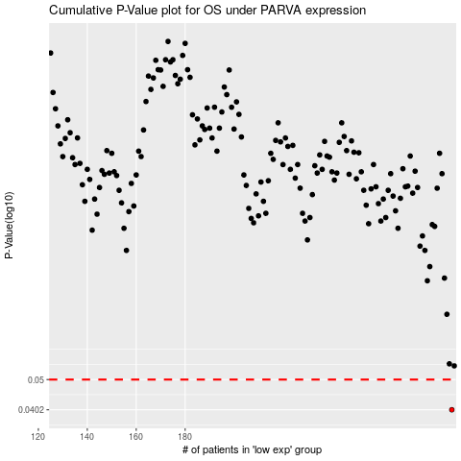

 |  |  |  |  |  | cases_OS | p_OS | rank | exp
 |  |  |  |  |  | 289 | 0.0402 | 308 | 0.41426237093
 |  |  |  |  |  |  | cases_RFS | p_RFS | rank | exp
 |  |  |  |  |  |  | 288 | 0.0402 | 321 | 0.40920872837

