PARVG _multivariate
Reported by Tex Li-Hsing Chi. tex@gate.sinica.edu.tw 2019-08-17

Table 2. The clinicopathological features of HNSCC cohort and PARVG expression. (Chi square test)
Cutoff at -0.004 (64.0%)
 |  | PARVG expression |  | PARVG expression |  | (Optimised)
 | Features | Low | (%) | High | (%) | Case no | P-value | Remark | Matthews
Gender | Female | 202 | 48.7 | 104 | 25.1 | 415 | 0.2122 | 0 | 0
2 | Male | 64 | 15.4 | 45 | 10.8
Age at diagnosis | <=65y | 181 | 43.6 | 93 | 22.4 | 415 | 0.2921 | 0 | 0
4 | >65y | 85 | 20.5 | 56 | 13.5
Clinical T Status | T1+T2 | 87 | 21 | 62 | 14.9 | 415 | 0.0878 | 0 | 0
6 | T3+T4 | 179 | 43.1 | 87 | 21
Clinical N Status | N0 | 147 | 35.4 | 69 | 16.6 | 415 | 0.0991 | 0 | 0
8 | N1-3 | 119 | 28.7 | 80 | 19.3
Clinical M Status | M0 | 263 | 63.4 | 149 | 35.9 | 415 | 0.5559 | 0 | 0
10 | M1 | 3 | 0.7 | 0 | 0
Clinical Stage | Stage I+II | 63 | 15.2 | 39 | 9.4 | 415 | 0.6553 | 0 | 0
12 | Stage III+IV | 203 | 48.9 | 110 | 26.5
Surgical Margin status | Negative | 204 | 49.2 | 114 | 27.5 | 415 | 1 | 0 | 0
14 | Positive | 62 | 14.9 | 35 | 8.4
Tobacco Exposure | Low | 92 | 22.2 | 69 | 16.6 | 415 | 0.021 | 1 | 0
16 | High | 174 | 41.9 | 80 | 19.3

Table 3. Univariate/Multivariate Cox's proportional hazards regression analyses on OS time of PARVG gene expression in HNSCC

 |  | Univariate |  |  |  | Multivariate
 | Features | HR | CI95%(L) | CI95%(H) | P-value | HR | CI95%(L) | CI95%(H) | P-value
1 | Female | 1 |  |  |  | 1
Gender | Male | 1.157 | 0.843 | 1.587 | 0.367 | 1.193 | 0.854 | 1.667 | 0.301
11 | <=65y | 1 |  |  |  | 1
Age at diagnosis | >65y | 1.329 | 0.99 | 1.784 | 0.058 | 1.426 | 1.048 | 1.94 | 0.024
12 | T1+T2 | 1 |  |  |  | 1
Clinical T Status | T3+T4 | 1.409 | 1.028 | 1.931 | 0.033 | 2.118 | 1.119 | 4.008 | 0.021
13 | N0 | 1 |  |  |  | 1
Clinical N Status | N1-3 | 1.185 | 0.89 | 1.577 | 0.246 | 1.269 | 0.889 | 1.811 | 0.19
14 | M0 | 1 |  |  |  | 1
Clinical M Status | M1 | 4.097 | 1.009 | 16.644 | 0.049 | 8.22 | 1.783 | 37.899 | 0.007
15 | Stage I+II | 1 |  |  |  | 1
Clinical Stage | Stage III+IV | 1.245 | 0.882 | 1.759 | 0.213 | 0.51 | 0.238 | 1.094 | 0.084
16 | Negative | 1 |  |  |  | 1
Surgical Margin status | Positive | 1.591 | 1.155 | 2.191 | 0.004 | 1.691 | 1.223 | 2.337 | 0.001
17 | Low | 1 |  |  |  | 1
Tobacco Exposure | High | 1.364 | 1.008 | 1.844 | 0.044 | 1.417 | 1.027 | 1.956 | 0.034
18 | Low | 1 |  |  |  | 1
RNAseq(z-score) | High | 0.728 | 0.535 | 0.991 | 0.044 | 0.747 | 0.546 | 1.022 | 0.069

Table 4. Univariate/Multivariate Cox's proportional hazards regression analyses on RFS time of PARVG gene expression in HNSCC

 |  | Univariate |  |  |  | Multivariate
 | Features | HR | CI95%(L) | CI95%(H) | P-value | HR | CI95%(L) | CI95%(H) | P-value
1 | Female | 1 |  |  |  | 1
Gender | Male | 1.157 | 0.843 | 1.587 | 0.367 | 1.193 | 0.854 | 1.667 | 0.301
11 | <=65y | 1 |  |  |  | 1
Age at diagnosis | >65y | 1.329 | 0.99 | 1.784 | 0.058 | 1.426 | 1.048 | 1.94 | 0.024
12 | T1+T2 | 1 |  |  |  | 1
Clinical T Status | T3+T4 | 1.409 | 1.028 | 1.931 | 0.033 | 2.118 | 1.119 | 4.008 | 0.021
13 | N0 | 1 |  |  |  | 1
Clinical N Status | N1-3 | 1.185 | 0.89 | 1.577 | 0.246 | 1.269 | 0.889 | 1.811 | 0.19
14 | M0 | 1 |  |  |  | 1
Clinical M Status | M1 | 4.097 | 1.009 | 16.644 | 0.049 | 8.22 | 1.783 | 37.899 | 0.007
15 | Stage I+II | 1 |  |  |  | 1
Clinical Stage | Stage III+IV | 1.245 | 0.882 | 1.759 | 0.213 | 0.51 | 0.238 | 1.094 | 0.084
16 | Negative | 1 |  |  |  | 1
Surgical Margin status | Positive | 1.591 | 1.155 | 2.191 | 0.004 | 1.691 | 1.223 | 2.337 | 0.001
17 | Low | 1 |  |  |  | 1
Tobacco Exposure | High | 1.364 | 1.008 | 1.844 | 0.044 | 1.417 | 1.027 | 1.956 | 0.034
18 | Low | 1 |  |  |  | 1
RNAseq(z-score) | High | 0.728 | 0.535 | 0.991 | 0.044 | 0.747 | 0.546 | 1.022 | 0.069

Kaplan-Meier survival estimate: Cutoff at -0.004 (64.0%)



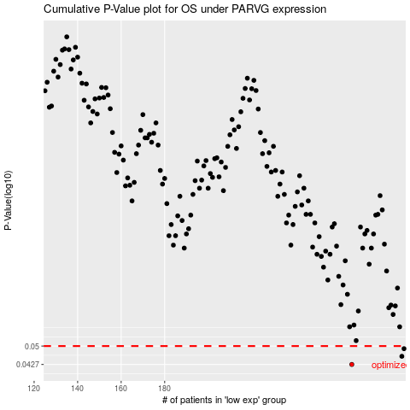

 |  |  |  |  |  | cases_OS | p_OS | rank | exp
 |  |  |  |  |  | 266 | 0.0427 | 231 | -0.0037150572718
 |  |  |  |  |  | 289 | 0.0458 | 319 | 0.13421668688
 |  |  |  |  |  | 290 | 0.0489 | 169 | 0.14413589786
 |  |  |  |  |  |  | cases_RFS | p_RFS | rank | exp
 |  |  |  |  |  |  | 265 | 0.0427 | 289 | -0.0045368491162
 |  |  |  |  |  |  | 288 | 0.0458 | 237 | 0.13316808586
 |  |  |  |  |  |  | 289 | 0.0489 | 319 | 0.13421668688

