PATL2 _multivariate
Reported by Tex Li-Hsing Chi. tex@gate.sinica.edu.tw 2019-08-17

Table 2. The clinicopathological features of HNSCC cohort and PATL2 expression. (Chi square test)
Cutoff at -0.556 (33.8%)
 |  | PATL2 expression |  | PATL2 expression |  | (Optimised)
 | Features | Low | (%) | High | (%) | Case no | P-value | Remark | Matthews
Gender | Female | 109 | 26.3 | 197 | 47.5 | 415 | 0.2137 | 0 | 0
2 | Male | 31 | 7.5 | 78 | 18.8
Age at diagnosis | <=65y | 96 | 23.1 | 178 | 42.9 | 415 | 0.5015 | 0 | 0
4 | >65y | 44 | 10.6 | 97 | 23.4
Clinical T Status | T1+T2 | 47 | 11.3 | 102 | 24.6 | 415 | 0.5496 | 0 | 0
6 | T3+T4 | 93 | 22.4 | 173 | 41.7
Clinical N Status | N0 | 79 | 19 | 137 | 33 | 415 | 0.2418 | 0 | 0
8 | N1-3 | 61 | 14.7 | 138 | 33.3
Clinical M Status | M0 | 140 | 33.7 | 272 | 65.5 | 415 | 0.554 | 0 | 0
10 | M1 | 0 | 0 | 3 | 0.7
Clinical Stage | Stage I+II | 36 | 8.7 | 66 | 15.9 | 415 | 0.7926 | 0 | 0
12 | Stage III+IV | 104 | 25.1 | 209 | 50.4
Surgical Margin status | Negative | 109 | 26.3 | 209 | 50.4 | 415 | 0.7141 | 0 | 0
14 | Positive | 31 | 7.5 | 66 | 15.9
Tobacco Exposure | Low | 48 | 11.6 | 113 | 27.2 | 415 | 0.2014 | 0 | 0
16 | High | 92 | 22.2 | 162 | 39

Table 3. Univariate/Multivariate Cox's proportional hazards regression analyses on OS time of PATL2 gene expression in HNSCC

 |  | Univariate |  |  |  | Multivariate
 | Features | HR | CI95%(L) | CI95%(H) | P-value | HR | CI95%(L) | CI95%(H) | P-value
1 | Female | 1 |  |  |  | 1
Gender | Male | 1.157 | 0.843 | 1.587 | 0.367 | 1.214 | 0.87 | 1.695 | 0.253
11 | <=65y | 1 |  |  |  | 1
Age at diagnosis | >65y | 1.329 | 0.99 | 1.784 | 0.058 | 1.452 | 1.066 | 1.976 | 0.018
12 | T1+T2 | 1 |  |  |  | 1
Clinical T Status | T3+T4 | 1.409 | 1.028 | 1.931 | 0.033 | 2.195 | 1.162 | 4.144 | 0.015
13 | N0 | 1 |  |  |  | 1
Clinical N Status | N1-3 | 1.185 | 0.89 | 1.577 | 0.246 | 1.296 | 0.906 | 1.855 | 0.156
14 | M0 | 1 |  |  |  | 1
Clinical M Status | M1 | 4.097 | 1.009 | 16.644 | 0.049 | 10.68 | 2.32 | 49.168 | 0.002
15 | Stage I+II | 1 |  |  |  | 1
Clinical Stage | Stage III+IV | 1.245 | 0.882 | 1.759 | 0.213 | 0.491 | 0.229 | 1.054 | 0.068
16 | Negative | 1 |  |  |  | 1
Surgical Margin status | Positive | 1.591 | 1.155 | 2.191 | 0.004 | 1.689 | 1.222 | 2.333 | 0.001
17 | Low | 1 |  |  |  | 1
Tobacco Exposure | High | 1.364 | 1.008 | 1.844 | 0.044 | 1.421 | 1.032 | 1.958 | 0.031
18 | Low | 1 |  |  |  | 1
RNAseq(z-score) | High | 0.742 | 0.553 | 0.996 | 0.047 | 0.695 | 0.514 | 0.939 | 0.018

Table 4. Univariate/Multivariate Cox's proportional hazards regression analyses on RFS time of PATL2 gene expression in HNSCC

 |  | Univariate |  |  |  | Multivariate
 | Features | HR | CI95%(L) | CI95%(H) | P-value | HR | CI95%(L) | CI95%(H) | P-value
1 | Female | 1 |  |  |  | 1
Gender | Male | 1.157 | 0.843 | 1.587 | 0.367 | 1.214 | 0.87 | 1.695 | 0.253
11 | <=65y | 1 |  |  |  | 1
Age at diagnosis | >65y | 1.329 | 0.99 | 1.784 | 0.058 | 1.452 | 1.066 | 1.976 | 0.018
12 | T1+T2 | 1 |  |  |  | 1
Clinical T Status | T3+T4 | 1.409 | 1.028 | 1.931 | 0.033 | 2.195 | 1.162 | 4.144 | 0.015
13 | N0 | 1 |  |  |  | 1
Clinical N Status | N1-3 | 1.185 | 0.89 | 1.577 | 0.246 | 1.296 | 0.906 | 1.855 | 0.156
14 | M0 | 1 |  |  |  | 1
Clinical M Status | M1 | 4.097 | 1.009 | 16.644 | 0.049 | 10.68 | 2.32 | 49.168 | 0.002
15 | Stage I+II | 1 |  |  |  | 1
Clinical Stage | Stage III+IV | 1.245 | 0.882 | 1.759 | 0.213 | 0.491 | 0.229 | 1.054 | 0.068
16 | Negative | 1 |  |  |  | 1
Surgical Margin status | Positive | 1.591 | 1.155 | 2.191 | 0.004 | 1.689 | 1.222 | 2.333 | 0.001
17 | Low | 1 |  |  |  | 1
Tobacco Exposure | High | 1.364 | 1.008 | 1.844 | 0.044 | 1.421 | 1.032 | 1.958 | 0.031
18 | Low | 1 |  |  |  | 1
RNAseq(z-score) | High | 0.742 | 0.553 | 0.996 | 0.047 | 0.695 | 0.514 | 0.939 | 0.018

Kaplan-Meier survival estimate: Cutoff at -0.556 (33.8%)



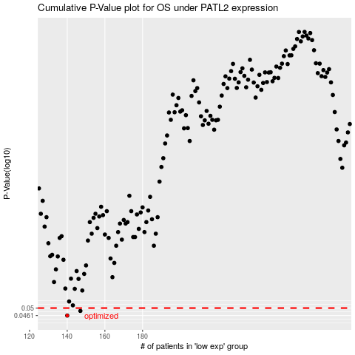

 |  |  |  |  |  | cases_OS | p_OS | rank | exp
 |  |  |  |  |  | 140 | 0.0461 | 292 | -0.55561140984
 |  |  |  |  |  | 147 | 0.0485 | 150 | -0.52594431122
 |  |  |  |  |  |  | cases_RFS | p_RFS | rank | exp
 |  |  |  |  |  |  | 139 | 0.0461 | 133 | -0.55689050867
 |  |  |  |  |  |  | 146 | 0.0485 | 225 | -0.53027725852

