PAWR _multivariate
Reported by Tex Li-Hsing Chi. tex@gate.sinica.edu.tw 2019-08-17

Table 2. The clinicopathological features of HNSCC cohort and PAWR expression. (Chi square test)
Cutoff at 0.497 (69.1%)
 |  | PAWR expression |  | PAWR expression |  | (Optimised)
 | Features | Low | (%) | High | (%) | Case no | P-value | Remark | Matthews
Gender | Female | 204 | 49.2 | 102 | 24.6 | 415 | 0.0855 | 0 | 0
2 | Male | 83 | 20 | 26 | 6.3
Age at diagnosis | <=65y | 188 | 45.3 | 86 | 20.7 | 415 | 0.8243 | 0 | 0
4 | >65y | 99 | 23.9 | 42 | 10.1
Clinical T Status | T1+T2 | 117 | 28.2 | 32 | 7.7 | 415 | 0.0029 | 1 | 0
6 | T3+T4 | 170 | 41 | 96 | 23.1
Clinical N Status | N0 | 159 | 38.3 | 57 | 13.7 | 415 | 0.0523 | 0 | 0
8 | N1-3 | 128 | 30.8 | 71 | 17.1
Clinical M Status | M0 | 285 | 68.7 | 127 | 30.6 | 415 | 1 | 0 | 0
10 | M1 | 2 | 0.5 | 1 | 0.2
Clinical Stage | Stage I+II | 79 | 19 | 23 | 5.5 | 415 | 0.0494 | 1 | 0
12 | Stage III+IV | 208 | 50.1 | 105 | 25.3
Surgical Margin status | Negative | 222 | 53.5 | 96 | 23.1 | 415 | 0.6167 | 0 | 0
14 | Positive | 65 | 15.7 | 32 | 7.7
Tobacco Exposure | Low | 114 | 27.5 | 47 | 11.3 | 415 | 0.5869 | 0 | 0
16 | High | 173 | 41.7 | 81 | 19.5

Table 3. Univariate/Multivariate Cox's proportional hazards regression analyses on OS time of PAWR gene expression in HNSCC

 |  | Univariate |  |  |  | Multivariate
 | Features | HR | CI95%(L) | CI95%(H) | P-value | HR | CI95%(L) | CI95%(H) | P-value
1 | Female | 1 |  |  |  | 1
Gender | Male | 1.157 | 0.843 | 1.587 | 0.367 | 1.213 | 0.869 | 1.693 | 0.256
11 | <=65y | 1 |  |  |  | 1
Age at diagnosis | >65y | 1.329 | 0.99 | 1.784 | 0.058 | 1.41 | 1.036 | 1.918 | 0.029
12 | T1+T2 | 1 |  |  |  | 1
Clinical T Status | T3+T4 | 1.409 | 1.028 | 1.931 | 0.033 | 2.1 | 1.108 | 3.98 | 0.023
13 | N0 | 1 |  |  |  | 1
Clinical N Status | N1-3 | 1.185 | 0.89 | 1.577 | 0.246 | 1.213 | 0.849 | 1.733 | 0.288
14 | M0 | 1 |  |  |  | 1
Clinical M Status | M1 | 4.097 | 1.009 | 16.644 | 0.049 | 9.528 | 2.078 | 43.679 | 0.004
15 | Stage I+II | 1 |  |  |  | 1
Clinical Stage | Stage III+IV | 1.245 | 0.882 | 1.759 | 0.213 | 0.515 | 0.24 | 1.106 | 0.089
16 | Negative | 1 |  |  |  | 1
Surgical Margin status | Positive | 1.591 | 1.155 | 2.191 | 0.004 | 1.666 | 1.205 | 2.302 | 0.002
17 | Low | 1 |  |  |  | 1
Tobacco Exposure | High | 1.364 | 1.008 | 1.844 | 0.044 | 1.441 | 1.047 | 1.984 | 0.025
18 | Low | 1 |  |  |  | 1
RNAseq(z-score) | High | 1.344 | 1.001 | 1.804 | 0.049 | 1.292 | 0.957 | 1.745 | 0.095

Table 4. Univariate/Multivariate Cox's proportional hazards regression analyses on RFS time of PAWR gene expression in HNSCC

 |  | Univariate |  |  |  | Multivariate
 | Features | HR | CI95%(L) | CI95%(H) | P-value | HR | CI95%(L) | CI95%(H) | P-value
1 | Female | 1 |  |  |  | 1
Gender | Male | 1.157 | 0.843 | 1.587 | 0.367 | 1.213 | 0.869 | 1.693 | 0.256
11 | <=65y | 1 |  |  |  | 1
Age at diagnosis | >65y | 1.329 | 0.99 | 1.784 | 0.058 | 1.41 | 1.036 | 1.918 | 0.029
12 | T1+T2 | 1 |  |  |  | 1
Clinical T Status | T3+T4 | 1.409 | 1.028 | 1.931 | 0.033 | 2.1 | 1.108 | 3.98 | 0.023
13 | N0 | 1 |  |  |  | 1
Clinical N Status | N1-3 | 1.185 | 0.89 | 1.577 | 0.246 | 1.213 | 0.849 | 1.733 | 0.288
14 | M0 | 1 |  |  |  | 1
Clinical M Status | M1 | 4.097 | 1.009 | 16.644 | 0.049 | 9.528 | 2.078 | 43.679 | 0.004
15 | Stage I+II | 1 |  |  |  | 1
Clinical Stage | Stage III+IV | 1.245 | 0.882 | 1.759 | 0.213 | 0.515 | 0.24 | 1.106 | 0.089
16 | Negative | 1 |  |  |  | 1
Surgical Margin status | Positive | 1.591 | 1.155 | 2.191 | 0.004 | 1.666 | 1.205 | 2.302 | 0.002
17 | Low | 1 |  |  |  | 1
Tobacco Exposure | High | 1.364 | 1.008 | 1.844 | 0.044 | 1.441 | 1.047 | 1.984 | 0.025
18 | Low | 1 |  |  |  | 1
RNAseq(z-score) | High | 1.344 | 1.001 | 1.804 | 0.049 | 1.292 | 0.957 | 1.745 | 0.095

Kaplan-Meier survival estimate: Cutoff at 0.497 (69.1%)



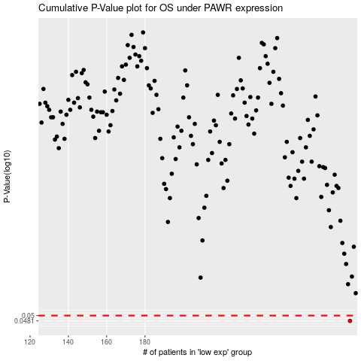

 |  |  |  |  |  | cases_OS | p_OS | rank | exp
 |  |  |  |  |  | 287 | 0.0481 | 191 | 0.49661232402
 |  |  |  |  |  |  | cases_RFS | p_RFS | rank | exp
 |  |  |  |  |  |  | 286 | 0.0481 | 193 | 0.49263203371

