PAX9 _multivariate
Reported by Tex Li-Hsing Chi. tex@gate.sinica.edu.tw 2019-08-17

Table 2. The clinicopathological features of HNSCC cohort and PAX9 expression. (Chi square test)
Cutoff at -0.429 (50.0%)
 |  | PAX9 expression |  | PAX9 expression |  | (Optimised)
 | Features | Low | (%) | High | (%) | Case no | P-value | Remark | Matthews
Gender | Female | 144 | 34.7 | 162 | 39 | 415 | 0.0697 | 0 | 0
2 | Male | 63 | 15.2 | 46 | 11.1
Age at diagnosis | <=65y | 135 | 32.5 | 139 | 33.5 | 415 | 0.8084 | 0 | 0
4 | >65y | 72 | 17.3 | 69 | 16.6
Clinical T Status | T1+T2 | 71 | 17.1 | 78 | 18.8 | 415 | 0.5638 | 0 | 0
6 | T3+T4 | 136 | 32.8 | 130 | 31.3
Clinical N Status | N0 | 103 | 24.8 | 113 | 27.2 | 415 | 0.4047 | 0 | 0
8 | N1-3 | 104 | 25.1 | 95 | 22.9
Clinical M Status | M0 | 205 | 49.4 | 207 | 49.9 | 415 | 0.6232 | 0 | 0
10 | M1 | 2 | 0.5 | 1 | 0.2
Clinical Stage | Stage I+II | 49 | 11.8 | 53 | 12.8 | 415 | 0.7535 | 0 | 0
12 | Stage III+IV | 158 | 38.1 | 155 | 37.3
Surgical Margin status | Negative | 153 | 36.9 | 165 | 39.8 | 415 | 0.2036 | 0 | 0
14 | Positive | 54 | 13 | 43 | 10.4
Tobacco Exposure | Low | 99 | 23.9 | 62 | 14.9 | 415 | 2e-04 | 1 | 0
16 | High | 108 | 26 | 146 | 35.2

Table 3. Univariate/Multivariate Cox's proportional hazards regression analyses on OS time of PAX9 gene expression in HNSCC

 |  | Univariate |  |  |  | Multivariate
 | Features | HR | CI95%(L) | CI95%(H) | P-value | HR | CI95%(L) | CI95%(H) | P-value
1 | Female | 1 |  |  |  | 1
Gender | Male | 1.157 | 0.843 | 1.587 | 0.367 | 1.19 | 0.851 | 1.664 | 0.31
11 | <=65y | 1 |  |  |  | 1
Age at diagnosis | >65y | 1.329 | 0.99 | 1.784 | 0.058 | 1.402 | 1.03 | 1.909 | 0.032
12 | T1+T2 | 1 |  |  |  | 1
Clinical T Status | T3+T4 | 1.409 | 1.028 | 1.931 | 0.033 | 2.142 | 1.131 | 4.057 | 0.019
13 | N0 | 1 |  |  |  | 1
Clinical N Status | N1-3 | 1.185 | 0.89 | 1.577 | 0.246 | 1.224 | 0.857 | 1.748 | 0.267
14 | M0 | 1 |  |  |  | 1
Clinical M Status | M1 | 4.097 | 1.009 | 16.644 | 0.049 | 8.788 | 1.909 | 40.454 | 0.005
15 | Stage I+II | 1 |  |  |  | 1
Clinical Stage | Stage III+IV | 1.245 | 0.882 | 1.759 | 0.213 | 0.517 | 0.24 | 1.111 | 0.091
16 | Negative | 1 |  |  |  | 1
Surgical Margin status | Positive | 1.591 | 1.155 | 2.191 | 0.004 | 1.657 | 1.199 | 2.29 | 0.002
17 | Low | 1 |  |  |  | 1
Tobacco Exposure | High | 1.364 | 1.008 | 1.844 | 0.044 | 1.53 | 1.096 | 2.136 | 0.012
18 | Low | 1 |  |  |  | 1
RNAseq(z-score) | High | 0.849 | 0.637 | 1.131 | 0.264 | 0.834 | 0.618 | 1.127 | 0.237

Table 4. Univariate/Multivariate Cox's proportional hazards regression analyses on RFS time of PAX9 gene expression in HNSCC

 |  | Univariate |  |  |  | Multivariate
 | Features | HR | CI95%(L) | CI95%(H) | P-value | HR | CI95%(L) | CI95%(H) | P-value
1 | Female | 1 |  |  |  | 1
Gender | Male | 1.157 | 0.843 | 1.587 | 0.367 | 1.19 | 0.851 | 1.664 | 0.31
11 | <=65y | 1 |  |  |  | 1
Age at diagnosis | >65y | 1.329 | 0.99 | 1.784 | 0.058 | 1.402 | 1.03 | 1.909 | 0.032
12 | T1+T2 | 1 |  |  |  | 1
Clinical T Status | T3+T4 | 1.409 | 1.028 | 1.931 | 0.033 | 2.142 | 1.131 | 4.057 | 0.019
13 | N0 | 1 |  |  |  | 1
Clinical N Status | N1-3 | 1.185 | 0.89 | 1.577 | 0.246 | 1.224 | 0.857 | 1.748 | 0.267
14 | M0 | 1 |  |  |  | 1
Clinical M Status | M1 | 4.097 | 1.009 | 16.644 | 0.049 | 8.788 | 1.909 | 40.454 | 0.005
15 | Stage I+II | 1 |  |  |  | 1
Clinical Stage | Stage III+IV | 1.245 | 0.882 | 1.759 | 0.213 | 0.517 | 0.24 | 1.111 | 0.091
16 | Negative | 1 |  |  |  | 1
Surgical Margin status | Positive | 1.591 | 1.155 | 2.191 | 0.004 | 1.657 | 1.199 | 2.29 | 0.002
17 | Low | 1 |  |  |  | 1
Tobacco Exposure | High | 1.364 | 1.008 | 1.844 | 0.044 | 1.53 | 1.096 | 2.136 | 0.012
18 | Low | 1 |  |  |  | 1
RNAseq(z-score) | High | 0.849 | 0.637 | 1.131 | 0.264 | 0.834 | 0.618 | 1.127 | 0.237

Kaplan-Meier survival estimate: Cutoff at -0.429 (50.0%)



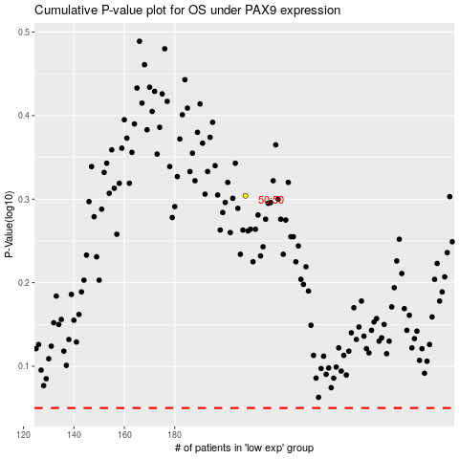

 |  |  |  |  |  | cases_OS | p_OS | rank | exp
 |  |  |  |  |  |  | cases_RFS | p_RFS | rank | exp

