PBXIP1 _multivariate
Reported by Tex Li-Hsing Chi. tex@gate.sinica.edu.tw 2019-08-17

Table 2. The clinicopathological features of HNSCC cohort and PBXIP1 expression. (Chi square test)
Cutoff at -0.233 (50.0%)
 |  | PBXIP1 expression |  | PBXIP1 expression |  | (Optimised)
 | Features | Low | (%) | High | (%) | Case no | P-value | Remark | Matthews
Gender | Female | 149 | 35.9 | 157 | 37.8 | 415 | 0.4848 | 0 | 0
2 | Male | 58 | 14 | 51 | 12.3
Age at diagnosis | <=65y | 130 | 31.3 | 144 | 34.7 | 415 | 0.2009 | 0 | 0
4 | >65y | 77 | 18.6 | 64 | 15.4
Clinical T Status | T1+T2 | 64 | 15.4 | 85 | 20.5 | 415 | 0.0445 | 1 | 0
6 | T3+T4 | 143 | 34.5 | 123 | 29.6
Clinical N Status | N0 | 108 | 26 | 108 | 26 | 415 | 1 | 0 | 0
8 | N1-3 | 99 | 23.9 | 100 | 24.1
Clinical M Status | M0 | 205 | 49.4 | 207 | 49.9 | 415 | 0.6232 | 0 | 0
10 | M1 | 2 | 0.5 | 1 | 0.2
Clinical Stage | Stage I+II | 47 | 11.3 | 55 | 13.3 | 415 | 0.4413 | 0 | 0
12 | Stage III+IV | 160 | 38.6 | 153 | 36.9
Surgical Margin status | Negative | 155 | 37.3 | 163 | 39.3 | 415 | 0.4187 | 0 | 0
14 | Positive | 52 | 12.5 | 45 | 10.8
Tobacco Exposure | Low | 81 | 19.5 | 80 | 19.3 | 415 | 0.9199 | 0 | 0
16 | High | 126 | 30.4 | 128 | 30.8

Table 3. Univariate/Multivariate Cox's proportional hazards regression analyses on OS time of PBXIP1 gene expression in HNSCC

 |  | Univariate |  |  |  | Multivariate
 | Features | HR | CI95%(L) | CI95%(H) | P-value | HR | CI95%(L) | CI95%(H) | P-value
1 | Female | 1 |  |  |  | 1
Gender | Male | 1.157 | 0.843 | 1.587 | 0.367 | 1.199 | 0.858 | 1.676 | 0.287
11 | <=65y | 1 |  |  |  | 1
Age at diagnosis | >65y | 1.329 | 0.99 | 1.784 | 0.058 | 1.367 | 1.003 | 1.862 | 0.048
12 | T1+T2 | 1 |  |  |  | 1
Clinical T Status | T3+T4 | 1.409 | 1.028 | 1.931 | 0.033 | 2.157 | 1.14 | 4.084 | 0.018
13 | N0 | 1 |  |  |  | 1
Clinical N Status | N1-3 | 1.185 | 0.89 | 1.577 | 0.246 | 1.236 | 0.866 | 1.764 | 0.244
14 | M0 | 1 |  |  |  | 1
Clinical M Status | M1 | 4.097 | 1.009 | 16.644 | 0.049 | 9.156 | 1.995 | 42.018 | 0.004
15 | Stage I+II | 1 |  |  |  | 1
Clinical Stage | Stage III+IV | 1.245 | 0.882 | 1.759 | 0.213 | 0.51 | 0.237 | 1.094 | 0.084
16 | Negative | 1 |  |  |  | 1
Surgical Margin status | Positive | 1.591 | 1.155 | 2.191 | 0.004 | 1.682 | 1.217 | 2.325 | 0.002
17 | Low | 1 |  |  |  | 1
Tobacco Exposure | High | 1.364 | 1.008 | 1.844 | 0.044 | 1.473 | 1.067 | 2.033 | 0.019
18 | Low | 1 |  |  |  | 1
RNAseq(z-score) | High | 0.835 | 0.627 | 1.113 | 0.219 | 0.864 | 0.645 | 1.158 | 0.328

Table 4. Univariate/Multivariate Cox's proportional hazards regression analyses on RFS time of PBXIP1 gene expression in HNSCC

 |  | Univariate |  |  |  | Multivariate
 | Features | HR | CI95%(L) | CI95%(H) | P-value | HR | CI95%(L) | CI95%(H) | P-value
1 | Female | 1 |  |  |  | 1
Gender | Male | 1.157 | 0.843 | 1.587 | 0.367 | 1.199 | 0.858 | 1.676 | 0.287
11 | <=65y | 1 |  |  |  | 1
Age at diagnosis | >65y | 1.329 | 0.99 | 1.784 | 0.058 | 1.367 | 1.003 | 1.862 | 0.048
12 | T1+T2 | 1 |  |  |  | 1
Clinical T Status | T3+T4 | 1.409 | 1.028 | 1.931 | 0.033 | 2.157 | 1.14 | 4.084 | 0.018
13 | N0 | 1 |  |  |  | 1
Clinical N Status | N1-3 | 1.185 | 0.89 | 1.577 | 0.246 | 1.236 | 0.866 | 1.764 | 0.244
14 | M0 | 1 |  |  |  | 1
Clinical M Status | M1 | 4.097 | 1.009 | 16.644 | 0.049 | 9.156 | 1.995 | 42.018 | 0.004
15 | Stage I+II | 1 |  |  |  | 1
Clinical Stage | Stage III+IV | 1.245 | 0.882 | 1.759 | 0.213 | 0.51 | 0.237 | 1.094 | 0.084
16 | Negative | 1 |  |  |  | 1
Surgical Margin status | Positive | 1.591 | 1.155 | 2.191 | 0.004 | 1.682 | 1.217 | 2.325 | 0.002
17 | Low | 1 |  |  |  | 1
Tobacco Exposure | High | 1.364 | 1.008 | 1.844 | 0.044 | 1.473 | 1.067 | 2.033 | 0.019
18 | Low | 1 |  |  |  | 1
RNAseq(z-score) | High | 0.835 | 0.627 | 1.113 | 0.219 | 0.864 | 0.645 | 1.158 | 0.328

Kaplan-Meier survival estimate: Cutoff at -0.233 (50.0%)



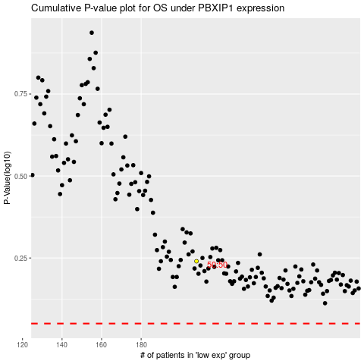

 |  |  |  |  |  | cases_OS | p_OS | rank | exp
 |  |  |  |  |  |  | cases_RFS | p_RFS | rank | exp

