PCBD2 _multivariate
Reported by Tex Li-Hsing Chi. tex@gate.sinica.edu.tw 2019-08-17

Table 2. The clinicopathological features of HNSCC cohort and PCBD2 expression. (Chi square test)
Cutoff at -0.353 (49.8%)
 |  | PCBD2 expression |  | PCBD2 expression |  | (Optimised)
 | Features | Low | (%) | High | (%) | Case no | P-value | Remark | Matthews
Gender | Female | 144 | 34.7 | 162 | 39 | 415 | 0.0697 | 0 | 0
2 | Male | 63 | 15.2 | 46 | 11.1
Age at diagnosis | <=65y | 140 | 33.7 | 134 | 32.3 | 415 | 0.5574 | 0 | 0
4 | >65y | 67 | 16.1 | 74 | 17.8
Clinical T Status | T1+T2 | 60 | 14.5 | 89 | 21.4 | 415 | 0.0047 | 1 | 0
6 | T3+T4 | 147 | 35.4 | 119 | 28.7
Clinical N Status | N0 | 97 | 23.4 | 119 | 28.7 | 415 | 0.0442 | 1 | 0
8 | N1-3 | 110 | 26.5 | 89 | 21.4
Clinical M Status | M0 | 206 | 49.6 | 206 | 49.6 | 415 | 1 | 0 | 0
10 | M1 | 1 | 0.2 | 2 | 0.5
Clinical Stage | Stage I+II | 45 | 10.8 | 57 | 13.7 | 415 | 0.2202 | 0 | 0
12 | Stage III+IV | 162 | 39 | 151 | 36.4
Surgical Margin status | Negative | 169 | 40.7 | 149 | 35.9 | 415 | 0.0201 | 1 | 0
14 | Positive | 38 | 9.2 | 59 | 14.2
Tobacco Exposure | Low | 76 | 18.3 | 85 | 20.5 | 415 | 0.4207 | 0 | 0
16 | High | 131 | 31.6 | 123 | 29.6

Table 3. Univariate/Multivariate Cox's proportional hazards regression analyses on OS time of PCBD2 gene expression in HNSCC

 |  | Univariate |  |  |  | Multivariate
 | Features | HR | CI95%(L) | CI95%(H) | P-value | HR | CI95%(L) | CI95%(H) | P-value
1 | Female | 1 |  |  |  | 1
Gender | Male | 1.157 | 0.843 | 1.587 | 0.367 | 1.194 | 0.855 | 1.667 | 0.298
11 | <=65y | 1 |  |  |  | 1
Age at diagnosis | >65y | 1.329 | 0.99 | 1.784 | 0.058 | 1.394 | 1.025 | 1.895 | 0.034
12 | T1+T2 | 1 |  |  |  | 1
Clinical T Status | T3+T4 | 1.409 | 1.028 | 1.931 | 0.033 | 2.111 | 1.112 | 4.008 | 0.022
13 | N0 | 1 |  |  |  | 1
Clinical N Status | N1-3 | 1.185 | 0.89 | 1.577 | 0.246 | 1.211 | 0.846 | 1.731 | 0.295
14 | M0 | 1 |  |  |  | 1
Clinical M Status | M1 | 4.097 | 1.009 | 16.644 | 0.049 | 9.322 | 2.033 | 42.747 | 0.004
15 | Stage I+II | 1 |  |  |  | 1
Clinical Stage | Stage III+IV | 1.245 | 0.882 | 1.759 | 0.213 | 0.526 | 0.244 | 1.132 | 0.1
16 | Negative | 1 |  |  |  | 1
Surgical Margin status | Positive | 1.591 | 1.155 | 2.191 | 0.004 | 1.746 | 1.253 | 2.433 | 0.001
17 | Low | 1 |  |  |  | 1
Tobacco Exposure | High | 1.364 | 1.008 | 1.844 | 0.044 | 1.445 | 1.049 | 1.99 | 0.024
18 | Low | 1 |  |  |  | 1
RNAseq(z-score) | High | 0.849 | 0.638 | 1.131 | 0.264 | 0.837 | 0.621 | 1.129 | 0.244

Table 4. Univariate/Multivariate Cox's proportional hazards regression analyses on RFS time of PCBD2 gene expression in HNSCC

 |  | Univariate |  |  |  | Multivariate
 | Features | HR | CI95%(L) | CI95%(H) | P-value | HR | CI95%(L) | CI95%(H) | P-value
1 | Female | 1 |  |  |  | 1
Gender | Male | 1.157 | 0.843 | 1.587 | 0.367 | 1.194 | 0.855 | 1.667 | 0.298
11 | <=65y | 1 |  |  |  | 1
Age at diagnosis | >65y | 1.329 | 0.99 | 1.784 | 0.058 | 1.394 | 1.025 | 1.895 | 0.034
12 | T1+T2 | 1 |  |  |  | 1
Clinical T Status | T3+T4 | 1.409 | 1.028 | 1.931 | 0.033 | 2.111 | 1.112 | 4.008 | 0.022
13 | N0 | 1 |  |  |  | 1
Clinical N Status | N1-3 | 1.185 | 0.89 | 1.577 | 0.246 | 1.211 | 0.846 | 1.731 | 0.295
14 | M0 | 1 |  |  |  | 1
Clinical M Status | M1 | 4.097 | 1.009 | 16.644 | 0.049 | 9.322 | 2.033 | 42.747 | 0.004
15 | Stage I+II | 1 |  |  |  | 1
Clinical Stage | Stage III+IV | 1.245 | 0.882 | 1.759 | 0.213 | 0.526 | 0.244 | 1.132 | 0.1
16 | Negative | 1 |  |  |  | 1
Surgical Margin status | Positive | 1.591 | 1.155 | 2.191 | 0.004 | 1.746 | 1.253 | 2.433 | 0.001
17 | Low | 1 |  |  |  | 1
Tobacco Exposure | High | 1.364 | 1.008 | 1.844 | 0.044 | 1.445 | 1.049 | 1.99 | 0.024
18 | Low | 1 |  |  |  | 1
RNAseq(z-score) | High | 0.849 | 0.638 | 1.131 | 0.264 | 0.837 | 0.621 | 1.129 | 0.244

Kaplan-Meier survival estimate: Cutoff at -0.353 (49.8%)



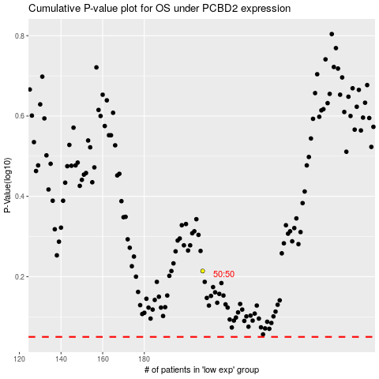

 |  |  |  |  |  | cases_OS | p_OS | rank | exp
 |  |  |  |  |  |  | cases_RFS | p_RFS | rank | exp

