PCBP1 _multivariate
Reported by Tex Li-Hsing Chi. tex@gate.sinica.edu.tw 2019-08-17

Table 2. The clinicopathological features of HNSCC cohort and PCBP1 expression. (Chi square test)
Cutoff at -0.568 (30.4%)
 |  | PCBP1 expression |  | PCBP1 expression |  | (Optimised)
 | Features | Low | (%) | High | (%) | Case no | P-value | Remark | Matthews
Gender | Female | 98 | 23.6 | 208 | 50.1 | 415 | 0.2651 | 0 | 0
2 | Male | 28 | 6.7 | 81 | 19.5
Age at diagnosis | <=65y | 81 | 19.5 | 193 | 46.5 | 415 | 0.7032 | 0 | 0
4 | >65y | 45 | 10.8 | 96 | 23.1
Clinical T Status | T1+T2 | 47 | 11.3 | 102 | 24.6 | 415 | 0.7789 | 0 | 0
6 | T3+T4 | 79 | 19 | 187 | 45.1
Clinical N Status | N0 | 65 | 15.7 | 151 | 36.4 | 415 | 0.9862 | 0 | 0
8 | N1-3 | 61 | 14.7 | 138 | 33.3
Clinical M Status | M0 | 126 | 30.4 | 286 | 68.9 | 415 | 0.5566 | 0 | 0
10 | M1 | 0 | 0 | 3 | 0.7
Clinical Stage | Stage I+II | 28 | 6.7 | 74 | 17.8 | 415 | 0.5405 | 0 | 0
12 | Stage III+IV | 98 | 23.6 | 215 | 51.8
Surgical Margin status | Negative | 94 | 22.7 | 224 | 54 | 415 | 0.53 | 0 | 0
14 | Positive | 32 | 7.7 | 65 | 15.7
Tobacco Exposure | Low | 44 | 10.6 | 117 | 28.2 | 415 | 0.3244 | 0 | 0
16 | High | 82 | 19.8 | 172 | 41.4

Table 3. Univariate/Multivariate Cox's proportional hazards regression analyses on OS time of PCBP1 gene expression in HNSCC

 |  | Univariate |  |  |  | Multivariate
 | Features | HR | CI95%(L) | CI95%(H) | P-value | HR | CI95%(L) | CI95%(H) | P-value
1 | Female | 1 |  |  |  | 1
Gender | Male | 1.157 | 0.843 | 1.587 | 0.367 | 1.156 | 0.827 | 1.616 | 0.396
11 | <=65y | 1 |  |  |  | 1
Age at diagnosis | >65y | 1.329 | 0.99 | 1.784 | 0.058 | 1.501 | 1.098 | 2.052 | 0.011
12 | T1+T2 | 1 |  |  |  | 1
Clinical T Status | T3+T4 | 1.409 | 1.028 | 1.931 | 0.033 | 2.085 | 1.102 | 3.943 | 0.024
13 | N0 | 1 |  |  |  | 1
Clinical N Status | N1-3 | 1.185 | 0.89 | 1.577 | 0.246 | 1.275 | 0.893 | 1.821 | 0.182
14 | M0 | 1 |  |  |  | 1
Clinical M Status | M1 | 4.097 | 1.009 | 16.644 | 0.049 | 7.876 | 1.71 | 36.286 | 0.008
15 | Stage I+II | 1 |  |  |  | 1
Clinical Stage | Stage III+IV | 1.245 | 0.882 | 1.759 | 0.213 | 0.544 | 0.253 | 1.169 | 0.119
16 | Negative | 1 |  |  |  | 1
Surgical Margin status | Positive | 1.591 | 1.155 | 2.191 | 0.004 | 1.654 | 1.198 | 2.284 | 0.002
17 | Low | 1 |  |  |  | 1
Tobacco Exposure | High | 1.364 | 1.008 | 1.844 | 0.044 | 1.479 | 1.073 | 2.04 | 0.017
18 | Low | 1 |  |  |  | 1
RNAseq(z-score) | High | 1.437 | 1.024 | 2.017 | 0.036 | 1.525 | 1.074 | 2.165 | 0.018

Table 4. Univariate/Multivariate Cox's proportional hazards regression analyses on RFS time of PCBP1 gene expression in HNSCC

 |  | Univariate |  |  |  | Multivariate
 | Features | HR | CI95%(L) | CI95%(H) | P-value | HR | CI95%(L) | CI95%(H) | P-value
1 | Female | 1 |  |  |  | 1
Gender | Male | 1.157 | 0.843 | 1.587 | 0.367 | 1.156 | 0.827 | 1.616 | 0.396
11 | <=65y | 1 |  |  |  | 1
Age at diagnosis | >65y | 1.329 | 0.99 | 1.784 | 0.058 | 1.501 | 1.098 | 2.052 | 0.011
12 | T1+T2 | 1 |  |  |  | 1
Clinical T Status | T3+T4 | 1.409 | 1.028 | 1.931 | 0.033 | 2.085 | 1.102 | 3.943 | 0.024
13 | N0 | 1 |  |  |  | 1
Clinical N Status | N1-3 | 1.185 | 0.89 | 1.577 | 0.246 | 1.275 | 0.893 | 1.821 | 0.182
14 | M0 | 1 |  |  |  | 1
Clinical M Status | M1 | 4.097 | 1.009 | 16.644 | 0.049 | 7.876 | 1.71 | 36.286 | 0.008
15 | Stage I+II | 1 |  |  |  | 1
Clinical Stage | Stage III+IV | 1.245 | 0.882 | 1.759 | 0.213 | 0.544 | 0.253 | 1.169 | 0.119
16 | Negative | 1 |  |  |  | 1
Surgical Margin status | Positive | 1.591 | 1.155 | 2.191 | 0.004 | 1.654 | 1.198 | 2.284 | 0.002
17 | Low | 1 |  |  |  | 1
Tobacco Exposure | High | 1.364 | 1.008 | 1.844 | 0.044 | 1.479 | 1.073 | 2.04 | 0.017
18 | Low | 1 |  |  |  | 1
RNAseq(z-score) | High | 1.437 | 1.024 | 2.017 | 0.036 | 1.525 | 1.074 | 2.165 | 0.018

Kaplan-Meier survival estimate: Cutoff at -0.568 (30.4%)



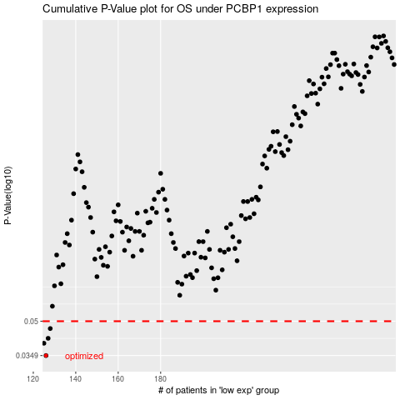

 |  |  |  |  |  | cases_OS | p_OS | rank | exp
 |  |  |  |  |  | 126 | 0.0349 | 266 | -0.56811659075
 |  |  |  |  |  | 125 | 0.0397 | 367 | -0.57005389337
 |  |  |  |  |  | 127 | 0.0418 | 243 | -0.55701092009
 |  |  |  |  |  | 128 | 0.0463 | 200 | -0.55585742659
 |  |  |  |  |  |  | cases_RFS | p_RFS | rank | exp
 |  |  |  |  |  |  | 125 | 0.0349 | 367 | -0.57005389337
 |  |  |  |  |  |  |  | 0.0397 | 152 | -0.57322565111
 |  |  |  |  |  |  | 126 | 0.0418 | 266 | -0.56811659075
 |  |  |  |  |  |  | 127 | 0.0463 | 243 | -0.55701092009

