PCDH1 _multivariate
Reported by Tex Li-Hsing Chi. tex@gate.sinica.edu.tw 2019-08-17

Table 2. The clinicopathological features of HNSCC cohort and PCDH1 expression. (Chi square test)
Cutoff at -0.348 (50.0%)
 |  | PCDH1 expression |  | PCDH1 expression |  | (Optimised)
 | Features | Low | (%) | High | (%) | Case no | P-value | Remark | Matthews
Gender | Female | 158 | 38.1 | 148 | 35.7 | 415 | 0.2774 | 0 | 0
2 | Male | 49 | 11.8 | 60 | 14.5
Age at diagnosis | <=65y | 141 | 34 | 133 | 32 | 415 | 0.4272 | 0 | 0
4 | >65y | 66 | 15.9 | 75 | 18.1
Clinical T Status | T1+T2 | 81 | 19.5 | 68 | 16.4 | 415 | 0.206 | 0 | 0
6 | T3+T4 | 126 | 30.4 | 140 | 33.7
Clinical N Status | N0 | 104 | 25.1 | 112 | 27 | 415 | 0.5243 | 0 | 0
8 | N1-3 | 103 | 24.8 | 96 | 23.1
Clinical M Status | M0 | 206 | 49.6 | 206 | 49.6 | 415 | 1 | 0 | 0
10 | M1 | 1 | 0.2 | 2 | 0.5
Clinical Stage | Stage I+II | 56 | 13.5 | 46 | 11.1 | 415 | 0.2918 | 0 | 0
12 | Stage III+IV | 151 | 36.4 | 162 | 39
Surgical Margin status | Negative | 160 | 38.6 | 158 | 38.1 | 415 | 0.8167 | 0 | 0
14 | Positive | 47 | 11.3 | 50 | 12
Tobacco Exposure | Low | 71 | 17.1 | 90 | 21.7 | 415 | 0.0698 | 0 | 0
16 | High | 136 | 32.8 | 118 | 28.4

Table 3. Univariate/Multivariate Cox's proportional hazards regression analyses on OS time of PCDH1 gene expression in HNSCC

 |  | Univariate |  |  |  | Multivariate
 | Features | HR | CI95%(L) | CI95%(H) | P-value | HR | CI95%(L) | CI95%(H) | P-value
1 | Female | 1 |  |  |  | 1
Gender | Male | 1.157 | 0.843 | 1.587 | 0.367 | 1.213 | 0.868 | 1.695 | 0.259
11 | <=65y | 1 |  |  |  | 1
Age at diagnosis | >65y | 1.329 | 0.99 | 1.784 | 0.058 | 1.393 | 1.025 | 1.894 | 0.034
12 | T1+T2 | 1 |  |  |  | 1
Clinical T Status | T3+T4 | 1.409 | 1.028 | 1.931 | 0.033 | 2.216 | 1.172 | 4.189 | 0.014
13 | N0 | 1 |  |  |  | 1
Clinical N Status | N1-3 | 1.185 | 0.89 | 1.577 | 0.246 | 1.22 | 0.853 | 1.744 | 0.275
14 | M0 | 1 |  |  |  | 1
Clinical M Status | M1 | 4.097 | 1.009 | 16.644 | 0.049 | 9.697 | 2.113 | 44.497 | 0.003
15 | Stage I+II | 1 |  |  |  | 1
Clinical Stage | Stage III+IV | 1.245 | 0.882 | 1.759 | 0.213 | 0.513 | 0.239 | 1.102 | 0.087
16 | Negative | 1 |  |  |  | 1
Surgical Margin status | Positive | 1.591 | 1.155 | 2.191 | 0.004 | 1.683 | 1.218 | 2.326 | 0.002
17 | Low | 1 |  |  |  | 1
Tobacco Exposure | High | 1.364 | 1.008 | 1.844 | 0.044 | 1.435 | 1.041 | 1.98 | 0.028
18 | Low | 1 |  |  |  | 1
RNAseq(z-score) | High | 0.886 | 0.665 | 1.18 | 0.406 | 0.859 | 0.643 | 1.149 | 0.306

Table 4. Univariate/Multivariate Cox's proportional hazards regression analyses on RFS time of PCDH1 gene expression in HNSCC

 |  | Univariate |  |  |  | Multivariate
 | Features | HR | CI95%(L) | CI95%(H) | P-value | HR | CI95%(L) | CI95%(H) | P-value
1 | Female | 1 |  |  |  | 1
Gender | Male | 1.157 | 0.843 | 1.587 | 0.367 | 1.213 | 0.868 | 1.695 | 0.259
11 | <=65y | 1 |  |  |  | 1
Age at diagnosis | >65y | 1.329 | 0.99 | 1.784 | 0.058 | 1.393 | 1.025 | 1.894 | 0.034
12 | T1+T2 | 1 |  |  |  | 1
Clinical T Status | T3+T4 | 1.409 | 1.028 | 1.931 | 0.033 | 2.216 | 1.172 | 4.189 | 0.014
13 | N0 | 1 |  |  |  | 1
Clinical N Status | N1-3 | 1.185 | 0.89 | 1.577 | 0.246 | 1.22 | 0.853 | 1.744 | 0.275
14 | M0 | 1 |  |  |  | 1
Clinical M Status | M1 | 4.097 | 1.009 | 16.644 | 0.049 | 9.697 | 2.113 | 44.497 | 0.003
15 | Stage I+II | 1 |  |  |  | 1
Clinical Stage | Stage III+IV | 1.245 | 0.882 | 1.759 | 0.213 | 0.513 | 0.239 | 1.102 | 0.087
16 | Negative | 1 |  |  |  | 1
Surgical Margin status | Positive | 1.591 | 1.155 | 2.191 | 0.004 | 1.683 | 1.218 | 2.326 | 0.002
17 | Low | 1 |  |  |  | 1
Tobacco Exposure | High | 1.364 | 1.008 | 1.844 | 0.044 | 1.435 | 1.041 | 1.98 | 0.028
18 | Low | 1 |  |  |  | 1
RNAseq(z-score) | High | 0.886 | 0.665 | 1.18 | 0.406 | 0.859 | 0.643 | 1.149 | 0.306

Kaplan-Meier survival estimate: Cutoff at -0.348 (50.0%)



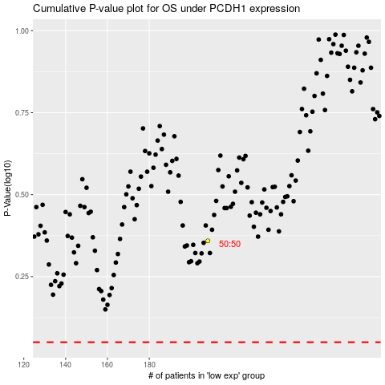

 |  |  |  |  |  | cases_OS | p_OS | rank | exp
 |  |  |  |  |  |  | cases_RFS | p_RFS | rank | exp

