PCDH7 _multivariate
Reported by Tex Li-Hsing Chi. tex@gate.sinica.edu.tw 2019-08-17

Table 2. The clinicopathological features of HNSCC cohort and PCDH7 expression. (Chi square test)
Cutoff at -0.203 (50.0%)
 |  | PCDH7 expression |  | PCDH7 expression |  | (Optimised)
 | Features | Low | (%) | High | (%) | Case no | P-value | Remark | Matthews
Gender | Female | 164 | 39.5 | 142 | 34.2 | 415 | 0.0153 | 1 | 0
2 | Male | 43 | 10.4 | 66 | 15.9
Age at diagnosis | <=65y | 148 | 35.7 | 126 | 30.4 | 415 | 0.0248 | 1 | 0
4 | >65y | 59 | 14.2 | 82 | 19.8
Clinical T Status | T1+T2 | 65 | 15.7 | 84 | 20.2 | 415 | 0.0711 | 0 | 0
6 | T3+T4 | 142 | 34.2 | 124 | 29.9
Clinical N Status | N0 | 98 | 23.6 | 118 | 28.4 | 415 | 0.0694 | 0 | 0
8 | N1-3 | 109 | 26.3 | 90 | 21.7
Clinical M Status | M0 | 205 | 49.4 | 207 | 49.9 | 415 | 0.6232 | 0 | 0
10 | M1 | 2 | 0.5 | 1 | 0.2
Clinical Stage | Stage I+II | 37 | 8.9 | 65 | 15.7 | 415 | 0.0023 | 1 | 0
12 | Stage III+IV | 170 | 41 | 143 | 34.5
Surgical Margin status | Negative | 154 | 37.1 | 164 | 39.5 | 415 | 0.2984 | 0 | 0
14 | Positive | 53 | 12.8 | 44 | 10.6
Tobacco Exposure | Low | 56 | 13.5 | 105 | 25.3 | 415 | 0 | 1 | 0
16 | High | 151 | 36.4 | 103 | 24.8

Table 3. Univariate/Multivariate Cox's proportional hazards regression analyses on OS time of PCDH7 gene expression in HNSCC

 |  | Univariate |  |  |  | Multivariate
 | Features | HR | CI95%(L) | CI95%(H) | P-value | HR | CI95%(L) | CI95%(H) | P-value
1 | Female | 1 |  |  |  | 1
Gender | Male | 1.157 | 0.843 | 1.587 | 0.367 | 1.174 | 0.839 | 1.642 | 0.35
11 | <=65y | 1 |  |  |  | 1
Age at diagnosis | >65y | 1.329 | 0.99 | 1.784 | 0.058 | 1.397 | 1.029 | 1.898 | 0.032
12 | T1+T2 | 1 |  |  |  | 1
Clinical T Status | T3+T4 | 1.409 | 1.028 | 1.931 | 0.033 | 2.207 | 1.168 | 4.173 | 0.015
13 | N0 | 1 |  |  |  | 1
Clinical N Status | N1-3 | 1.185 | 0.89 | 1.577 | 0.246 | 1.25 | 0.877 | 1.782 | 0.218
14 | M0 | 1 |  |  |  | 1
Clinical M Status | M1 | 4.097 | 1.009 | 16.644 | 0.049 | 9.422 | 2.055 | 43.195 | 0.004
15 | Stage I+II | 1 |  |  |  | 1
Clinical Stage | Stage III+IV | 1.245 | 0.882 | 1.759 | 0.213 | 0.525 | 0.244 | 1.132 | 0.1
16 | Negative | 1 |  |  |  | 1
Surgical Margin status | Positive | 1.591 | 1.155 | 2.191 | 0.004 | 1.675 | 1.213 | 2.314 | 0.002
17 | Low | 1 |  |  |  | 1
Tobacco Exposure | High | 1.364 | 1.008 | 1.844 | 0.044 | 1.51 | 1.09 | 2.091 | 0.013
18 | Low | 1 |  |  |  | 1
RNAseq(z-score) | High | 1.096 | 0.823 | 1.459 | 0.532 | 1.217 | 0.898 | 1.649 | 0.206

Table 4. Univariate/Multivariate Cox's proportional hazards regression analyses on RFS time of PCDH7 gene expression in HNSCC

 |  | Univariate |  |  |  | Multivariate
 | Features | HR | CI95%(L) | CI95%(H) | P-value | HR | CI95%(L) | CI95%(H) | P-value
1 | Female | 1 |  |  |  | 1
Gender | Male | 1.157 | 0.843 | 1.587 | 0.367 | 1.174 | 0.839 | 1.642 | 0.35
11 | <=65y | 1 |  |  |  | 1
Age at diagnosis | >65y | 1.329 | 0.99 | 1.784 | 0.058 | 1.397 | 1.029 | 1.898 | 0.032
12 | T1+T2 | 1 |  |  |  | 1
Clinical T Status | T3+T4 | 1.409 | 1.028 | 1.931 | 0.033 | 2.207 | 1.168 | 4.173 | 0.015
13 | N0 | 1 |  |  |  | 1
Clinical N Status | N1-3 | 1.185 | 0.89 | 1.577 | 0.246 | 1.25 | 0.877 | 1.782 | 0.218
14 | M0 | 1 |  |  |  | 1
Clinical M Status | M1 | 4.097 | 1.009 | 16.644 | 0.049 | 9.422 | 2.055 | 43.195 | 0.004
15 | Stage I+II | 1 |  |  |  | 1
Clinical Stage | Stage III+IV | 1.245 | 0.882 | 1.759 | 0.213 | 0.525 | 0.244 | 1.132 | 0.1
16 | Negative | 1 |  |  |  | 1
Surgical Margin status | Positive | 1.591 | 1.155 | 2.191 | 0.004 | 1.675 | 1.213 | 2.314 | 0.002
17 | Low | 1 |  |  |  | 1
Tobacco Exposure | High | 1.364 | 1.008 | 1.844 | 0.044 | 1.51 | 1.09 | 2.091 | 0.013
18 | Low | 1 |  |  |  | 1
RNAseq(z-score) | High | 1.096 | 0.823 | 1.459 | 0.532 | 1.217 | 0.898 | 1.649 | 0.206

Kaplan-Meier survival estimate: Cutoff at -0.203 (50.0%)



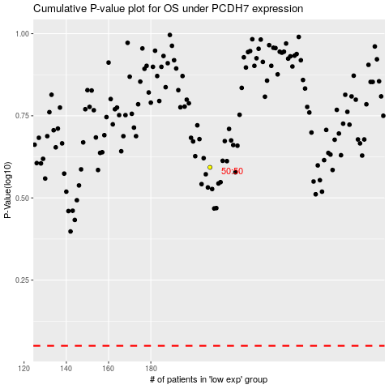

 |  |  |  |  |  | cases_OS | p_OS | rank | exp
 |  |  |  |  |  |  | cases_RFS | p_RFS | rank | exp

