PCDHA7 _multivariate
Reported by Tex Li-Hsing Chi. tex@gate.sinica.edu.tw 2019-08-17

Table 2. The clinicopathological features of HNSCC cohort and PCDHA7 expression. (Chi square test)
Cutoff at -0.21 (50.0%)
 |  | PCDHA7 expression |  | PCDHA7 expression |  | (Optimised)
 | Features | Low | (%) | High | (%) | Case no | P-value | Remark | Matthews
Gender | Female | 159 | 38.3 | 147 | 35.4 | 415 | 0.1905 | 0 | 0
2 | Male | 48 | 11.6 | 61 | 14.7
Age at diagnosis | <=65y | 135 | 32.5 | 139 | 33.5 | 415 | 0.8084 | 0 | 0
4 | >65y | 72 | 17.3 | 69 | 16.6
Clinical T Status | T1+T2 | 79 | 19 | 70 | 16.9 | 415 | 0.3924 | 0 | 0
6 | T3+T4 | 128 | 30.8 | 138 | 33.3
Clinical N Status | N0 | 105 | 25.3 | 111 | 26.7 | 415 | 0.6598 | 0 | 0
8 | N1-3 | 102 | 24.6 | 97 | 23.4
Clinical M Status | M0 | 204 | 49.2 | 208 | 50.1 | 415 | 0.1232 | 0 | 0
10 | M1 | 3 | 0.7 | 0 | 0
Clinical Stage | Stage I+II | 54 | 13 | 48 | 11.6 | 415 | 0.5498 | 0 | 0
12 | Stage III+IV | 153 | 36.9 | 160 | 38.6
Surgical Margin status | Negative | 160 | 38.6 | 158 | 38.1 | 415 | 0.8167 | 0 | 0
14 | Positive | 47 | 11.3 | 50 | 12
Tobacco Exposure | Low | 84 | 20.2 | 77 | 18.6 | 415 | 0.4816 | 0 | 0
16 | High | 123 | 29.6 | 131 | 31.6

Table 3. Univariate/Multivariate Cox's proportional hazards regression analyses on OS time of PCDHA7 gene expression in HNSCC

 |  | Univariate |  |  |  | Multivariate
 | Features | HR | CI95%(L) | CI95%(H) | P-value | HR | CI95%(L) | CI95%(H) | P-value
1 | Female | 1 |  |  |  | 1
Gender | Male | 1.157 | 0.843 | 1.587 | 0.367 | 1.202 | 0.86 | 1.679 | 0.281
11 | <=65y | 1 |  |  |  | 1
Age at diagnosis | >65y | 1.329 | 0.99 | 1.784 | 0.058 | 1.392 | 1.024 | 1.892 | 0.035
12 | T1+T2 | 1 |  |  |  | 1
Clinical T Status | T3+T4 | 1.409 | 1.028 | 1.931 | 0.033 | 2.204 | 1.165 | 4.167 | 0.015
13 | N0 | 1 |  |  |  | 1
Clinical N Status | N1-3 | 1.185 | 0.89 | 1.577 | 0.246 | 1.24 | 0.869 | 1.77 | 0.236
14 | M0 | 1 |  |  |  | 1
Clinical M Status | M1 | 4.097 | 1.009 | 16.644 | 0.049 | 9.357 | 2.031 | 43.105 | 0.004
15 | Stage I+II | 1 |  |  |  | 1
Clinical Stage | Stage III+IV | 1.245 | 0.882 | 1.759 | 0.213 | 0.504 | 0.235 | 1.083 | 0.079
16 | Negative | 1 |  |  |  | 1
Surgical Margin status | Positive | 1.591 | 1.155 | 2.191 | 0.004 | 1.673 | 1.21 | 2.314 | 0.002
17 | Low | 1 |  |  |  | 1
Tobacco Exposure | High | 1.364 | 1.008 | 1.844 | 0.044 | 1.454 | 1.055 | 2.005 | 0.022
18 | Low | 1 |  |  |  | 1
RNAseq(z-score) | High | 1.015 | 0.762 | 1.352 | 0.918 | 0.988 | 0.739 | 1.32 | 0.933

Table 4. Univariate/Multivariate Cox's proportional hazards regression analyses on RFS time of PCDHA7 gene expression in HNSCC

 |  | Univariate |  |  |  | Multivariate
 | Features | HR | CI95%(L) | CI95%(H) | P-value | HR | CI95%(L) | CI95%(H) | P-value
1 | Female | 1 |  |  |  | 1
Gender | Male | 1.157 | 0.843 | 1.587 | 0.367 | 1.202 | 0.86 | 1.679 | 0.281
11 | <=65y | 1 |  |  |  | 1
Age at diagnosis | >65y | 1.329 | 0.99 | 1.784 | 0.058 | 1.392 | 1.024 | 1.892 | 0.035
12 | T1+T2 | 1 |  |  |  | 1
Clinical T Status | T3+T4 | 1.409 | 1.028 | 1.931 | 0.033 | 2.204 | 1.165 | 4.167 | 0.015
13 | N0 | 1 |  |  |  | 1
Clinical N Status | N1-3 | 1.185 | 0.89 | 1.577 | 0.246 | 1.24 | 0.869 | 1.77 | 0.236
14 | M0 | 1 |  |  |  | 1
Clinical M Status | M1 | 4.097 | 1.009 | 16.644 | 0.049 | 9.357 | 2.031 | 43.105 | 0.004
15 | Stage I+II | 1 |  |  |  | 1
Clinical Stage | Stage III+IV | 1.245 | 0.882 | 1.759 | 0.213 | 0.504 | 0.235 | 1.083 | 0.079
16 | Negative | 1 |  |  |  | 1
Surgical Margin status | Positive | 1.591 | 1.155 | 2.191 | 0.004 | 1.673 | 1.21 | 2.314 | 0.002
17 | Low | 1 |  |  |  | 1
Tobacco Exposure | High | 1.364 | 1.008 | 1.844 | 0.044 | 1.454 | 1.055 | 2.005 | 0.022
18 | Low | 1 |  |  |  | 1
RNAseq(z-score) | High | 1.015 | 0.762 | 1.352 | 0.918 | 0.988 | 0.739 | 1.32 | 0.933

Kaplan-Meier survival estimate: Cutoff at -0.21 (50.0%)

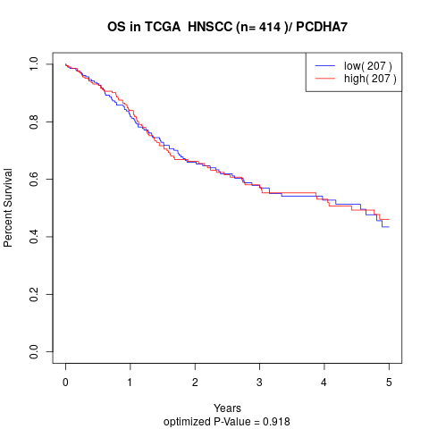

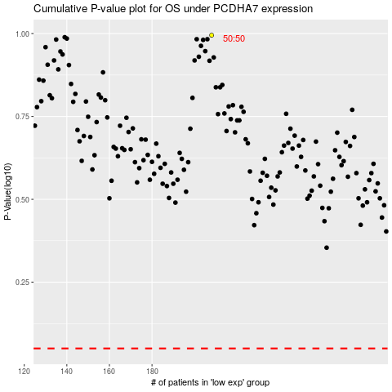

 |  |  |  |  |  | cases_OS | p_OS | rank | exp
 |  |  |  |  |  |  | cases_RFS | p_RFS | rank | exp

