PCDHAC2 _multivariate
Reported by Tex Li-Hsing Chi. tex@gate.sinica.edu.tw 2019-08-17

Table 2. The clinicopathological features of HNSCC cohort and PCDHAC2 expression. (Chi square test)
Cutoff at -0.28 (50.0%)
 |  | PCDHAC2 expression |  | PCDHAC2 expression |  | (Optimised)
 | Features | Low | (%) | High | (%) | Case no | P-value | Remark | Matthews
Gender | Female | 160 | 38.6 | 146 | 35.2 | 415 | 0.1254 | 0 | 0
2 | Male | 47 | 11.3 | 62 | 14.9
Age at diagnosis | <=65y | 133 | 32 | 141 | 34 | 415 | 0.5111 | 0 | 0
4 | >65y | 74 | 17.8 | 67 | 16.1
Clinical T Status | T1+T2 | 74 | 17.8 | 75 | 18.1 | 415 | 1 | 0 | 0
6 | T3+T4 | 133 | 32 | 133 | 32
Clinical N Status | N0 | 105 | 25.3 | 111 | 26.7 | 415 | 0.6598 | 0 | 0
8 | N1-3 | 102 | 24.6 | 97 | 23.4
Clinical M Status | M0 | 206 | 49.6 | 206 | 49.6 | 415 | 1 | 0 | 0
10 | M1 | 1 | 0.2 | 2 | 0.5
Clinical Stage | Stage I+II | 49 | 11.8 | 53 | 12.8 | 415 | 0.7535 | 0 | 0
12 | Stage III+IV | 158 | 38.1 | 155 | 37.3
Surgical Margin status | Negative | 159 | 38.3 | 159 | 38.3 | 415 | 1 | 0 | 0
14 | Positive | 48 | 11.6 | 49 | 11.8
Tobacco Exposure | Low | 84 | 20.2 | 77 | 18.6 | 415 | 0.4816 | 0 | 0
16 | High | 123 | 29.6 | 131 | 31.6

Table 3. Univariate/Multivariate Cox's proportional hazards regression analyses on OS time of PCDHAC2 gene expression in HNSCC

 |  | Univariate |  |  |  | Multivariate
 | Features | HR | CI95%(L) | CI95%(H) | P-value | HR | CI95%(L) | CI95%(H) | P-value
1 | Female | 1 |  |  |  | 1
Gender | Male | 1.157 | 0.843 | 1.587 | 0.367 | 1.221 | 0.872 | 1.709 | 0.245
11 | <=65y | 1 |  |  |  | 1
Age at diagnosis | >65y | 1.329 | 0.99 | 1.784 | 0.058 | 1.384 | 1.018 | 1.882 | 0.038
12 | T1+T2 | 1 |  |  |  | 1
Clinical T Status | T3+T4 | 1.409 | 1.028 | 1.931 | 0.033 | 2.207 | 1.167 | 4.174 | 0.015
13 | N0 | 1 |  |  |  | 1
Clinical N Status | N1-3 | 1.185 | 0.89 | 1.577 | 0.246 | 1.233 | 0.864 | 1.76 | 0.248
14 | M0 | 1 |  |  |  | 1
Clinical M Status | M1 | 4.097 | 1.009 | 16.644 | 0.049 | 9.919 | 2.156 | 45.641 | 0.003
15 | Stage I+II | 1 |  |  |  | 1
Clinical Stage | Stage III+IV | 1.245 | 0.882 | 1.759 | 0.213 | 0.503 | 0.234 | 1.079 | 0.078
16 | Negative | 1 |  |  |  | 1
Surgical Margin status | Positive | 1.591 | 1.155 | 2.191 | 0.004 | 1.686 | 1.22 | 2.331 | 0.002
17 | Low | 1 |  |  |  | 1
Tobacco Exposure | High | 1.364 | 1.008 | 1.844 | 0.044 | 1.467 | 1.063 | 2.025 | 0.02
18 | Low | 1 |  |  |  | 1
RNAseq(z-score) | High | 0.904 | 0.679 | 1.203 | 0.489 | 0.866 | 0.649 | 1.157 | 0.331

Table 4. Univariate/Multivariate Cox's proportional hazards regression analyses on RFS time of PCDHAC2 gene expression in HNSCC

 |  | Univariate |  |  |  | Multivariate
 | Features | HR | CI95%(L) | CI95%(H) | P-value | HR | CI95%(L) | CI95%(H) | P-value
1 | Female | 1 |  |  |  | 1
Gender | Male | 1.157 | 0.843 | 1.587 | 0.367 | 1.221 | 0.872 | 1.709 | 0.245
11 | <=65y | 1 |  |  |  | 1
Age at diagnosis | >65y | 1.329 | 0.99 | 1.784 | 0.058 | 1.384 | 1.018 | 1.882 | 0.038
12 | T1+T2 | 1 |  |  |  | 1
Clinical T Status | T3+T4 | 1.409 | 1.028 | 1.931 | 0.033 | 2.207 | 1.167 | 4.174 | 0.015
13 | N0 | 1 |  |  |  | 1
Clinical N Status | N1-3 | 1.185 | 0.89 | 1.577 | 0.246 | 1.233 | 0.864 | 1.76 | 0.248
14 | M0 | 1 |  |  |  | 1
Clinical M Status | M1 | 4.097 | 1.009 | 16.644 | 0.049 | 9.919 | 2.156 | 45.641 | 0.003
15 | Stage I+II | 1 |  |  |  | 1
Clinical Stage | Stage III+IV | 1.245 | 0.882 | 1.759 | 0.213 | 0.503 | 0.234 | 1.079 | 0.078
16 | Negative | 1 |  |  |  | 1
Surgical Margin status | Positive | 1.591 | 1.155 | 2.191 | 0.004 | 1.686 | 1.22 | 2.331 | 0.002
17 | Low | 1 |  |  |  | 1
Tobacco Exposure | High | 1.364 | 1.008 | 1.844 | 0.044 | 1.467 | 1.063 | 2.025 | 0.02
18 | Low | 1 |  |  |  | 1
RNAseq(z-score) | High | 0.904 | 0.679 | 1.203 | 0.489 | 0.866 | 0.649 | 1.157 | 0.331

Kaplan-Meier survival estimate: Cutoff at -0.28 (50.0%)



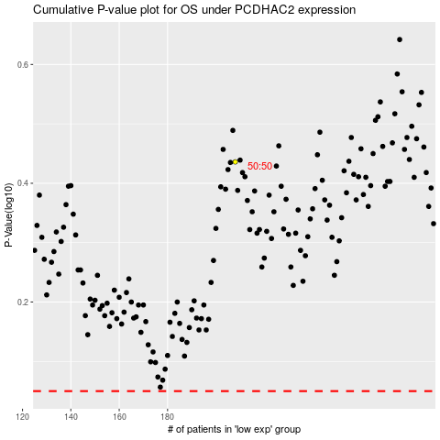

 |  |  |  |  |  | cases_OS | p_OS | rank | exp
 |  |  |  |  |  |  | cases_RFS | p_RFS | rank | exp

