PCDHB14 _multivariate
Reported by Tex Li-Hsing Chi. tex@gate.sinica.edu.tw 2019-08-17

Table 2. The clinicopathological features of HNSCC cohort and PCDHB14 expression. (Chi square test)
Cutoff at -0.313 (50.0%)
 |  | PCDHB14 expression |  | PCDHB14 expression |  | (Optimised)
 | Features | Low | (%) | High | (%) | Case no | P-value | Remark | Matthews
Gender | Female | 157 | 37.8 | 149 | 35.9 | 415 | 0.3881 | 0 | 0
2 | Male | 50 | 12 | 59 | 14.2
Age at diagnosis | <=65y | 140 | 33.7 | 134 | 32.3 | 415 | 0.5574 | 0 | 0
4 | >65y | 67 | 16.1 | 74 | 17.8
Clinical T Status | T1+T2 | 78 | 18.8 | 71 | 17.1 | 415 | 0.5152 | 0 | 0
6 | T3+T4 | 129 | 31.1 | 137 | 33
Clinical N Status | N0 | 102 | 24.6 | 114 | 27.5 | 415 | 0.3031 | 0 | 0
8 | N1-3 | 105 | 25.3 | 94 | 22.7
Clinical M Status | M0 | 206 | 49.6 | 206 | 49.6 | 415 | 1 | 0 | 0
10 | M1 | 1 | 0.2 | 2 | 0.5
Clinical Stage | Stage I+II | 50 | 12 | 52 | 12.5 | 415 | 0.9315 | 0 | 0
12 | Stage III+IV | 157 | 37.8 | 156 | 37.6
Surgical Margin status | Negative | 166 | 40 | 152 | 36.6 | 415 | 0.1042 | 0 | 0
14 | Positive | 41 | 9.9 | 56 | 13.5
Tobacco Exposure | Low | 87 | 21 | 74 | 17.8 | 415 | 0.1911 | 0 | 0
16 | High | 120 | 28.9 | 134 | 32.3

Table 3. Univariate/Multivariate Cox's proportional hazards regression analyses on OS time of PCDHB14 gene expression in HNSCC

 |  | Univariate |  |  |  | Multivariate
 | Features | HR | CI95%(L) | CI95%(H) | P-value | HR | CI95%(L) | CI95%(H) | P-value
1 | Female | 1 |  |  |  | 1
Gender | Male | 1.157 | 0.843 | 1.587 | 0.367 | 1.203 | 0.861 | 1.681 | 0.278
11 | <=65y | 1 |  |  |  | 1
Age at diagnosis | >65y | 1.329 | 0.99 | 1.784 | 0.058 | 1.387 | 1.02 | 1.888 | 0.037
12 | T1+T2 | 1 |  |  |  | 1
Clinical T Status | T3+T4 | 1.409 | 1.028 | 1.931 | 0.033 | 2.193 | 1.16 | 4.148 | 0.016
13 | N0 | 1 |  |  |  | 1
Clinical N Status | N1-3 | 1.185 | 0.89 | 1.577 | 0.246 | 1.254 | 0.877 | 1.792 | 0.215
14 | M0 | 1 |  |  |  | 1
Clinical M Status | M1 | 4.097 | 1.009 | 16.644 | 0.049 | 9.094 | 1.975 | 41.864 | 0.005
15 | Stage I+II | 1 |  |  |  | 1
Clinical Stage | Stage III+IV | 1.245 | 0.882 | 1.759 | 0.213 | 0.506 | 0.236 | 1.085 | 0.08
16 | Negative | 1 |  |  |  | 1
Surgical Margin status | Positive | 1.591 | 1.155 | 2.191 | 0.004 | 1.665 | 1.204 | 2.301 | 0.002
17 | Low | 1 |  |  |  | 1
Tobacco Exposure | High | 1.364 | 1.008 | 1.844 | 0.044 | 1.446 | 1.049 | 1.994 | 0.024
18 | Low | 1 |  |  |  | 1
RNAseq(z-score) | High | 1.161 | 0.871 | 1.548 | 0.307 | 1.092 | 0.817 | 1.461 | 0.551

Table 4. Univariate/Multivariate Cox's proportional hazards regression analyses on RFS time of PCDHB14 gene expression in HNSCC

 |  | Univariate |  |  |  | Multivariate
 | Features | HR | CI95%(L) | CI95%(H) | P-value | HR | CI95%(L) | CI95%(H) | P-value
1 | Female | 1 |  |  |  | 1
Gender | Male | 1.157 | 0.843 | 1.587 | 0.367 | 1.203 | 0.861 | 1.681 | 0.278
11 | <=65y | 1 |  |  |  | 1
Age at diagnosis | >65y | 1.329 | 0.99 | 1.784 | 0.058 | 1.387 | 1.02 | 1.888 | 0.037
12 | T1+T2 | 1 |  |  |  | 1
Clinical T Status | T3+T4 | 1.409 | 1.028 | 1.931 | 0.033 | 2.193 | 1.16 | 4.148 | 0.016
13 | N0 | 1 |  |  |  | 1
Clinical N Status | N1-3 | 1.185 | 0.89 | 1.577 | 0.246 | 1.254 | 0.877 | 1.792 | 0.215
14 | M0 | 1 |  |  |  | 1
Clinical M Status | M1 | 4.097 | 1.009 | 16.644 | 0.049 | 9.094 | 1.975 | 41.864 | 0.005
15 | Stage I+II | 1 |  |  |  | 1
Clinical Stage | Stage III+IV | 1.245 | 0.882 | 1.759 | 0.213 | 0.506 | 0.236 | 1.085 | 0.08
16 | Negative | 1 |  |  |  | 1
Surgical Margin status | Positive | 1.591 | 1.155 | 2.191 | 0.004 | 1.665 | 1.204 | 2.301 | 0.002
17 | Low | 1 |  |  |  | 1
Tobacco Exposure | High | 1.364 | 1.008 | 1.844 | 0.044 | 1.446 | 1.049 | 1.994 | 0.024
18 | Low | 1 |  |  |  | 1
RNAseq(z-score) | High | 1.161 | 0.871 | 1.548 | 0.307 | 1.092 | 0.817 | 1.461 | 0.551

Kaplan-Meier survival estimate: Cutoff at -0.313 (50.0%)



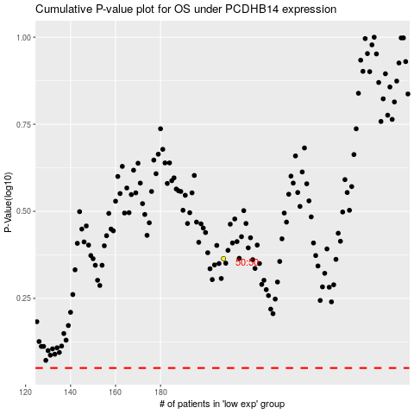

 |  |  |  |  |  | cases_OS | p_OS | rank | exp
 |  |  |  |  |  |  | cases_RFS | p_RFS | rank | exp

