PCDHB17 _multivariate
Reported by Tex Li-Hsing Chi. tex@gate.sinica.edu.tw 2019-08-17

Table 2. The clinicopathological features of HNSCC cohort and PCDHB17 expression. (Chi square test)
Cutoff at -0.2 (49.8%)
 |  | PCDHB17 expression |  | PCDHB17 expression |  | (Optimised)
 | Features | Low | (%) | High | (%) | Case no | P-value | Remark | Matthews
Gender | Female | 152 | 36.6 | 154 | 37.1 | 415 | 0.9766 | 0 | 0
2 | Male | 55 | 13.3 | 54 | 13
Age at diagnosis | <=65y | 142 | 34.2 | 132 | 31.8 | 415 | 0.3167 | 0 | 0
4 | >65y | 65 | 15.7 | 76 | 18.3
Clinical T Status | T1+T2 | 85 | 20.5 | 64 | 15.4 | 415 | 0.0372 | 1 | 0
6 | T3+T4 | 122 | 29.4 | 144 | 34.7
Clinical N Status | N0 | 101 | 24.3 | 115 | 27.7 | 415 | 0.2201 | 0 | 0
8 | N1-3 | 106 | 25.5 | 93 | 22.4
Clinical M Status | M0 | 206 | 49.6 | 206 | 49.6 | 415 | 1 | 0 | 0
10 | M1 | 1 | 0.2 | 2 | 0.5
Clinical Stage | Stage I+II | 59 | 14.2 | 43 | 10.4 | 415 | 0.0822 | 0 | 0
12 | Stage III+IV | 148 | 35.7 | 165 | 39.8
Surgical Margin status | Negative | 163 | 39.3 | 155 | 37.3 | 415 | 0.3537 | 0 | 0
14 | Positive | 44 | 10.6 | 53 | 12.8
Tobacco Exposure | Low | 90 | 21.7 | 71 | 17.1 | 415 | 0.0559 | 0 | 0
16 | High | 117 | 28.2 | 137 | 33

Table 3. Univariate/Multivariate Cox's proportional hazards regression analyses on OS time of PCDHB17 gene expression in HNSCC

 |  | Univariate |  |  |  | Multivariate
 | Features | HR | CI95%(L) | CI95%(H) | P-value | HR | CI95%(L) | CI95%(H) | P-value
1 | Female | 1 |  |  |  | 1
Gender | Male | 1.157 | 0.843 | 1.587 | 0.367 | 1.201 | 0.859 | 1.678 | 0.284
11 | <=65y | 1 |  |  |  | 1
Age at diagnosis | >65y | 1.329 | 0.99 | 1.784 | 0.058 | 1.393 | 1.025 | 1.894 | 0.034
12 | T1+T2 | 1 |  |  |  | 1
Clinical T Status | T3+T4 | 1.409 | 1.028 | 1.931 | 0.033 | 2.215 | 1.17 | 4.191 | 0.015
13 | N0 | 1 |  |  |  | 1
Clinical N Status | N1-3 | 1.185 | 0.89 | 1.577 | 0.246 | 1.229 | 0.858 | 1.761 | 0.26
14 | M0 | 1 |  |  |  | 1
Clinical M Status | M1 | 4.097 | 1.009 | 16.644 | 0.049 | 9.617 | 2.087 | 44.32 | 0.004
15 | Stage I+II | 1 |  |  |  | 1
Clinical Stage | Stage III+IV | 1.245 | 0.882 | 1.759 | 0.213 | 0.507 | 0.236 | 1.089 | 0.082
16 | Negative | 1 |  |  |  | 1
Surgical Margin status | Positive | 1.591 | 1.155 | 2.191 | 0.004 | 1.675 | 1.212 | 2.315 | 0.002
17 | Low | 1 |  |  |  | 1
Tobacco Exposure | High | 1.364 | 1.008 | 1.844 | 0.044 | 1.463 | 1.059 | 2.019 | 0.021
18 | Low | 1 |  |  |  | 1
RNAseq(z-score) | High | 1.04 | 0.781 | 1.386 | 0.786 | 0.95 | 0.707 | 1.277 | 0.733

Table 4. Univariate/Multivariate Cox's proportional hazards regression analyses on RFS time of PCDHB17 gene expression in HNSCC

 |  | Univariate |  |  |  | Multivariate
 | Features | HR | CI95%(L) | CI95%(H) | P-value | HR | CI95%(L) | CI95%(H) | P-value
1 | Female | 1 |  |  |  | 1
Gender | Male | 1.157 | 0.843 | 1.587 | 0.367 | 1.201 | 0.859 | 1.678 | 0.284
11 | <=65y | 1 |  |  |  | 1
Age at diagnosis | >65y | 1.329 | 0.99 | 1.784 | 0.058 | 1.393 | 1.025 | 1.894 | 0.034
12 | T1+T2 | 1 |  |  |  | 1
Clinical T Status | T3+T4 | 1.409 | 1.028 | 1.931 | 0.033 | 2.215 | 1.17 | 4.191 | 0.015
13 | N0 | 1 |  |  |  | 1
Clinical N Status | N1-3 | 1.185 | 0.89 | 1.577 | 0.246 | 1.229 | 0.858 | 1.761 | 0.26
14 | M0 | 1 |  |  |  | 1
Clinical M Status | M1 | 4.097 | 1.009 | 16.644 | 0.049 | 9.617 | 2.087 | 44.32 | 0.004
15 | Stage I+II | 1 |  |  |  | 1
Clinical Stage | Stage III+IV | 1.245 | 0.882 | 1.759 | 0.213 | 0.507 | 0.236 | 1.089 | 0.082
16 | Negative | 1 |  |  |  | 1
Surgical Margin status | Positive | 1.591 | 1.155 | 2.191 | 0.004 | 1.675 | 1.212 | 2.315 | 0.002
17 | Low | 1 |  |  |  | 1
Tobacco Exposure | High | 1.364 | 1.008 | 1.844 | 0.044 | 1.463 | 1.059 | 2.019 | 0.021
18 | Low | 1 |  |  |  | 1
RNAseq(z-score) | High | 1.04 | 0.781 | 1.386 | 0.786 | 0.95 | 0.707 | 1.277 | 0.733

Kaplan-Meier survival estimate: Cutoff at -0.2 (49.8%)



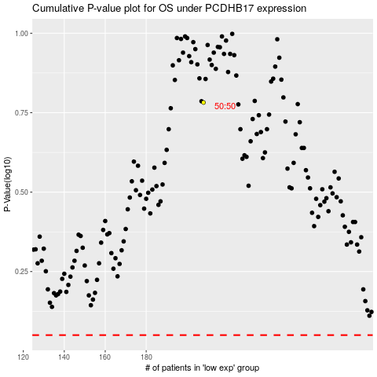

 |  |  |  |  |  | cases_OS | p_OS | rank | exp
 |  |  |  |  |  |  | cases_RFS | p_RFS | rank | exp

