PCDHB18 _multivariate
Reported by Tex Li-Hsing Chi. tex@gate.sinica.edu.tw 2019-08-17

Table 2. The clinicopathological features of HNSCC cohort and PCDHB18 expression. (Chi square test)
Cutoff at -0.288 (49.8%)
 |  | PCDHB18 expression |  | PCDHB18 expression |  | (Optimised)
 | Features | Low | (%) | High | (%) | Case no | P-value | Remark | Matthews
Gender | Female | 146 | 35.2 | 160 | 38.6 | 415 | 0.1714 | 0 | 0
2 | Male | 61 | 14.7 | 48 | 11.6
Age at diagnosis | <=65y | 136 | 32.8 | 138 | 33.3 | 415 | 0.9719 | 0 | 0
4 | >65y | 71 | 17.1 | 70 | 16.9
Clinical T Status | T1+T2 | 75 | 18.1 | 74 | 17.8 | 415 | 0.9707 | 0 | 0
6 | T3+T4 | 132 | 31.8 | 134 | 32.3
Clinical N Status | N0 | 102 | 24.6 | 114 | 27.5 | 415 | 0.3031 | 0 | 0
8 | N1-3 | 105 | 25.3 | 94 | 22.7
Clinical M Status | M0 | 204 | 49.2 | 208 | 50.1 | 415 | 0.1232 | 0 | 0
10 | M1 | 3 | 0.7 | 0 | 0
Clinical Stage | Stage I+II | 49 | 11.8 | 53 | 12.8 | 415 | 0.7535 | 0 | 0
12 | Stage III+IV | 158 | 38.1 | 155 | 37.3
Surgical Margin status | Negative | 157 | 37.8 | 161 | 38.8 | 415 | 0.729 | 0 | 0
14 | Positive | 50 | 12 | 47 | 11.3
Tobacco Exposure | Low | 88 | 21.2 | 73 | 17.6 | 415 | 0.1314 | 0 | 0
16 | High | 119 | 28.7 | 135 | 32.5

Table 3. Univariate/Multivariate Cox's proportional hazards regression analyses on OS time of PCDHB18 gene expression in HNSCC

 |  | Univariate |  |  |  | Multivariate
 | Features | HR | CI95%(L) | CI95%(H) | P-value | HR | CI95%(L) | CI95%(H) | P-value
1 | Female | 1 |  |  |  | 1
Gender | Male | 1.157 | 0.843 | 1.587 | 0.367 | 1.19 | 0.85 | 1.664 | 0.311
11 | <=65y | 1 |  |  |  | 1
Age at diagnosis | >65y | 1.329 | 0.99 | 1.784 | 0.058 | 1.388 | 1.021 | 1.888 | 0.037
12 | T1+T2 | 1 |  |  |  | 1
Clinical T Status | T3+T4 | 1.409 | 1.028 | 1.931 | 0.033 | 2.209 | 1.168 | 4.177 | 0.015
13 | N0 | 1 |  |  |  | 1
Clinical N Status | N1-3 | 1.185 | 0.89 | 1.577 | 0.246 | 1.232 | 0.863 | 1.758 | 0.25
14 | M0 | 1 |  |  |  | 1
Clinical M Status | M1 | 4.097 | 1.009 | 16.644 | 0.049 | 8.837 | 1.916 | 40.745 | 0.005
15 | Stage I+II | 1 |  |  |  | 1
Clinical Stage | Stage III+IV | 1.245 | 0.882 | 1.759 | 0.213 | 0.504 | 0.235 | 1.081 | 0.079
16 | Negative | 1 |  |  |  | 1
Surgical Margin status | Positive | 1.591 | 1.155 | 2.191 | 0.004 | 1.669 | 1.208 | 2.306 | 0.002
17 | Low | 1 |  |  |  | 1
Tobacco Exposure | High | 1.364 | 1.008 | 1.844 | 0.044 | 1.466 | 1.062 | 2.022 | 0.02
18 | Low | 1 |  |  |  | 1
RNAseq(z-score) | High | 0.852 | 0.64 | 1.136 | 0.275 | 0.877 | 0.655 | 1.174 | 0.377

Table 4. Univariate/Multivariate Cox's proportional hazards regression analyses on RFS time of PCDHB18 gene expression in HNSCC

 |  | Univariate |  |  |  | Multivariate
 | Features | HR | CI95%(L) | CI95%(H) | P-value | HR | CI95%(L) | CI95%(H) | P-value
1 | Female | 1 |  |  |  | 1
Gender | Male | 1.157 | 0.843 | 1.587 | 0.367 | 1.19 | 0.85 | 1.664 | 0.311
11 | <=65y | 1 |  |  |  | 1
Age at diagnosis | >65y | 1.329 | 0.99 | 1.784 | 0.058 | 1.388 | 1.021 | 1.888 | 0.037
12 | T1+T2 | 1 |  |  |  | 1
Clinical T Status | T3+T4 | 1.409 | 1.028 | 1.931 | 0.033 | 2.209 | 1.168 | 4.177 | 0.015
13 | N0 | 1 |  |  |  | 1
Clinical N Status | N1-3 | 1.185 | 0.89 | 1.577 | 0.246 | 1.232 | 0.863 | 1.758 | 0.25
14 | M0 | 1 |  |  |  | 1
Clinical M Status | M1 | 4.097 | 1.009 | 16.644 | 0.049 | 8.837 | 1.916 | 40.745 | 0.005
15 | Stage I+II | 1 |  |  |  | 1
Clinical Stage | Stage III+IV | 1.245 | 0.882 | 1.759 | 0.213 | 0.504 | 0.235 | 1.081 | 0.079
16 | Negative | 1 |  |  |  | 1
Surgical Margin status | Positive | 1.591 | 1.155 | 2.191 | 0.004 | 1.669 | 1.208 | 2.306 | 0.002
17 | Low | 1 |  |  |  | 1
Tobacco Exposure | High | 1.364 | 1.008 | 1.844 | 0.044 | 1.466 | 1.062 | 2.022 | 0.02
18 | Low | 1 |  |  |  | 1
RNAseq(z-score) | High | 0.852 | 0.64 | 1.136 | 0.275 | 0.877 | 0.655 | 1.174 | 0.377

Kaplan-Meier survival estimate: Cutoff at -0.288 (49.8%)



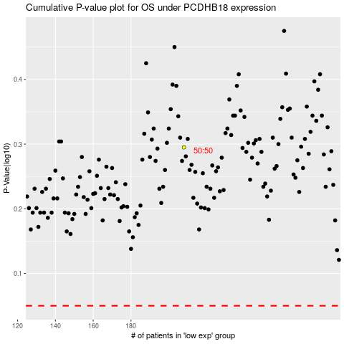

 |  |  |  |  |  | cases_OS | p_OS | rank | exp
 |  |  |  |  |  |  | cases_RFS | p_RFS | rank | exp

