PCDHB6 _multivariate
Reported by Tex Li-Hsing Chi. tex@gate.sinica.edu.tw 2019-08-17

Table 2. The clinicopathological features of HNSCC cohort and PCDHB6 expression. (Chi square test)
Cutoff at -0.394 (37.2%)
 |  | PCDHB6 expression |  | PCDHB6 expression |  | (Optimised)
 | Features | Low | (%) | High | (%) | Case no | P-value | Remark | Matthews
Gender | Female | 118 | 28.4 | 188 | 45.3 | 415 | 0.4591 | 0 | 0
2 | Male | 37 | 8.9 | 72 | 17.3
Age at diagnosis | <=65y | 101 | 24.3 | 173 | 41.7 | 415 | 0.8576 | 0 | 0
4 | >65y | 54 | 13 | 87 | 21
Clinical T Status | T1+T2 | 52 | 12.5 | 97 | 23.4 | 415 | 0.5051 | 0 | 0
6 | T3+T4 | 103 | 24.8 | 163 | 39.3
Clinical N Status | N0 | 75 | 18.1 | 141 | 34 | 415 | 0.2932 | 0 | 0
8 | N1-3 | 80 | 19.3 | 119 | 28.7
Clinical M Status | M0 | 154 | 37.1 | 258 | 62.2 | 415 | 1 | 0 | 0
10 | M1 | 1 | 0.2 | 2 | 0.5
Clinical Stage | Stage I+II | 37 | 8.9 | 65 | 15.7 | 415 | 0.8882 | 0 | 0
12 | Stage III+IV | 118 | 28.4 | 195 | 47
Surgical Margin status | Negative | 110 | 26.5 | 208 | 50.1 | 415 | 0.0415 | 1 | 0
14 | Positive | 45 | 10.8 | 52 | 12.5
Tobacco Exposure | Low | 62 | 14.9 | 99 | 23.9 | 415 | 0.7549 | 0 | 0
16 | High | 93 | 22.4 | 161 | 38.8

Table 3. Univariate/Multivariate Cox's proportional hazards regression analyses on OS time of PCDHB6 gene expression in HNSCC

 |  | Univariate |  |  |  | Multivariate
 | Features | HR | CI95%(L) | CI95%(H) | P-value | HR | CI95%(L) | CI95%(H) | P-value
1 | Female | 1 |  |  |  | 1
Gender | Male | 1.157 | 0.843 | 1.587 | 0.367 | 1.214 | 0.869 | 1.697 | 0.256
11 | <=65y | 1 |  |  |  | 1
Age at diagnosis | >65y | 1.329 | 0.99 | 1.784 | 0.058 | 1.38 | 1.016 | 1.876 | 0.039
12 | T1+T2 | 1 |  |  |  | 1
Clinical T Status | T3+T4 | 1.409 | 1.028 | 1.931 | 0.033 | 2.152 | 1.137 | 4.073 | 0.019
13 | N0 | 1 |  |  |  | 1
Clinical N Status | N1-3 | 1.185 | 0.89 | 1.577 | 0.246 | 1.199 | 0.838 | 1.715 | 0.32
14 | M0 | 1 |  |  |  | 1
Clinical M Status | M1 | 4.097 | 1.009 | 16.644 | 0.049 | 9.714 | 2.118 | 44.554 | 0.003
15 | Stage I+II | 1 |  |  |  | 1
Clinical Stage | Stage III+IV | 1.245 | 0.882 | 1.759 | 0.213 | 0.526 | 0.244 | 1.132 | 0.1
16 | Negative | 1 |  |  |  | 1
Surgical Margin status | Positive | 1.591 | 1.155 | 2.191 | 0.004 | 1.62 | 1.17 | 2.244 | 0.004
17 | Low | 1 |  |  |  | 1
Tobacco Exposure | High | 1.364 | 1.008 | 1.844 | 0.044 | 1.448 | 1.051 | 1.994 | 0.024
18 | Low | 1 |  |  |  | 1
RNAseq(z-score) | High | 0.747 | 0.558 | 0.999 | 0.049 | 0.798 | 0.593 | 1.073 | 0.135

Table 4. Univariate/Multivariate Cox's proportional hazards regression analyses on RFS time of PCDHB6 gene expression in HNSCC

 |  | Univariate |  |  |  | Multivariate
 | Features | HR | CI95%(L) | CI95%(H) | P-value | HR | CI95%(L) | CI95%(H) | P-value
1 | Female | 1 |  |  |  | 1
Gender | Male | 1.157 | 0.843 | 1.587 | 0.367 | 1.214 | 0.869 | 1.697 | 0.256
11 | <=65y | 1 |  |  |  | 1
Age at diagnosis | >65y | 1.329 | 0.99 | 1.784 | 0.058 | 1.38 | 1.016 | 1.876 | 0.039
12 | T1+T2 | 1 |  |  |  | 1
Clinical T Status | T3+T4 | 1.409 | 1.028 | 1.931 | 0.033 | 2.152 | 1.137 | 4.073 | 0.019
13 | N0 | 1 |  |  |  | 1
Clinical N Status | N1-3 | 1.185 | 0.89 | 1.577 | 0.246 | 1.199 | 0.838 | 1.715 | 0.32
14 | M0 | 1 |  |  |  | 1
Clinical M Status | M1 | 4.097 | 1.009 | 16.644 | 0.049 | 9.714 | 2.118 | 44.554 | 0.003
15 | Stage I+II | 1 |  |  |  | 1
Clinical Stage | Stage III+IV | 1.245 | 0.882 | 1.759 | 0.213 | 0.526 | 0.244 | 1.132 | 0.1
16 | Negative | 1 |  |  |  | 1
Surgical Margin status | Positive | 1.591 | 1.155 | 2.191 | 0.004 | 1.62 | 1.17 | 2.244 | 0.004
17 | Low | 1 |  |  |  | 1
Tobacco Exposure | High | 1.364 | 1.008 | 1.844 | 0.044 | 1.448 | 1.051 | 1.994 | 0.024
18 | Low | 1 |  |  |  | 1
RNAseq(z-score) | High | 0.747 | 0.558 | 0.999 | 0.049 | 0.798 | 0.593 | 1.073 | 0.135

Kaplan-Meier survival estimate: Cutoff at -0.394 (37.2%)



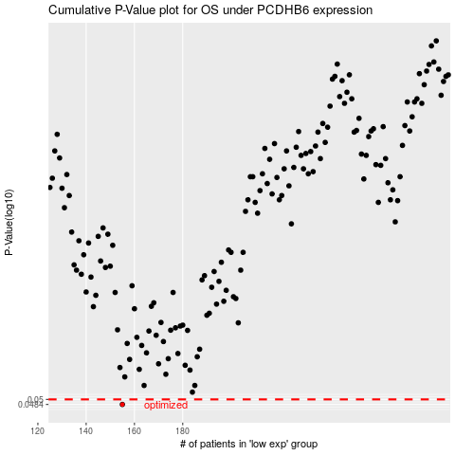

 |  |  |  |  |  | cases_OS | p_OS | rank | exp
 |  |  |  |  |  | 155 | 0.0484 | 134 | -0.39446288205
 |  |  |  |  |  |  | cases_RFS | p_RFS | rank | exp
 |  |  |  |  |  |  | 154 | 0.0484 | 163 | -0.39467074427

