PCDHB8 _multivariate
Reported by Tex Li-Hsing Chi. tex@gate.sinica.edu.tw 2019-08-17

Table 2. The clinicopathological features of HNSCC cohort and PCDHB8 expression. (Chi square test)
Cutoff at -0.353 (49.8%)
 |  | PCDHB8 expression |  | PCDHB8 expression |  | (Optimised)
 | Features | Low | (%) | High | (%) | Case no | P-value | Remark | Matthews
Gender | Female | 157 | 37.8 | 149 | 35.9 | 415 | 0.3881 | 0 | 0
2 | Male | 50 | 12 | 59 | 14.2
Age at diagnosis | <=65y | 137 | 33 | 137 | 33 | 415 | 1 | 0 | 0
4 | >65y | 70 | 16.9 | 71 | 17.1
Clinical T Status | T1+T2 | 77 | 18.6 | 72 | 17.3 | 415 | 0.6556 | 0 | 0
6 | T3+T4 | 130 | 31.3 | 136 | 32.8
Clinical N Status | N0 | 102 | 24.6 | 114 | 27.5 | 415 | 0.3031 | 0 | 0
8 | N1-3 | 105 | 25.3 | 94 | 22.7
Clinical M Status | M0 | 205 | 49.4 | 207 | 49.9 | 415 | 0.6232 | 0 | 0
10 | M1 | 2 | 0.5 | 1 | 0.2
Clinical Stage | Stage I+II | 52 | 12.5 | 50 | 12 | 415 | 0.8871 | 0 | 0
12 | Stage III+IV | 155 | 37.3 | 158 | 38.1
Surgical Margin status | Negative | 152 | 36.6 | 166 | 40 | 415 | 0.1329 | 0 | 0
14 | Positive | 55 | 13.3 | 42 | 10.1
Tobacco Exposure | Low | 82 | 19.8 | 79 | 19 | 415 | 0.763 | 0 | 0
16 | High | 125 | 30.1 | 129 | 31.1

Table 3. Univariate/Multivariate Cox's proportional hazards regression analyses on OS time of PCDHB8 gene expression in HNSCC

 |  | Univariate |  |  |  | Multivariate
 | Features | HR | CI95%(L) | CI95%(H) | P-value | HR | CI95%(L) | CI95%(H) | P-value
1 | Female | 1 |  |  |  | 1
Gender | Male | 1.157 | 0.843 | 1.587 | 0.367 | 1.218 | 0.872 | 1.701 | 0.248
11 | <=65y | 1 |  |  |  | 1
Age at diagnosis | >65y | 1.329 | 0.99 | 1.784 | 0.058 | 1.416 | 1.041 | 1.927 | 0.027
12 | T1+T2 | 1 |  |  |  | 1
Clinical T Status | T3+T4 | 1.409 | 1.028 | 1.931 | 0.033 | 2.189 | 1.157 | 4.14 | 0.016
13 | N0 | 1 |  |  |  | 1
Clinical N Status | N1-3 | 1.185 | 0.89 | 1.577 | 0.246 | 1.3 | 0.908 | 1.862 | 0.152
14 | M0 | 1 |  |  |  | 1
Clinical M Status | M1 | 4.097 | 1.009 | 16.644 | 0.049 | 9.634 | 2.101 | 44.171 | 0.004
15 | Stage I+II | 1 |  |  |  | 1
Clinical Stage | Stage III+IV | 1.245 | 0.882 | 1.759 | 0.213 | 0.493 | 0.23 | 1.058 | 0.07
16 | Negative | 1 |  |  |  | 1
Surgical Margin status | Positive | 1.591 | 1.155 | 2.191 | 0.004 | 1.729 | 1.248 | 2.394 | 0.001
17 | Low | 1 |  |  |  | 1
Tobacco Exposure | High | 1.364 | 1.008 | 1.844 | 0.044 | 1.478 | 1.07 | 2.04 | 0.018
18 | Low | 1 |  |  |  | 1
RNAseq(z-score) | High | 1.219 | 0.915 | 1.624 | 0.177 | 1.336 | 0.997 | 1.791 | 0.053

Table 4. Univariate/Multivariate Cox's proportional hazards regression analyses on RFS time of PCDHB8 gene expression in HNSCC

 |  | Univariate |  |  |  | Multivariate
 | Features | HR | CI95%(L) | CI95%(H) | P-value | HR | CI95%(L) | CI95%(H) | P-value
1 | Female | 1 |  |  |  | 1
Gender | Male | 1.157 | 0.843 | 1.587 | 0.367 | 1.218 | 0.872 | 1.701 | 0.248
11 | <=65y | 1 |  |  |  | 1
Age at diagnosis | >65y | 1.329 | 0.99 | 1.784 | 0.058 | 1.416 | 1.041 | 1.927 | 0.027
12 | T1+T2 | 1 |  |  |  | 1
Clinical T Status | T3+T4 | 1.409 | 1.028 | 1.931 | 0.033 | 2.189 | 1.157 | 4.14 | 0.016
13 | N0 | 1 |  |  |  | 1
Clinical N Status | N1-3 | 1.185 | 0.89 | 1.577 | 0.246 | 1.3 | 0.908 | 1.862 | 0.152
14 | M0 | 1 |  |  |  | 1
Clinical M Status | M1 | 4.097 | 1.009 | 16.644 | 0.049 | 9.634 | 2.101 | 44.171 | 0.004
15 | Stage I+II | 1 |  |  |  | 1
Clinical Stage | Stage III+IV | 1.245 | 0.882 | 1.759 | 0.213 | 0.493 | 0.23 | 1.058 | 0.07
16 | Negative | 1 |  |  |  | 1
Surgical Margin status | Positive | 1.591 | 1.155 | 2.191 | 0.004 | 1.729 | 1.248 | 2.394 | 0.001
17 | Low | 1 |  |  |  | 1
Tobacco Exposure | High | 1.364 | 1.008 | 1.844 | 0.044 | 1.478 | 1.07 | 2.04 | 0.018
18 | Low | 1 |  |  |  | 1
RNAseq(z-score) | High | 1.219 | 0.915 | 1.624 | 0.177 | 1.336 | 0.997 | 1.791 | 0.053

Kaplan-Meier survival estimate: Cutoff at -0.353 (49.8%)



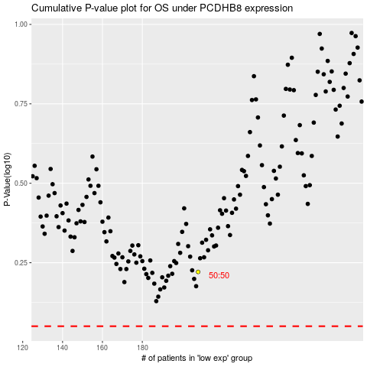

 |  |  |  |  |  | cases_OS | p_OS | rank | exp
 |  |  |  |  |  |  | cases_RFS | p_RFS | rank | exp

